TRUE()
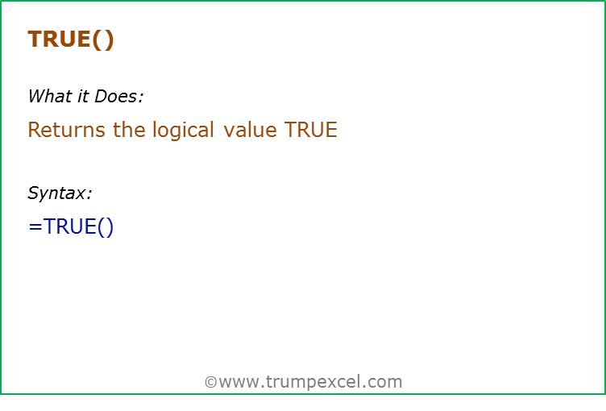
Formula | Result | Commentary
=TRUE() | TRUE | TRUE formula takes no arguments
=TRUE | TRUE | It works even if the parentheses are not added

True | 1
False | 0

FALSE()
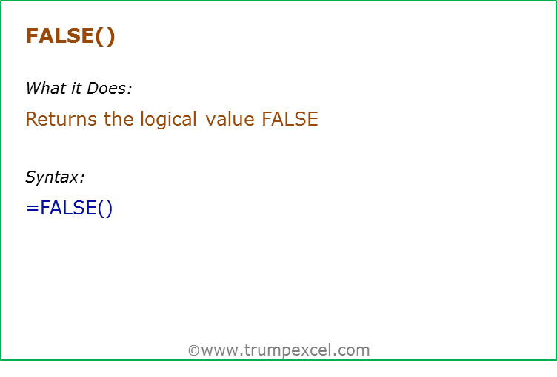
Formula | Result | Commentary
=FALSE() | FALSE | FALSE formula takes no arguments
=FALSE | FALSE | It works even if the parentheses are not added

AND()
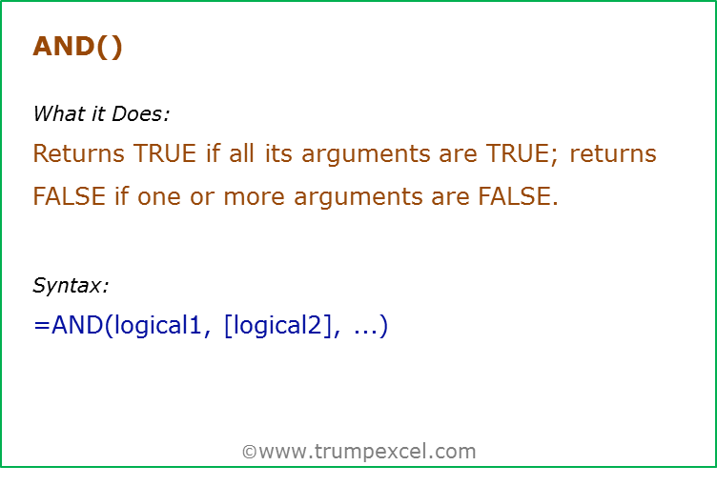
Data Used in Formula
TRUE
FALSE

Formula | Result | Commentary
=AND(TRUE,TRUE) | TRUE | Both values are TRUE, and hence it returns TRUE
=AND(TRUE,FALSE) | FALSE | One value is FALSE, and hence it returns FALSE
=AND(A2,A3) | FALSE | One value is FALSE, and hence it returns FALSE
=AND(3>1,3=3) | TRUE | Both conditions are TRUE, and hence it returns TRUE
=AND("TRUE","TRUE") | TRUE | TRUE in double quotes is considered as TRUE by AND
=AND(3,2) | TRUE | Any positive number is considered as TRUE by AND
=AND(0,2) | FALSE | 0 is considered FALSE by AND

OR()
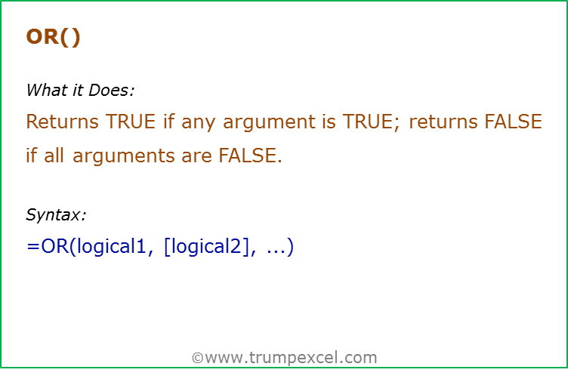
Data Used in Formula
TRUE
FALSE

Formula | Result | Commentary
=OR(TRUE,FALSE) | TRUE | One value is TRUE, and hence it returns TRUE
=OR(A2,A3) | TRUE | One value is TRUE, and hence it returns TRUE
=OR(FALSE,FALSE) | FALSE | None of the value is TRUE, hence it returns FALSE
=OR(3>1,3<3) | TRUE | One of conditions is TRUE, and hence it returns TRUE
=OR("TRUE","FALSE") | TRUE | TRUE in double quotes is considered as TRUE by OR
=OR(3,2) | TRUE | Any positive number is considered as TRUE by OR
=OR(0,0) | FALSE | 0 is considered FALSE by OR

NOT()
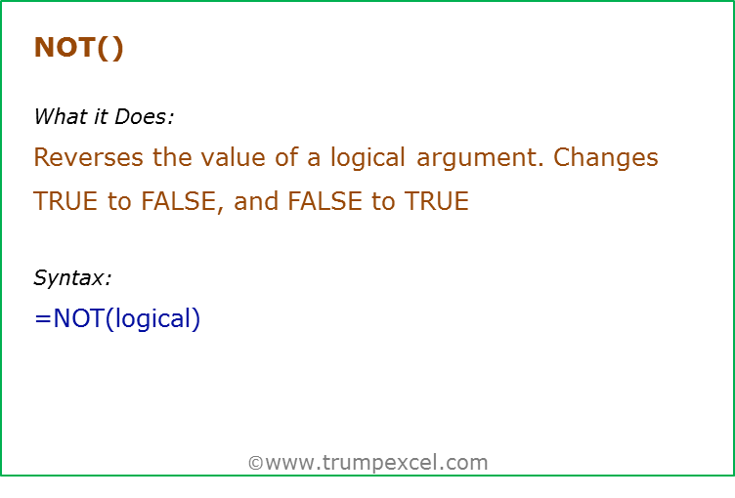
Data Used in Formula
20

Formula | Result | Commentary
=NOT(TRUE) | FALSE | Reverse the TRUE to FALSE
=NOT(A2>10) | FALSE | Reverse the condition that returns TRUE to FALSE
=NOT(1) | FALSE | Any non-zero integer is considered TRUE, and NOT reverses it to FALSE
=NOT(0) | TRUE | 0 is considered FALSE, and NOT reverses it to TRUE

IF()
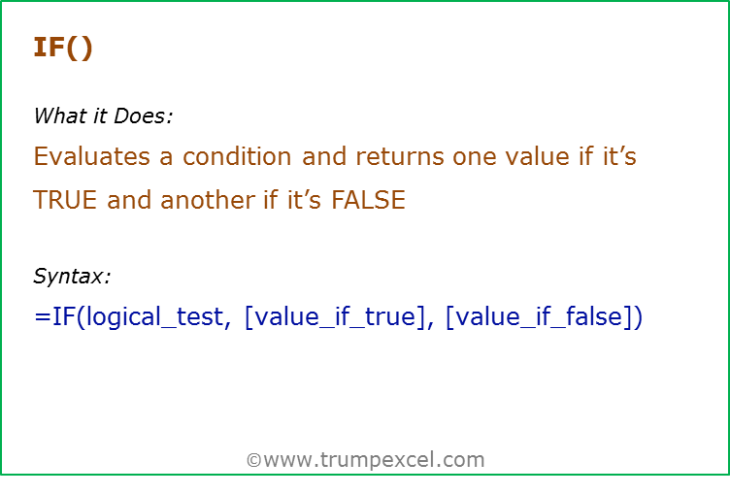
Data Used in Formula
20

Formula | Result | Commentary
=IF(A2>10,"RIGHT","WRONG") | Y | Since the condition is TRUE, it returns the value for TRUE (which is the text "RIGHT")
=IF(A2>10,,"WRONG") | TRUE | If the value for TRUE is omitted, it returns a 0 when the IF condition is TRUE
=IF(A2<10,"RIGHT") | FALSE | If the value for FALSE is omitted, it returns FALSE when the IF condition is FALSE
=IF(A2<10,"RIGHT",) | 0 | If the value for FALSE is omitted (but the comma is still there), it returns a 0 [Note the difference from above]

IFERROR()
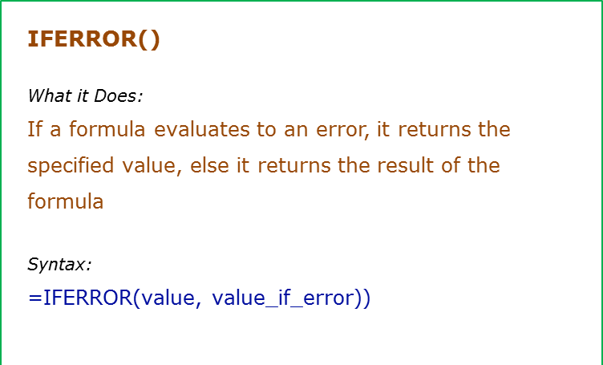
Data Used in Formula
100
10 | #DIV/0!
0

Formula | Result | Commentary
=IFERROR(A2/A3,"Error") | 10 | The value is not an error, and hence the result is displayed
=IFERROR(A3/A4,"Error") | Error | The value is an error, and hence the text Error is displayed
=IFERROR(A3/A4,) | 0 | If nothing is specified in case of error, it returns a 0. Note that there should be a comma though, else it gives an error

IS()
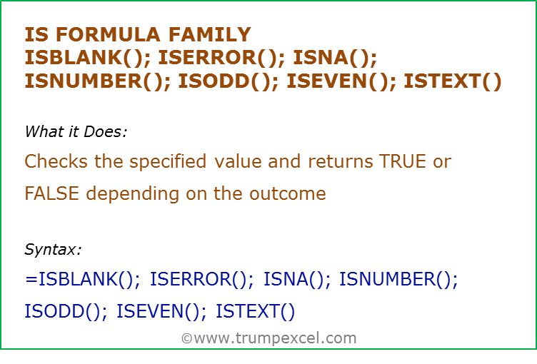
Data Used in Formula

#DIV/0!
#N/A
2
1
Hello

Formula | Result | Commentary
=ISBLANK(A2) | TRUE | Checks if the value is blank
=ISERROR(A3) | TRUE | Checks if the value is an error
=ISNA(A4) | TRUE | Checks if the value is an #N/A error
=ISNUMBER(A5) | TRUE | Checks if the value is a number
=ISODD(A6) | TRUE | Checks if the value is odd
=ISEVEN(A5) | TRUE | Checks if the value is even
=ISTEXT(A7) | TRUE | Checks if the value is text

