INT()
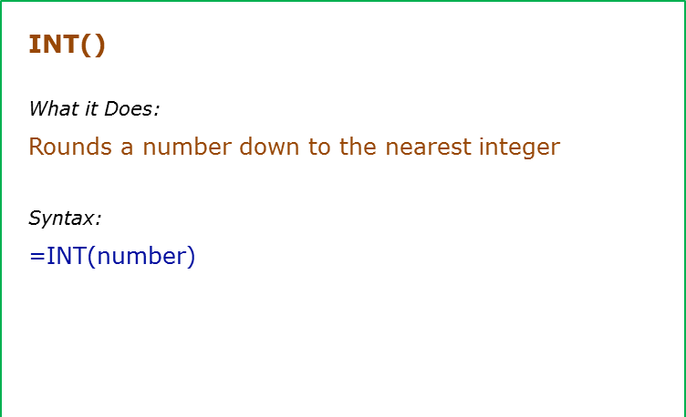
Data Used in Formula
12.2
12.9
-12.2

Formula | Result | Commentary
=INT(A2) | 12 | Returns the integer part
=INT(A2) | 12 | Returns the integer part
=INT(A4) | -13 | If negative, returns the integer part by rounding away from 0

MOD()
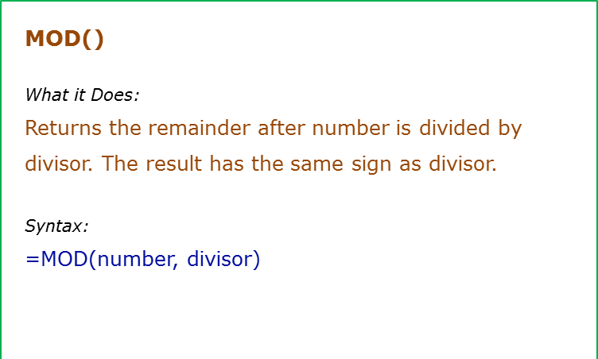
Data Used in Formula
10
3

Formula | Result | Commentary
=MOD(A2,A3) | 1 | Returns the remainder 1 when 10 is divided by 3
=MOD(3,2) | 1 | Returns the remainder 1 when 3 is divided by 2
=MOD(-3,2) | 1 | Returns the remainder 1 when -3 is divided by 2. Sign is same as that of the divisor
=MOD(3,-2) | -1 | Returns the remainder -1 when 3 is divided by -2. Sign is same as that of the divisor
=MOD(-3,-2) | -1 | Returns the remainder -1 when -3 is divided by -2. Sign is same as that of the divisor

RAND()
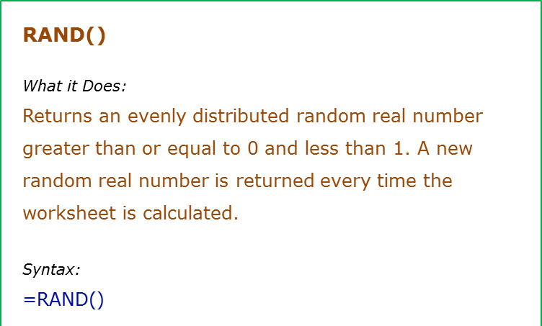
Formula | Result | Commentary
=Rand() | 0.20448444776 | Returns a random number between 0 and 1. It changes when ever there is any calculation or when F9 is pressed
=Rand() | 0.37341170943
=Rand() | 0.14235702474
=Rand() | 0.36700614084

RANDBETWEEN
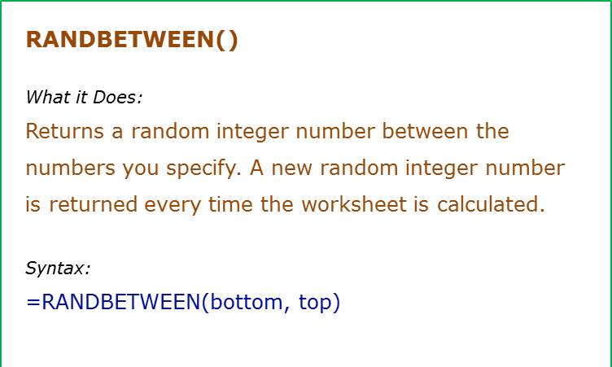
Data Used in Formula
100
1000

Formula | Result | Commentary
=RANDBETWEEN(A2,A3) | 700 | Returns a random number between the specified limits. It changes when ever there is any calculation or when F9 is pressed
=RANDBETWEEN(100,1000) | 301
=RANDBETWEEN(2,20) | 17
=RANDBETWEEN(-100,0) | -61

ROUND()
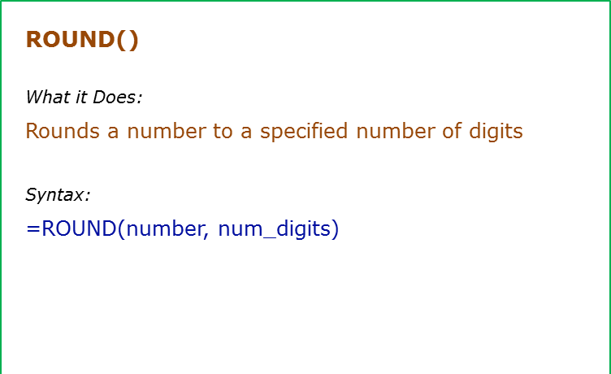
Formula | Result | Commentary
=ROUND(500.51,1) | 500.5 | Rounds to 1 decimal place
=ROUND(500.55,1) | 500.6 | Rounds to 1 decimal place
=ROUND(500.55,0) | 501 | Rounds to 0 decimal place
=ROUND(500.55,-1) | 500 | Rounds to -1 decimal place
=ROUND(500.55,-3) | 1000 | Rounds to -3 decimal place

SUM ()
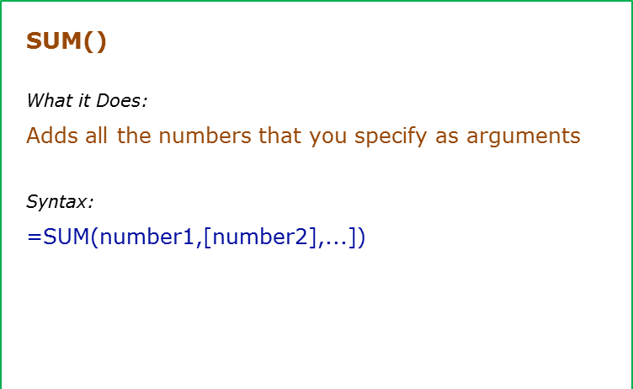
Data Used in Formula
10
20
30

Formula | Result | Commentary
=SUM(A2:A4) | 60 | Adds value in A2 to A4
=SUM(A2:A3,A4) | 60 | Adds value in A2 to A3, and A4
=SUM("10",10,A2,TRUE) | 31 | Adds "10" (excel converts "10" to 10), 10, value in A2 and TRUE (TRUE is treated as 1)

SUMIF
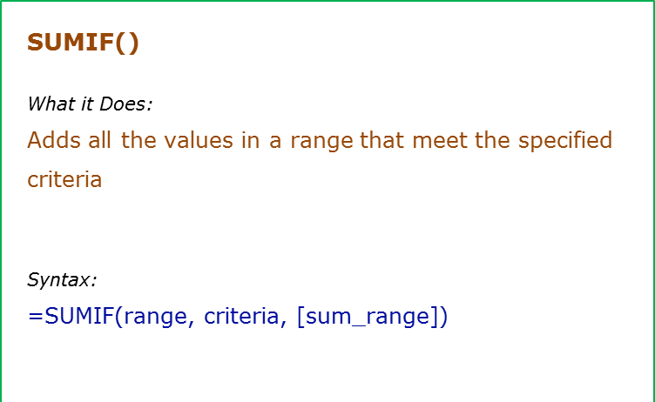
Data Used in Formula
Tom | 100
Jane | 200
Arjun | 400
Tom | 700

Formula | Result | Commentary
=SUMIF(B2:B5,">200") | 1100 | Adds all the values more than 200 (400+700)
=SUMIF(A2:A5,"Tom",B2:B5) | 800 | Adds all the values for Tom (100+700)
=SUMIF(A2:A5,"*a*",B2:B5) | 600 | Adds the values for all the names that have the alphabet "a" in it (200+400)

SUMIFS
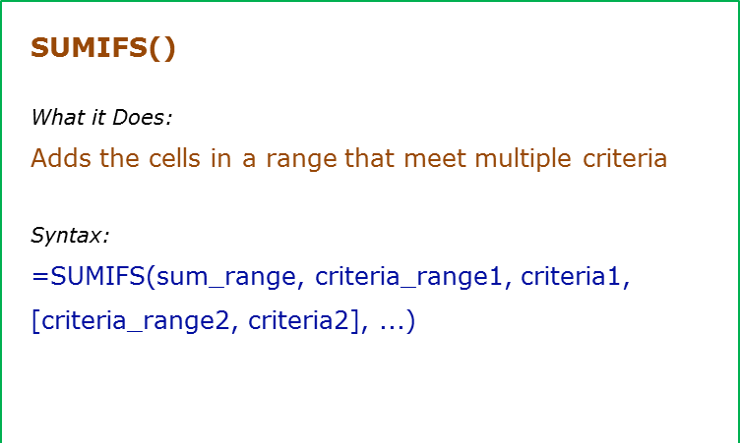
Data Used in Formula
Tom | 100
Jane | 200
Arjun | 400
Tom | 700

Formula | Result | Commentary
=SUMIFS(B2:B5,B2:B5,">100",B2:B5,"<500") | 600 | Adds all the values greater than 100 and less than 500 (200+400)
=SUMIFS(B2:B5,A2:A5,"*a*",A2:A5,"J*") | 200 | Adds all the values for sales person whose name contains the alphabet "a" and whose name starts with "J"
=SUMIFS(B2:B5,A2:A5,"<>Tom",B2:B5,">200") | 400 | Adds the values for all the names are not equal to "Tom" and whose sales are more than 200

SUMPRODUCT
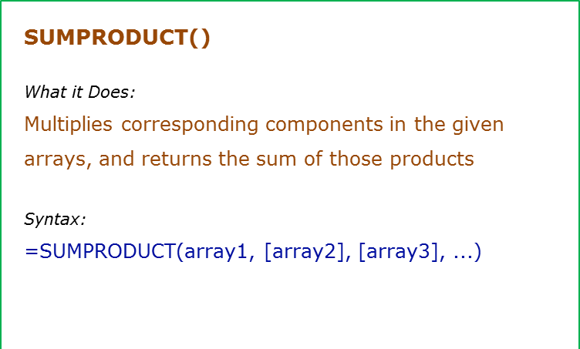
Data Used in Formula
1 | 5
2 | 6
3 | 7
4 | 8

Formula | Result | Commentary
=SUMPRODUCT(A2:A5,B2:B5) | 70 | Multiplies each value of A2:A5 to the corresponding value of B2:B5, and then adds all the values (1*5+2*6+3*7+4*8)
=SUMPRODUCT(A2:B5,B2:C5) | 70 | Multiplies each value of A2:B5 to the corresponding value of B2:C5, and then adds all the values
=SUMPRODUCT(A2:A4,B2:B5) | 44 | The size of all the arrays should be the same, or else it gives an error
=SUMPRODUCT(--(A2:A5>2),B2:B5) | 15 | Evaluates each value in A2:A5 for the condition greater than 2, and adds all the corresponding values in B2:B5 that meet the criteria (7+8). Note that the double negative (--) converts TRUE to 1 and FALSE to 0

