VLOOKUP()
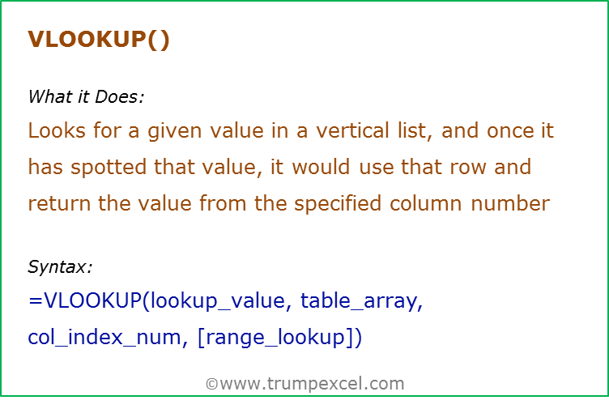
Data Used in Formula
Sales Person | Qaurter | Sales | Qaurter | Sales Person | Sales
Arjun | Q1 2014 | 1000 | Q1 2014 | Arjun | 1000
Jane | Q2 2013 | 2000 | Q2 2013 | Jane | 2000
Tom | Q4 2013 | 3000 | Q4 2013 | Tom | 3000

Formula | Result | Commentary
=VLOOKUP("Tom",A3:C5,2,FALSE) | 3000 | Look up and return the quarter value for Tom
=VLOOKUP("Tom",A3:C5,3,FALSE) | 3000 | Look up and return the sales value for Tom
=VLOOKUP(1500,C3:C5,1,TRUE) | 1000 | Looks for 1500 in C3:C5, and returns the largest value smaller than the lookup value. The list needs to be sorted in ascending order or else the result could be wrong
=VLOOKUP(1500,C3:C5,1,FALSE) | #N/A | In case of exact match, if the value is not found, it returns an error
=VLOOKUP("t",A3:C5,3,TRUE) | 3000 | Looks for T in Arjun, Jane and Tom, and settles for Jane (as Tom has higher value than T). Returns the value of 2nd row from the third column

 | 2000
 | Jane

HLOOKUP()
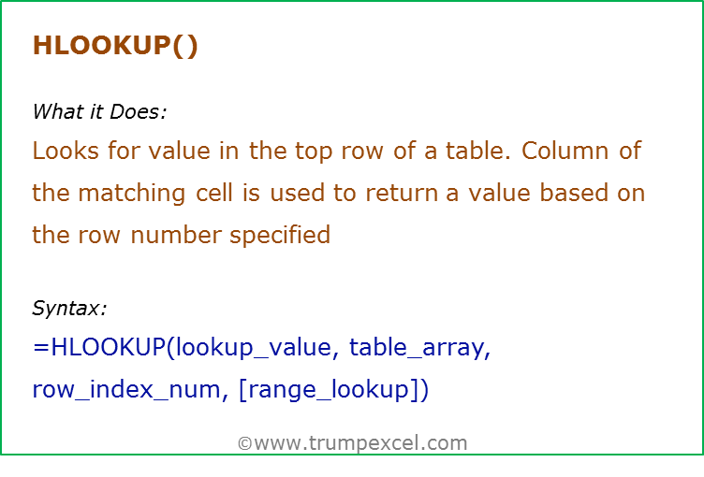
Data Used in Formula
Fruit | Apple | Banana | Orange
Quantity | 10 | 12 | 5
Price | $5 | $1.20 | $2.10

Formula | Result | Commentary
=HLOOKUP("Apple",B2:D3,2,FALSE) | 10 | Returns the quantity of Apple by spotting position of Apple in the list and returning the value from the second row. Note that range_lookup value is FALSE indicating exact match
=HLOOKUP("Apple",B2:D4,3,FALSE) | 5 | Returns the price of Apple by spotting position of Apple in the list and returning the price from the third row.
=HLOOKUP("B",B2:D4,3,FALSE) | #N/A | If range_lookup is FALSE (exact match), an error is returned if the match is not found
=HLOOKUP("B",B2:D4,3,TRUE) | 5 | If range_lookup is TRUE (approximate match), the largest value less than the look up value is found and returned. Here "Apple" is less than "B", and hence value for Apple is returned

INDEX()
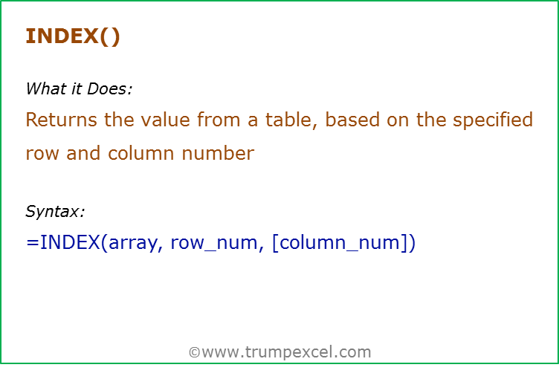
Data Used in Formula
Sales Person | Q1 2013 | Q2 2013 | Q3 2014 | Q4 2014
Tom | 3500 | 3800 | 1200 | 3800
Jane | 3700 | 2800 | 2900 | 2700
Arjun | 1300 | 1100 | 1200 | 4800

Formula | Result | Commentary
=INDEX(B3:E5,2,2) | 2800 | Returns the value from 2nd row and 2nd column of the array (B3:E5)
=INDEX((B3:B5,C3:C5,D3:D5),2,1,2) | 2700 | There are three array references in the formula (B3:B5,C3:C5,D3:D5), and the 2nd array has been selected (the last argument of the formula). In this second array, value in the 2nd row and 1st column is returned
=SUM(INDEX(B3:E5,1,0)) | 8500 | If the row number or column number is 0, it returns the entire row or column number. Notice that while the formula INDEX(B3:E5,1,0) returns the entire column, it will show only the first value in the cell. However, when you SUM it, it adds the entire row
=B3:INDEX(B3:E5,3,4) | 32800 | Note that while the value in the cell is an error, it has returned the entire array B3:E5. Check this by selecting the entire formula and press F9. When Index is used in conjunction with a cell reference, it returns the cell reference of the value (instead of the actual value). In this case instead of returning 4800, it returns its cell reference E5
 | 32800

MATCH()
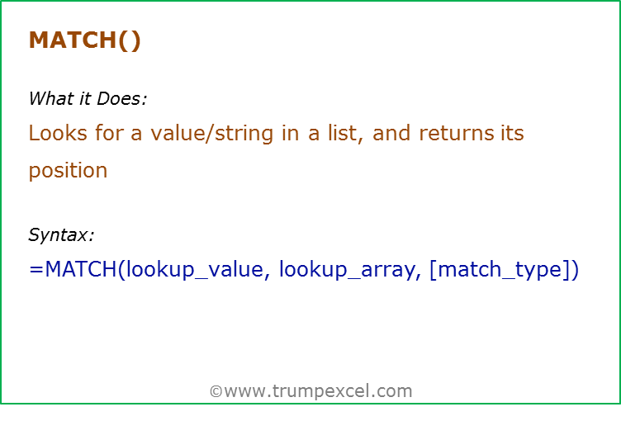
Data Used in Formula | Column1
Tom | 1000
Jane | 2000
Arjun | 3000

Formula | Result | Commentary
=MATCH("Tom",A2:A4,0) | 3 | Returns the position of Tom from the list
=MATCH(B2,B2:B4,0) | 1 | Returns the position of 1000 from the list
=MATCH(1500,B2:B4,1) | 1 | Returns the position as 1, as 1500 is higher than 1000, but lower than 2000. Since there is no exact match, it returns the value lower than the look up value (when sorted in ascending order)
=MATCH(1500,B2:B4,-1) | #N/A | Returns error as the list is not sorted in descending order

OFFSET()
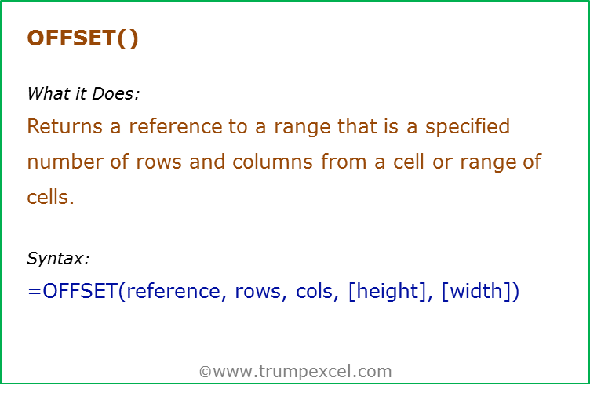
Data Used in Formula
1 | a
2 | b
3 | c

Formula | Result | Commentary
=OFFSET(A2,0,0) | 1 | Returns value in A2, as A2 is not offset
=OFFSET(A2,1,0) | 2 | Returns value is A3, as A2 is offset by 1 row
=OFFSET(A2,0,1) | a | Returns value is B2, as A2 is offset by 1 column
=OFFSET(A2,1,1) | b | Returns value is B3, as A2 is offset by 1 row and 1 column
=OFFSET(B3,-1,-1) | 1 | Returns value is A2, as B3 is offset by -1 row and -1 column
=SUM(OFFSET(A2,0,0,3,1)) | 6 | While the cell is offset by 0 row 0 column, the height is specified as 3, which cover the three cell A2:A4, and returns an array {1;2;3}

INDIRECT()
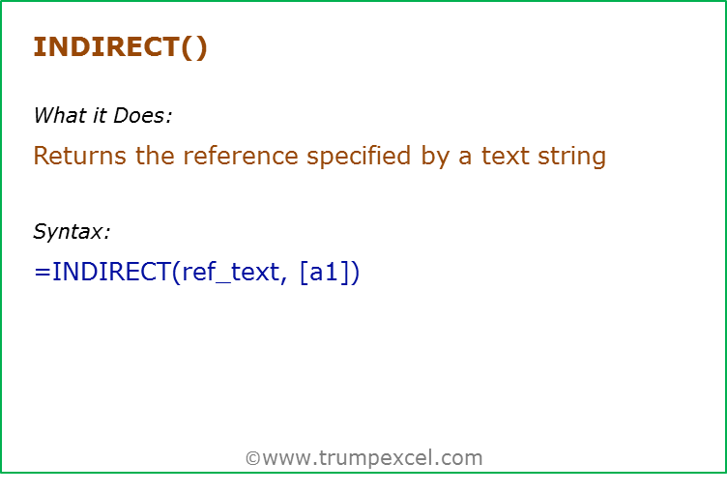
Data Used in Formula
3 |  | 0 | Data | Cell refence'
Hello |  |  |  | A3\
A3 | #VALUE! |  |  | D5

Formula | Result | Commentary
=INDIRECT("A2") | 3 | Returns the value in Cell A2
=INDIRECT("A"&A2) | Hello | Returns the value in Cell A3
=INDIRECT("Hello_NR") | Hello | Returns the value of the Named Range (Hello_NR). Note: A Named range Hello_NR is created for cell A3. This named range is used in Indirect in double quotes
=INDIRECT(A4) | Hello | Refers to A4, which redirects to A3, and returns the value in A3

ROW()
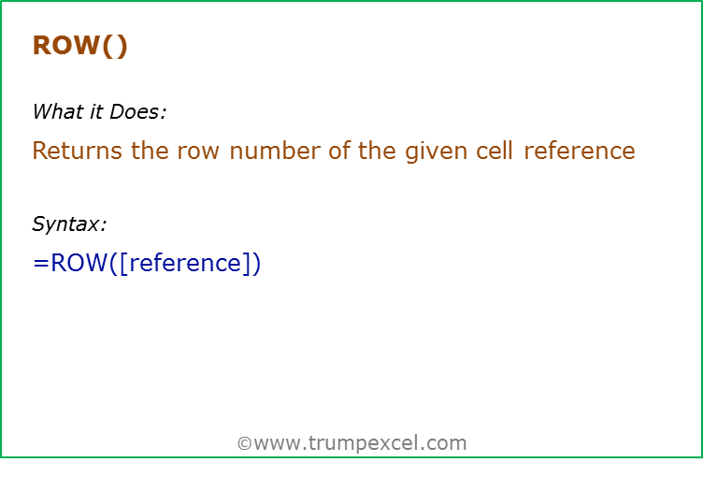
Formula | Result | Commentary
=ROW() | 3 | Returns the row number of the current cell
=ROW(C6) | 6 | Returns the row number of the specified cell. Here in C6, the row number is 6

ROWS()
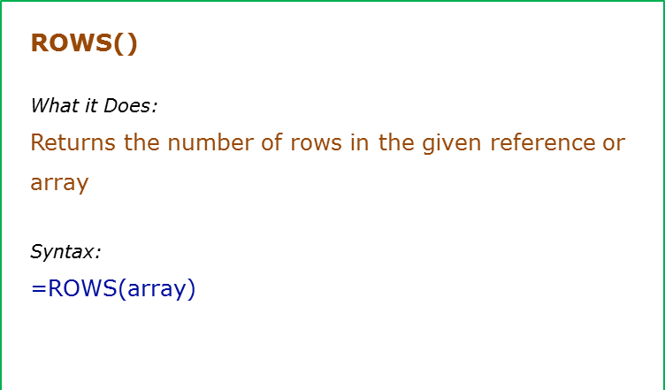
Formula | Result | Commentary | 1 | 2 | 3
=ROWS(A1:A1) | 1 | Returns the number of rows covered in the array A1:A1 (which is 1 row) | 4 | 5 | 6
=ROWS(A1:A4) | 4 | Returns the number of rows covered in the array A1:A4 (which is 4 rows)
=ROWS({1,2,3;4,5,6}) | 2 | Returns the number of rows covered in the array {1,2,3;4,5,6}. Note that comma denotes column and semi-colon denotes row | 21

COLUMN()
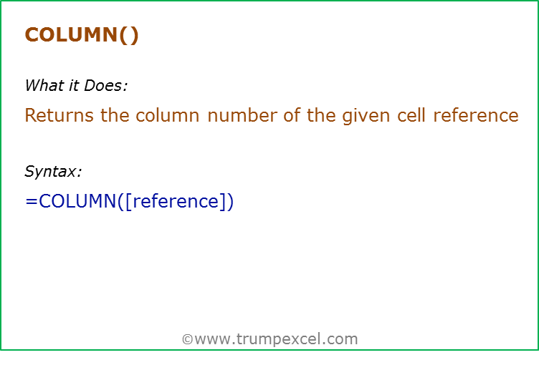
Formula | Result | Commentary
=COLUMN() | 2 | Returns the column number of the current cell
=COLUMN(C8) | 3 | Returns the column number of the specified cell. Here C is the third column and hence it returns 3

 |  | 3

COLUMNS()
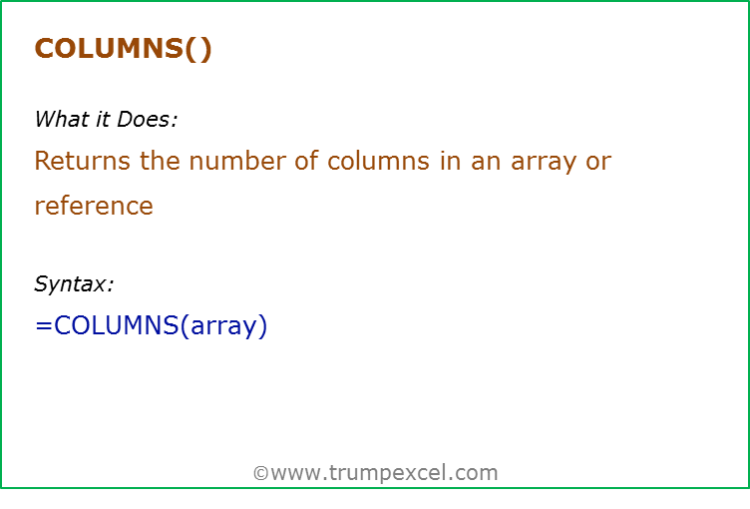
Formula | Result | Commentary
=COLUMNS(A1:A1) | 1 | Returns the number of Columns covered in the array A1:A1 (which is 1 column) | 1 | 2 | 3
=COLUMNS(A1:D1) | 4 | Returns the number of columns covered in the array A1:B1 (which is 4 columns) | 4 | 5 | 6
=COLUMNS({1,2,3;4,5,6}) | 3 | Returns the number of columns covered in the array {1,2,3;4,5,6}. Note that comma denotes column and semi-colon denotes row | 21

 |  |  | 21

