AVERAGE()
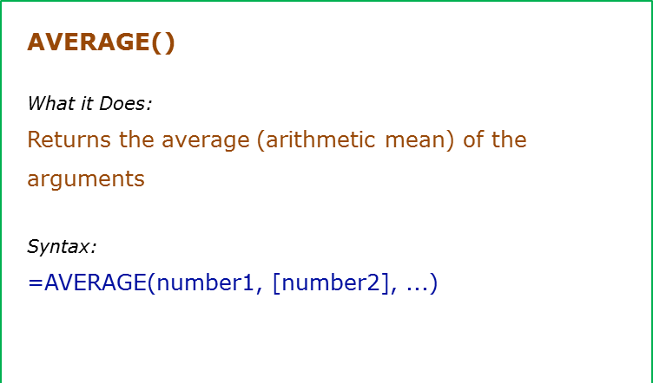
Data Used in Formula
10
12
15
Ram
0

Formula | Result | Commentary
=AVERAGE(A2:A4) | 12.333333333 | Returns average of A2:A4
=AVERAGE(A2:A4,20) | 14.25 | Returns average of A2:A4 and 20
=AVERAGE(A2:A5) | 12.333333333 | Returns average of A2:A5. Since A5 is blank, it is ignored (blanks and text are ignored)
=AVERAGE(A2:A6) | 9.25 | Returns average of A2:A6. Since A5 is blank, it is ignored. Since A6 has 0, it is taken into calculation

AVERAGEIF()
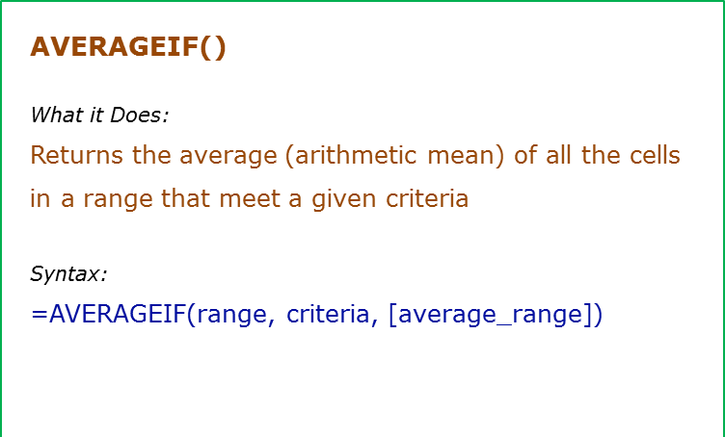
Data Used in Formula
Tom | 10
Jane | 12
Arjun | 15
Tom | 12
Tom | 0

Formula | Result | Commentary
=AVERAGEIF(A2:A6,"Tom",B2:B6) | 7.333 | Averages all the values for Tom
=AVERAGEIF(A2:A6,"*a*",B2:B6) | 12 | Averages all the values for names that have alphabet "a" in it
=AVERAGEIF(B2:B6,">10") | 13 | Average values that are greater than 10

AVERAGEIFS
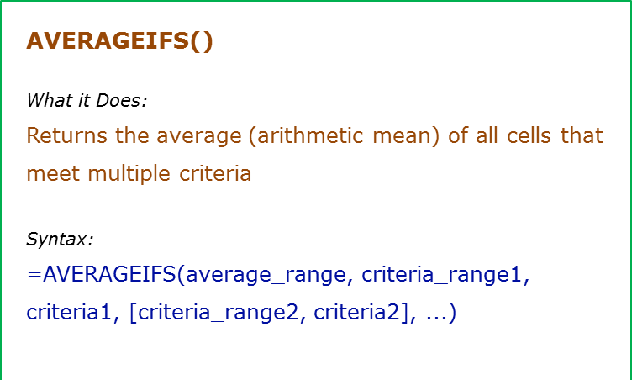
Data Used in Formula
Fruit | Quantity | Price
Apple | 10 | $20
Banana | 21 | $7
Orange | 12 | $12
Papaya | 4 | $32

Formula | Result | Commentary
=AVERAGEIFS(C3:C6,B3:B6,">10",A3:A6,"<>Papaya") | 9.5 | Averages when the quantity is greater than 10 and the fruit is not Papaya
=AVERAGEIFS(C3:C6,C3:C6,">15",A3:A6,"*p*") | 26 | Averages price when price is greater than $15 and fruit name has "p" alphabet in it

COUNT
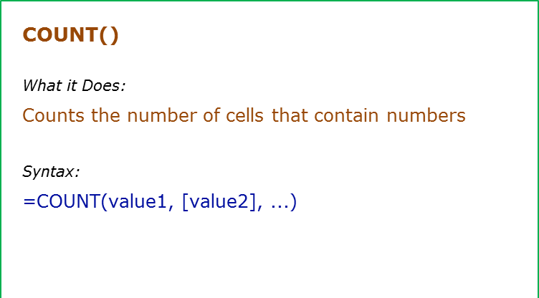
Data Used in Formula
1
2

hello
#DIV/0!
2014-03-03

Formula | Result | Commentary
=COUNT(A2:A6) | 3 | Counts the cells that has number in it
=COUNTA(A2:A6) | 5 | Counts the cells that are not empty
=COUNTBLANK(A2:A6) | 1 | Count the cells that are blank

COUNTIF
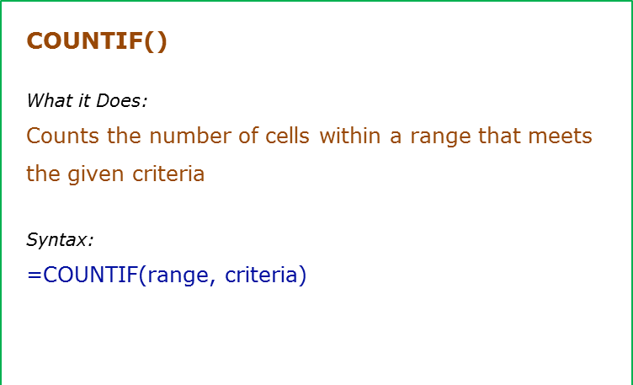
Data Used in Formula
Fruit | Quantity
Apple | 10
Banana | 21
Orange | 12
Apple | 4

Formula | Result | Commentary
=COUNTIF(B3:B6,">10") | 2 | Counts all the cells that have value greater than 10
=COUNTIF(A3:A6,"*a*") | 4 | Counts all cells that have text with "a" in it
=COUNTIF(A3:A6,"Apple") | 2 | Counts all cells that have the text "Apple" in it
=COUNTIF(A3:A6,"?*") | 9 | Count all the cells that have text in it

COUNTIFS
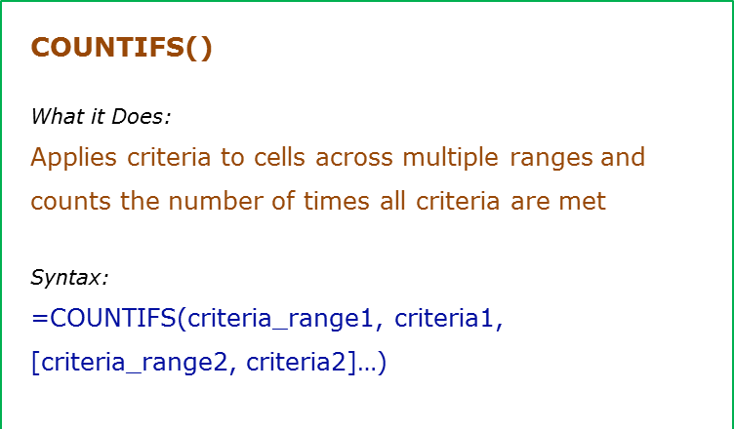
Data Used in Formula
Fruit | Quantity
Apple | 10
Banana | 21
Orange | 12
Apple | 4

Formula | Result | Commentary
=COUNTIFS(B3:B6,">10",A3:A6,"*a*") | 2 | Counts all the cells in B3:B6 that have value greater than 10 and at the same time, cells A3:A6 which have text that contains alphabet "a"
=COUNTIFS(A3:A6,"*a*") | 4 | Counts all cells that have text with "a" in it
=COUNTIFS(A3:A6,"Apple",B3:B6,">20") | 0 | Counts all cells A3:A6 that have the text "Apple" in it and at the same time cell B3:B6 that have value greater than 20

LARGE()
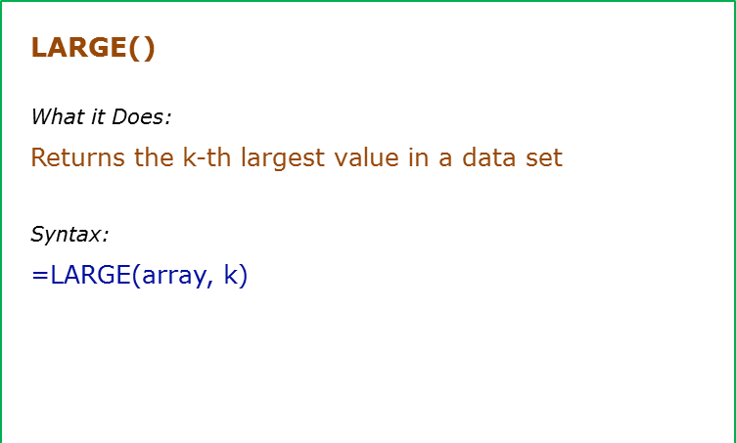
Data Used in Formula
1
5
7
ram
#DIV/0!
9

Formula | Result | Commentary
=LARGE(A2:A4,1) | 7 | Returns the first largest number from the list (A2:A4)
=LARGE(A2:A4,2) | 5 | Returns the second largest number from the list (A2:A4)
=LARGE(A2:A5,1) | 7 | LARGE function ignores blanks (or text)
=LARGE(A2:A7,1) | #DIV/0! | If there is an error in the list, LARGE returns an error

RANK()
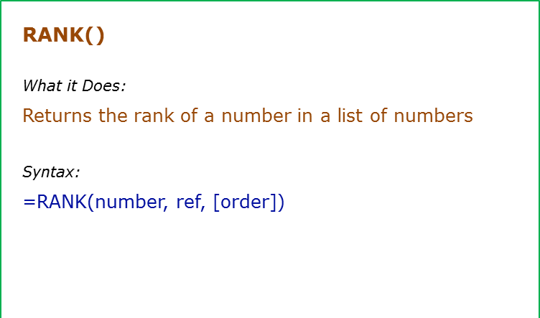
Data Used in Formula
1 | Ram
3 | shyam
3
6

Formula | Result | Commentary
=RANK.EQ(A2,A2:A5) | 4 | Returns the rank of 1 from the list. Note that excel by default takes ascending order rank. Also note than since there is tie, both the 3's get second rank, and 1 gets fourth rank
 | #NAME?

MAX()
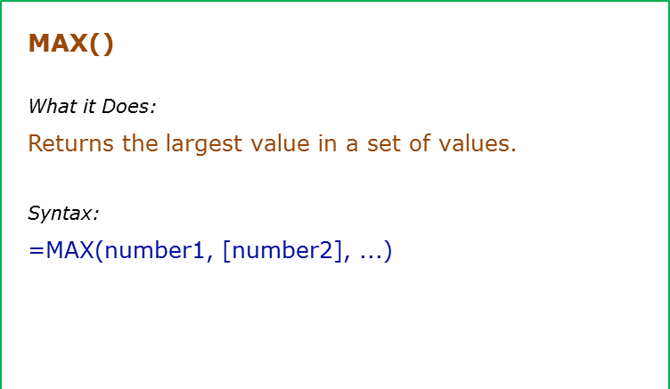
Data Used in Formula
1
5
7
ram
#DIV/0!
9

Formula | Result | Commentary
=MAX(A2:A4) | 7 | Returns the maximum value from the list (A2:A4)
=MAX(A2:A5) | 7 | MAX function ignores blanks (or text)
=MAX(A2:A7) | #DIV/0! | If there is an error in the list, MAX returns an error

MIN()
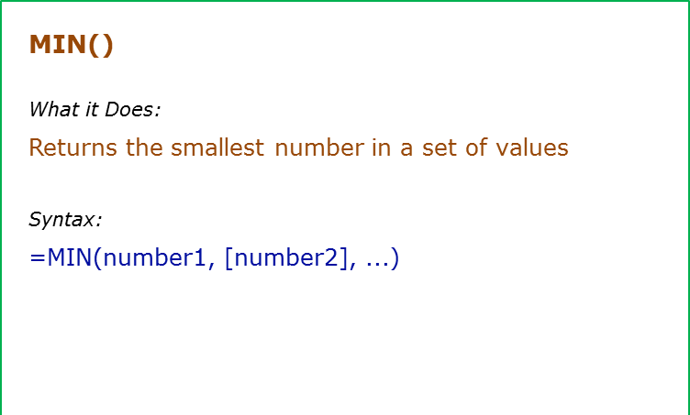
Data Used in Formula
1
5
7

#DIV/0!
9

Formula | Result | Commentary
=MIN(A2:A4) | 1 | Returns the minimum value from the list (A2:A4)
=MIN(A2:A5) | 1 | MIN function ignores blanks (or text)
=MIN(A2:A7) | #DIV/0! | If there is an error in the list, MIN returns an error

