Equity Portfolio of the Bank
Cleaned Data
Raw Data
Raw Data |  |  | Cleaned Data
Quarter | Portfolio Values | Step to resolve | Quarter | Portfolio Values
Q1 2005 | 1,180.59 |  | Q1 2005 | 1180.59
Q2 2005 | 1,191.33 |  | Q2 2005 | 1191.33
Q3 2005 | 1,228.81 |  | Q3 2005 | 1228.81
Q4 2005 | 1,248.29 |  | Q4 2005 | 1248.29
Q1 2006 | 1,294.83 |  | Q1 2006 | 1294.83
Q2 2006 | 1,270.20 |  | Q2 2006 | 1270.2
Q3 2006 | 1,335.85 |  | Q3 2006 | 1335.85
Q4 2006 | 1,418.30 |  | Q4 2006 | 1418.3
Q1 2007 | 1,420.86 |  | Q1 2007 | 1420.86
Q2 2007 | 1,503.35 |  | Q2 2007 | 1503.35
Q3 2007 | 1,526.75 |  | Q3 2007 | 1526.75
Q4 2007 | 1,468.36 |  | Q4 2007 | 1468.36
Q1 2008 | 1,322.70 |  | Q1 2008 | 1322.7
Q2 2008 | 1,280.00 |  | Q2 2008 | 1280
Q3 2008 | 1,166.36 |  | Q3 2008 | 1166.36
Q4 2008 | 903.25 |  | Q4 2008 | 903.25
Q1 2009 | 797.87 |  | Q1 2009 | 797.87
Q2 2009 | 919.32 |  | Q2 2009 | 919.32
Q3 2009 | 1,057.08 |  | Q3 2009 | 1057.08
Q4 2009 | NA | Interpolate | Q4 2009 | 1115.1
Q1 2010 | 1,169.43 |  | Q1 2010 | 1169.43
Q2 2010 | 1,030.71 |  | Q2 2010 | 1030.71
Q3 2010 | 1,141.20 |  | Q3 2010 | 1141.2
Q4 2010 | 1,257.64 |  | Q4 2010 | 1257.64
Q1 2011 | 1,325.83 |  | Q1 2011 | 1325.83
Q2 2011 | 1,320.64 |  | Q2 2011 | 1320.64
Q3 2011 | 1,131.42 |  | Q3 2011 | 1131.42
Q4 2011 | 1,257.60 |  | Q4 2011 | 1257.6
Q1 2012 | 1,408.47 |  | Q1 2012 | 1408.47
Q2 2012 | 1,362.16 |  | Q2 2012 | 1362.16
Q3 2012 | 1,440.67 |  | Q3 2012 | 1440.67
Q4 2012 | 1,426.19 |  | Q4 2012 | 1426.19
Q1 2013 | 1,569.19 |  | Q1 2013 | 1569.19
Q2 2013 | 1,606.28 |  | Q2 2013 | 1606.28
Q3 2013 | 16,815.50 | Move decimal point | Q3 2013 | 1681.55
Q4 2013 | 18,483.60 | Move decimal point | Q4 2013 | 1848.36
Q1 2014 | 1,872.34 |  | Q1 2014 | 1872.34
Q2 2014 | 1,960.23 |  | Q2 2014 | 1960.23
Q3 2014 | 1,972.29 |  | Q3 2014 | 1972.29
Q4 2014 | 2,058.90 |  | Q4 2014 | 2058.9
Q1 2015 | 2,067.89 |  | Q1 2015 | 2067.89
Q2 2015 | 2,063.11 |  | Q2 2015 | 2063.11
Q3 2015 | 1,920.03 |  | Q3 2015 | 1920.03
Q4 2015 | 2,043.94 |  | Q4 2015 | 2043.94
Q1 2016 | 2,059.74 |  | Q1 2016 | 2059.74
Q2 2016 | 2,098.86 |  | Q2 2016 | 2098.86
Q3 2016 | NA | Interpolate | Q3 2016 | 2168.27
Q4 2016 | 2,238.83 |  | Q4 2016 | 2238.83
Q1 2017 | 2,362.72 |  | Q1 2017 | 2362.72
Q2 2017 | 2,423.41 |  | Q2 2017 | 2423.41
Q3 2017 | 2,603.28 |  | Q3 2017 | 2603.28
Q4 2017 | 2,733.48 |  | Q4 2017 | 2733.48

Exploratory Data Analysis
 |  | Correlation Analysis |  |  |  |  | P-Value Analysis (Individually Regressed with Dependent Variable) |  | Final Considerations
Macro-Economic Variables |  | Intuitive Sign of Correlation | Correlation | Correct Sign | Strong Correlation |  | P-Value | Acceptance | Acceptance
BBB Corporate Yield |  | Negative | -0.72500 | YES | YES |  | 0.00000 | YES | Incorporate
Commercial Real Estate Price Index |  | Positive | 0.78264 | YES | YES |  | 0.00000 | YES | Incorporate
Money Supply |  | Positive | 0.85820 | YES | YES |  | 0.00000 | YES | Incorporate
Consumer Confidence Index |  | Positive | 0.80825583754 | YES | YES |  | 0.00000 | YES | Incorporate
Business Confidence Index |  | Positive | 0.63482 | YES | YES |  | 0.00000 | YES | Incorporate
USD/EURO |  | Negative | -0.61536 | YES | YES |  | 0.00000 | YES | Incorporate

Correlation Matrix
 | BBB Corporate Yield | Commercial Real Estate Price Index | Money Supply | Consumer Confidence Index | Business Confidence Index | (USD/euro)
BBB Corporate Yield | 1
Commercial Real Estate Price Index | -0.24208094957 | 1
Money Supply | -0.71275152635 | 0.54710866256 | 1
Consumer Confidence Index | -0.79925957509 | 0.48153871039 | 0.70280152564 | 1
Business Confidence Index | -0.3892170516 | 0.67204980962 | 0.22585325846 | 0.46223294495 | 1
(USD/euro) | 0.55692783054 | -0.47350071327 | -0.58047760457 | -0.59606084045 | -0.31397834964 | 1

 | Portfolio Values | BBB Corporate Yield
 | Portfolio Values | Commercial Real Estate Price Index

 | Portfolio Values | Money Supply
 | Portfolio Values | Consumer Confidence Index

 | Portfolio Values | Business Confidence Index
 | Portfolio Values | (USD/euro)

Qualitative Tests
Qualitative Test
Condition | Plot Test Name | Plot | Comment
Stationarity | ACF |  | ACF values die out at lag 2, PACF values die out at lag 6.
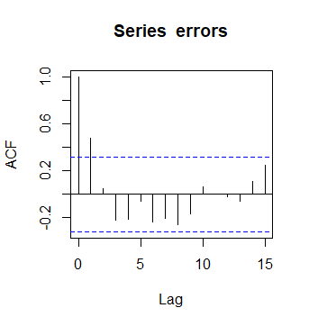

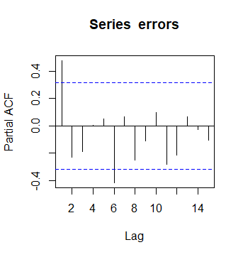
Stationarity | PACF |  | ACF values die out at lag 2, PACF values die out at lag 6.

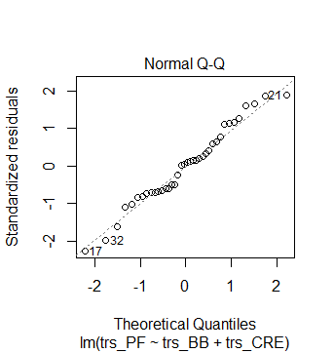
Normality | QQ-Plot of Residuals |  | Model residuals have passed the test of Normality.

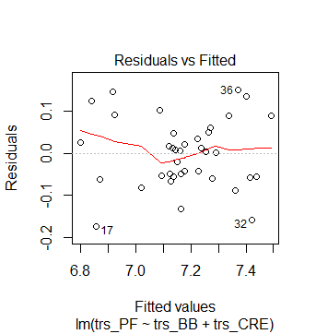
 |  |  | The relationship between the fitted values and residuals is largely a straight line indicating a linear relationship between dependent and independent variables
Linearity | Residual vs Fitted

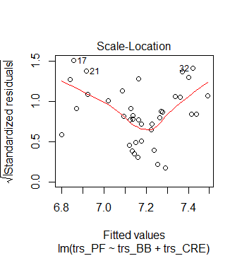
Heteroskedacticity | Scale-Location |  | Plot shows presence of hetereskedasticity

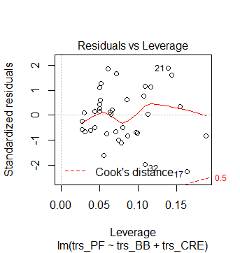
 |  |  | No significant outlier present
Outlier - Analysis | Residual Vs Leverage

In-Sample Analysis
Quarter | Portfolio Values | Fitted Values | Errors | Squared Errors | Absolute% Errors | Residual Analysis
Q1 2005 | 1,180.59 | 1,238.38 | -57.79 | 3340.215176 | 4.90% | MSE | 14508.147
Q2 2005 | 1,191.33 | 1,259.78 | (68.45) | 4685.694775 | 5.75% | RMSE | 120.450
Q3 2005 | 1,228.81 | 1,292.95 | (64.14) | 4113.559814 | 5.22% | MAPE | 6.28%
Q4 2005 | 1,248.29 | 1,277.17 | (28.88) | 834.2656946 | 2.31%
Q1 2006 | 1,294.83 | 1,290.58 | 4.25 | 18.03028457 | 0.33%
In Sample
Q2 2006 | 1,270.20 | 1,260.81 | 9.39 | 88.24657615 | 0.74%
Q3 2006 | 1,335.85 | 1,317.75 | 18.10 | 327.4808124 | 1.35%
Q4 2006 | 1,418.30 | 1,382.62 | 35.68 | 1273.167718 | 2.52%
Q1 2007 | 1,420.86 | 1,431.14 | (10.28) | 105.7734097 | 0.72%
Q2 2007 | 1,503.35 | 1,447.03 | 56.32 | 3172.031782 | 3.75%
Q3 2007 | 1,526.75 | 1,456.53 | 70.22 | 4931.22825 | 4.60%
Q4 2007 | 1,468.36 | 1,486.74 | (18.38) | 337.6683657 | 1.25%
Q1 2008 | 1,322.70 | 1,393.29 | (70.59) | 4982.404054 | 5.34%
Q2 2008 | 1,280.00 | 1,276.27 | 3.73 | 13.89425531 | 0.29%
Q3 2008 | 1,166.36 | 1,255.10 | (88.74) | 7875.427422 | 7.61%
Q4 2008 | 903.25 | 958.25 | (55.00) | 3024.84644 | 6.09%
Q1 2009 | 797.87 | 944.29 | (146.42) | 21437.57451 | 18.35%
Q2 2009 | 919.32 | 885.03 | 34.29 | 1175.746056 | 3.73%
Q3 2009 | 1,057.08 | 919.51 | 137.57 | 18924.99197 | 13.01%
Q4 2009 | 1,115.10 | 1,004.87 | 110.23 | 12149.77657 | 9.88%
Q1 2010 | 1,169.43 | 996.10 | 173.33 | 30042.75902 | 14.82% | The Chart above shows close approximation of the movements in Portfolio Values. The major upward and downward movements of the fitted values is moving along with general trend of the actual data. Additionally the MAPE is less than 10%. This indicates an acceptable in-sample fit
Q2 2010 | 1,030.71 | 1,110.41 | (79.70) | 6352.858886 | 7.73%
Q3 2010 | 1,141.20 | 1,198.61 | (57.41) | 3295.859903 | 5.03%
Q4 2010 | 1,257.64 | 1,232.55 | 25.09 | 629.5498656 | 2.00%
Q1 2011 | 1,325.83 | 1,191.17 | 134.66 | 18132.68955 | 10.16%
Q2 2011 | 1,320.64 | 1,255.20 | 65.44 | 4282.231252 | 4.96%
Q3 2011 | 1,131.42 | 1,289.61 | (158.19) | 25023.80962 | 13.98%
Q4 2011 | 1,257.60 | 1,311.59 | (53.99) | 2915.00857 | 4.29%
Q1 2012 | 1,408.47 | 1,394.72 | 13.75 | 189.130828 | 0.98%
Q2 2012 | 1,362.16 | 1,452.99 | (90.83) | 8250.694868 | 6.67%
Q3 2012 | 1,440.67 | 1,586.90 | (146.23) | 21383.27279 | 10.15%
Q4 2012 | 1,426.19 | 1,685.97 | (259.78) | 67487.19925 | 18.22%
Q1 2013 | 1,569.19 | 1,677.26 | (108.07) | 11679.04284 | 6.89%
Q2 2013 | 1,606.28 | 1,719.58 | (113.30) | 12836.21941 | 7.05%
Q3 2013 | 1,681.55 | 1,551.96 | 129.59 | 16794.52417 | 7.71%
Q4 2013 | 1,848.36 | 1,607.90 | 240.46 | 57822.88068 | 13.01%
Q1 2014 | 1,872.34 | 1,657.15 | 215.19 | 46307.0779 | 11.49%
Q2 2014 | 1,960.23 | 1,823.78 | 136.45 | 18618.78 | 6.96%
Q3 2014 | 1,972.29 | 1,883.89 | 88.40 | 7815.092633 | 4.48%
Q4 2014 | 2,058.90 | 1,974.38 | 84.52 | 7143.921585 | 4.11%
Q1 2015 | 2,067.89 | 2,182.92 | (115.03) | 13232.75175 | 5.56%
Q2 2015 | 2,063.11 | 2,114.02 | (50.91) | 2591.426342 | 2.47%
Q3 2015 | 1,920.03 | 2,044.65 | (124.62) | 15530.55334 | 6.49%
Q4 2015 | 2,043.94 | 1,985.41 | 58.53 | 3425.782429 | 2.86%
Q1 2016 | 2,059.74 | 1,916.83 | 142.91 | 20423.08868 | 6.94%
Q2 2016 | 2,098.86 | 2,130.94 | (32.08) | 1029.437298 | 1.53%
Q3 2016 | 2,168.27 | 2,481.16 | (312.89) | 97900.95943 | 14.43%
Q4 2016 | 2,238.83 | 2,306.58 | (67.75) | 4590.299405 | 3.03%
Q1 2017 | 2,362.72 | 2,204.24 | 158.48 | 25115.96222 | 6.71%
Q2 2017 | 2,423.41 | 2,379.17 | 44.24 | 1957.13279 | 1.83%
Q3 2017 | 2,603.28 | 2,455.01 | 148.27 | 21984.16593 | 5.70%
Q4 2017 | 2,733.48 | 2,438.81 | 294.66 | 86827.43722 | 10.78%

Out-of-Sample Analysis
Evaluation Period: 8 years |  |  |  | Validation Period : 2 Years
Quarter | Log Transformed CRE | Log Transformed BB Corporate Yield | Log Transformed Portfolio Values | Quarter | Log Transformed CRE | Log Transformed BB Corporate Yield | Portfolio Value | Fitted (basis 8 years) | Errors | Errors Squared | Absolute % Errors | SUMMARY OUTPUT
Q1 2005 | 5.187 | 1.686 | 7.073769593 | Q3 2015 | 5.549 | 1.504 | 1,920.03 | 2,010.79 | (90.76) | 8238.202314 | 4.727%
Q2 2005 | 5.220 | 1.705 | 7.082825609 | Q4 2015 | 5.537 | 1.526 | 2,043.94 | 1,954.10 | 89.84 | 8072.098449 | 4.396% | Regression Statistics
Q3 2005 | 5.247 | 1.705 | 7.1138015 | Q1 2016 | 5.501 | 1.526 | 2,059.74 | 1,889.72 | 170.02 | 28905.25101 | 8.254% | Multiple R | 0.93758991013
Q4 2005 | 5.293 | 1.775 | 7.129529894 | Q2 2016 | 5.513 | 1.411 | 2,098.86 | 2,096.78 | 2.08 | 4.33727929 | 0.099% | R Square | 0.87907483957
Q1 2006 | 5.318 | 1.792 | 7.166134691 | Q3 2016 | 5.583 | 1.308 | 2,168.27 | 2,430.58 | (262.31) | 68806.9972 | 12.098% | Adjusted R Square | 0.87287354929
Q2 2006 | 5.361 | 1.872 | 7.146929647 | Q4 2016 | 5.595 | 1.411 | 2,238.83 | 2,261.15 | (22.32) | 497.9757229 | 0.997% | Standard Error | 0.080676878976
Q3 2006 | 5.394 | 1.856 | 7.197323072 | Q1 2017 | 5.568 | 1.435 | 2,362.72 | 2,164.05 | 198.67 | 39468.13002 | 8.408% | Observations | 42
Q4 2006 | 5.403 | 1.808 | 7.25721425 | Q2 2017 | 5.606 | 1.386 | 2,423.41 | 2,330.44 | 92.97 | 8644.292683 | 3.837%
Q1 2007 | 5.438 | 1.808 | 7.259017601 | Q3 2017 | 5.617 | 1.361 | 2,603.28 | 2,402.79 | 200.49 | 40196.45686 | 7.701% | ANOVA
Q2 2007 | 5.476 | 1.841 | 7.31545123 | Q4 2017 | 5.631 | 1.386 | 2,733.48 | 2,386.07 | 347.41 | 120691.4007 | 12.709% |  | df | SS | MS | F | Significance F
Q3 2007 | 5.509 | 1.872 | 7.330896572 |  |  |  |  |  |  |  |  | Regression | 2 | 1.8453211645 | 0.92266058226 | 141.75676353 | 1.2855089616E-18
Q4 2007 | 5.517 | 1.856 | 7.291901411 |  |  |  |  |  |  |  |  | Residual | 39 | 0.25384159325 | 0.0065087588014
Q1 2008 | 5.464 | 1.872 | 7.187430381 | Residual Analysis |  |  |  |  |  |  |  | Total | 41 | 2.0991627578
Q2 2008 | 5.412 | 1.917 | 7.154615357 | MSE | 32352.51422
Q3 2008 | 5.442 | 1.974 | 7.061643067 | RMSE | 179.8680467 |  |  |  |  |  |  |  | Coefficients | Standard Error | t Stat | P-value | Lower 95% | Upper 95% | Lower 95.0% | Upper 95.0%
Q4 2008 | 5.389 | 2.241 | 6.80599937 | MAPE | 6.3226% |  |  |  |  |  |  | Intercept | 3.665336948 | 0.47665907315 | 7.6896405722 | 2.4686369542E-09 | 2.7012029688 | 4.6294709273 | 2.7012029688 | 4.6294709273
Q1 2009 | 5.338 | 2.197 | 6.681945677 |  |  |  |  |  |  |  |  | Log Transformed DJI | 0.92848735675 | 0.089435385313 | 10.381655466 | 8.7651557539E-13 | 0.74758721495 | 1.1093874986 | 0.74758721495 | 1.1093874986
OOS
Q2 2009 | 5.193 | 2.104 | 6.823634266 |  |  |  |  |  |  |  |  | Log Transformed CREPI | -0.80534334137 | 0.057539101865 | -13.996453112 | 8.5996140726E-17 | -0.92172716026 | -0.68895952249 | -0.92172716026 | -0.68895952249
Q3 2009 | 5.075 | 1.917 | 6.963265669
Q4 2009 | 5.075 | 1.808 | 7.016699366
Q1 2010 | 5.024 | 1.758 | 7.06427173
Q2 2010 | 5.106 | 1.723 | 6.938003164
Q3 2010 | 5.106 | 1.629 | 7.039835619
Q4 2010 | 5.118 | 1.609 | 7.136992228
Q1 2011 | 5.147 | 1.686 | 7.189793957
Q2 2011 | 5.153 | 1.629 | 7.185871747
Q3 2011 | 5.147 | 1.589 | 7.03122876
Q4 2011 | 5.182 | 1.609 | 7.136960422
Q1 2012 | 5.193 | 1.548 | 7.250259288
Q2 2012 | 5.198 | 1.504 | 7.216826954
Q3 2012 | 5.231 | 1.435 | 7.272863562
Q4 2012 | 5.231 | 1.361 | 7.262761832
Q1 2013 | 5.247 | 1.386 | 7.358314842
Q2 2013 | 5.293 | 1.411 | 7.381676226 | The chart above shows that on an average the fitted value revolves around the actual portfolio value indicating that the model is able to predict the actual value closely and will in general predict the value correctly. Additionally the MAPE is below 10%. Hence the outsample analysis also looks to be acceptable
Q3 2013 | 5.338 | 1.589 | 7.427471266
Q4 2013 | 5.357 | 1.569 | 7.522054038
Q1 2014 | 5.352 | 1.526 | 7.534944264
Q2 2014 | 5.394 | 1.459 | 7.580817092
Q3 2014 | 5.407 | 1.435 | 7.586950583
Q4 2014 | 5.455 | 1.435 | 7.629927139
Q1 2015 | 5.517 | 1.386 | 7.634284043
Q2 2015 | 5.525 | 1.435 | 7.631969832

Final Calculations
 | Portfolio Value |  |  |  | Expected 9Q Loss Under Each Scenario |  |  | Required Capital
Quarter | Baseline | Adverse | Severely Adverse | Initial Portfolio Value (Q4 2017) | Baseline | Adverse | Severely Adverse | 166.09
Q1 2018 | 2,415.13 | 2,481.02 | 1,435.27 | 2,733.48 | 517.62 | 877.66 | 1,763.11
Q2 2018 | 2,355.04 | 2,204.24 | 1,203.13
Q3 2018 | 2,334.83 | 2,058.86 | 1,070.11
Q4 2018 | 2,323.25 | 1,932.08 | 976.32
Q1 2019 | 2,312.24 | 1,829.22 | 898.79
Q2 2019 | 2,294.32 | 1,807.12 | 877.81
Q3 2019 | 2,284.48 | 1,823.49 | 884.92
Q4 2019 | 2,275.10 | 1,855.82 | 925.46
Q1 2020 | 2,215.86 | 1,855.82 | 970.37
Q2 2020 | 2,236.75 | 1,932.38 | 1,038.29
Q3 2020 | 2,215.24 | 1,977.09 | 1,108.02
Q4 2020 | 2,228.95 | 2,023.69 | 1,200.03
Q1 2021 | 2,249.50 | 2,123.11 | 1,325.95

