Sheet1
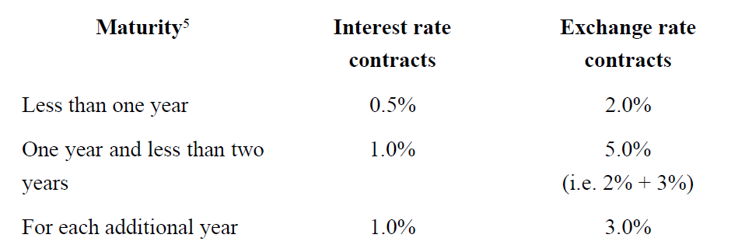
1) Computation of exposure to derivatives

Counterparty A (netting applicable)
 |  |  |  |  | Original exposure method |  | Current exposure method
Instrument | Original maturity | Residual maturity | MTM | Notional | PFE % | PFE * Notional | PFE % | PFE * Notional | Final exposure
IRS1 | 3 | 2.5 | 80 | 50 | 2.00% | 1.00 | 0.50% | 0.25 | 80.25
IRS2 | 3 | 2 | -20 | 100 | 1.00% | 1.00 | 0.50% | 0.50 | 0.50
FXS1 | 5 | 4 | -30 | 150 | 14.00% | 21.00 | 5.00% | 7.50 | 7.50
FXS2 | 7 | 2 | 10 | 30 | 20.00% | 6.00 | 5.00% | 1.50 | 11.50
CF | 0.25 | 0.25 | 100 | 25 | 2.00% | 0.50 | 1.00% | 0.25 | 100.25
 |  |  |  |  |  | 29.50 |  |  | 200.00

Counterparty B (netting not applicable)
 |  |  |  |  | Original exposure method |  | Current exposure method
Instrument | Original maturity | Residual maturity | MTM | Notional | PFE % | PFE * Notional | PFE % | PFE * Notional | Final exposure
IRS1 | 1 | 0.5 | 40 | 50 | 0.50% | 0.25 | 0.00% | - | 40.00
FXS1 | 3 | 1 | 20 | 100 | 8.00% | 8.00 | 1.00% | 1.00 | 21.00
FXS2 | 10 | 8 | -50 | 150 | 14.00% | 21.00 | 5.00% | 7.50 | 7.50
FXS3 | 5 | 3 | -10 | 30 | 29.00% | 8.70 | 5.00% | 1.50 | 1.50
CF | 0.25 | 0.25 | 30 | 25 | 2.00% | 0.50 | 1.00% | 0.25 | 30.25
Forex forward | 0.01 | 0.01 | 10 | 25 | 0.00% | - | 0.00% | - | -
FX option | 0.5 | 0.25 | 10 | 25 | 2.00% | 0.50 | 1.00% | 0.25 | 10.25
IRS2 (single currency floating-floating) | 3 | 2 | -20 | 50 | 1.00% | 0.50 | 0.50% | 0.25 | 0.25
 |  |  |  |  |  | 39.45 |  |  | 110.75

Counterparty A with netting
Gross replacement cost | <<< Sum of positive MTM | 190
Net replacement cost | <<< Sum of MTM, floored to 0 | 140
Net to gross ratio | <<< NRC/GRC, floored at 0 and capped at 1 | 0.74
A gross | <<< Sum of PFEs | 10.00
A net | <<< Final PFE to be considered | 8.42
Final exposure | <<< Sum of MTM and Anet | 148.42

Exposure under OEM | 68.95
Exposure under CEM | 310.75
Exposure under CEM with netting | 259.17

