Classwork
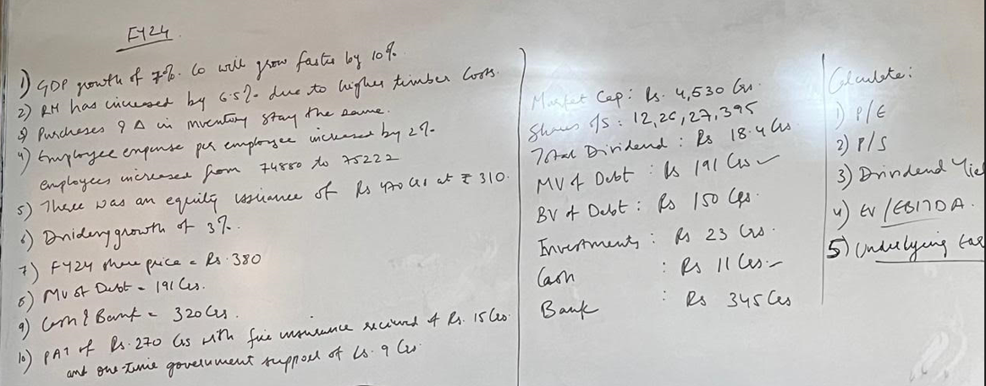
In Crs | FY23 | Driver |  | FY24
Revenue from operations | 1,782.85 | GDP growth of 7%. The Co will grow faster by 10% | 7%*1.01 | 1,920.13
Raw Material consumed | 736.68 | Timber prices have increased by 6.5% |  | 784.56
Purchases of stock in trade | 14.68 | No change vs last year |  | 15.81
Change in Inventory | -5.58 | No change vs last year |  | -6.01
Emp Exp | 136.58 | Employee expense increase by 2% |  | 139.95
Other expenses | 489.97 | No change vs last year |  | 527.70
Ebitda | 410.52 |  |  | 458.12

Purchases of stock in trade (as a % of sales) | 0.82% |  |  | 0.82%
Change in Inventory (as a % of sales | -0.31% |  |  | -0.31%

Expense per employee | 18,240 |  |  | 18,605
No of employees | 74,880 |  |  | 75,222

Other expenses (as a % of sales) | 27.48% |  |  | 27.48%

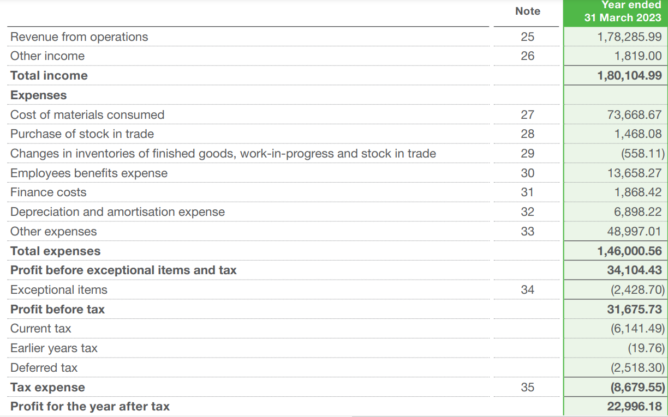
Shares Outstanding | 122,627,395
Equity Issuance (Value) | 4,700,000,000
Issue price per share | 310
No of new shares | 15,161,290

Total shares outstanding | 137,788,685
FY24 MPS | 380

Enterprise Value:
Market Value of Equity | 5,236
Market Value of Debt | 191
Cash and Bank | 320
 | 5,107

Dividend in FY23 (Crs) | 18.40
Dividend per share (FY23) | 1.50
Dividend per share (FY24) increase by 3% | 1.55

Ratios
P/E | MPS | 380.00
 | EPS | 19.60

 | P/E | 19.39

P/S | MPS | 380.00
 | SPS | 139.35

 | P/S | 2.73

EV/Ebitda | EV | 5,106.97
 | Ebitda | 458.12

 | Ev/Ebitda | 11.15

Dividend Yield | DPS | 1.55
 | MPS | 380.00

 | Dividend Yield | 0.41%

Underlying earnings | PAT | 270.00
 | Fire insurance | 15.00
 | Government Grant | 9.00
 |  | 246.00

Homework
Calculate the following for FY23: | (In Lacs) |  |  |  | In Lacs - ABC Sugar Mill Limited
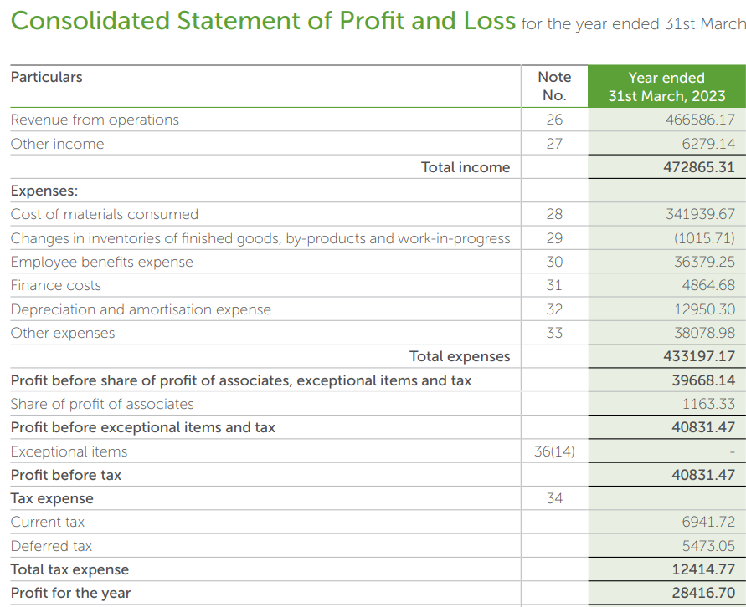
1) | P/E
2) | P/S
3) | EV/Ebitda
4) | Dividend Yield |  | 2,332,930

Further information:
Shares Outstanding | 201,749,245
Share price | 383
Dividend per share | 2.5

Market Value of Debt | 187,860.0
Cash Balance | 31.0
Bank Balance | 1,158.5
Investment in Mutual funds | 6,125.1
Controlling stake of 51% in a Subsidiary Co | 21,034.0

Calculate the following for FY24, FY25, and FY26:
1) | P/E
2) | P/S
3) | EV/Ebitda
4) | Dividend Yield

Further information:
 | FY20 | FY21 | FY22 | FY23 | FY24 | FY25 | FY26
Sugar Industry | 2,634,052 | 2,733,896 | 2,662,652 | 2,332,931
ABC Market share | 18.0% | 17.6% | 18.2% | 20.0%
Opening Stock (Tonnes) | 7,237,000 | 6,848,000 | 6,440,000 | 5,327,000
Sugar produced (Tonnes) | 11,673,000 | 10,979,000 | 9,096,000 | 8,833,000
Sugar sold (Tonnes) | 12,053,000 | 11,326,000 | 10,263,000 | 9,038,000
Closing Stock (Tonnes) | 6,857,000 | 6,501,000 | 5,273,000 | 5,122,000
Sugar prices (per tonne) | 3,034 | 3,201 | 3,471 | 3,597
Share price |  |  |  |  | 450 | 550 | 380
PAT |  |  |  |  | 70,650 | 70,240 | 44,170

1) The industry will grow by 5% in FY24 and FY25. Post which, due to market downturn, the Co will degrow by 15%
2) Market share grows by 0.5% in FY24, FY25, and FY26.
3) Sugar Prices to increase by 5.5% in FY24, 6% in FY25, and decrease by 10% in FY26
4) Raw Material prices increased by 3% in FY24 and FY25, and then decreased by 8%
5) No change in Employee expenses and Other expenses
6) Dividend to grow by 10% every year
7) Due to downturn in the industry in FY26, the Co raised equity of Rs. 250 Crs at Rs. 360 per share

