LEFT()
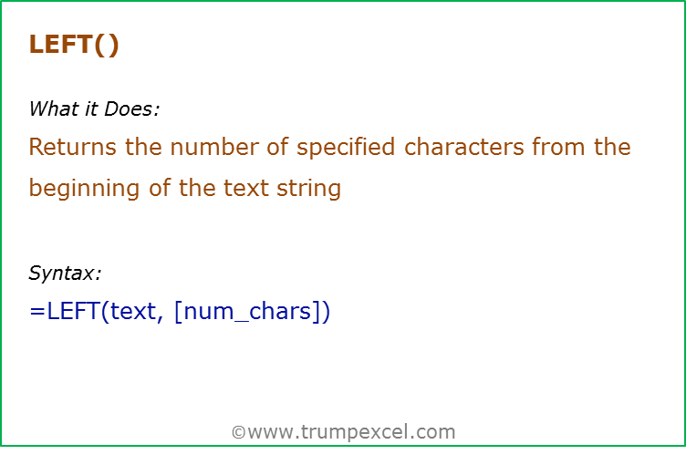
Data Used in Formula
Hello

Formula | Result | Commentary
=LEFT("Hello",2) | He | Extract 2 characters from the left of the text Hello
=LEFT(A2,2) | He | Extract 2 characters from the left of the text Hello (which is in the cell A2)
=LEFT(A2) | H | If the number of characters are not specified, the first character from the left is extracted
=LEFT(A2,8) | Hello | If the number of characters specified is greater than the length of the text, entire text is returned
=LEFT(A2,0) |  | If the number of characters specified is 0, it returns a blank ("")
=LEFT(A2,-1) | #VALUE! | If the number of characters specified is negative, it returns an error

RIGHT()
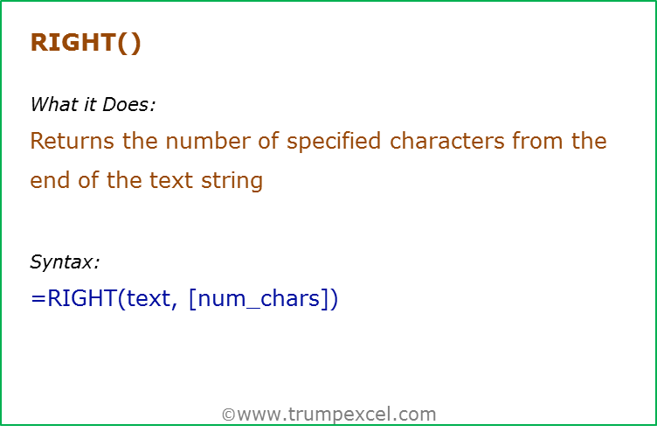
Data Used in Formula
Hello

Formula | Result | Commentary
=RIGHT("Hello",2) | lo | Extract 2 characters from the right of the text Hello
=RIGHT(A2,2) | lo | Extract 2 characters from the right of the text Hello (which is in the cell A2)
=RIGHT(A2) | o | If the number of characters are not specified, the first character from the right is extracted
=RIGHT(A2,8) | Hello | If the number of characters specified is greater than the length of the text, entire text is returned
=RIGHT(A2,0) |  | If the number of characters specified is 0, it returns a blank ("")
=RIGHT(A2,-1) | #VALUE! | If the number of characters specified is negative, it returns an error

MID()
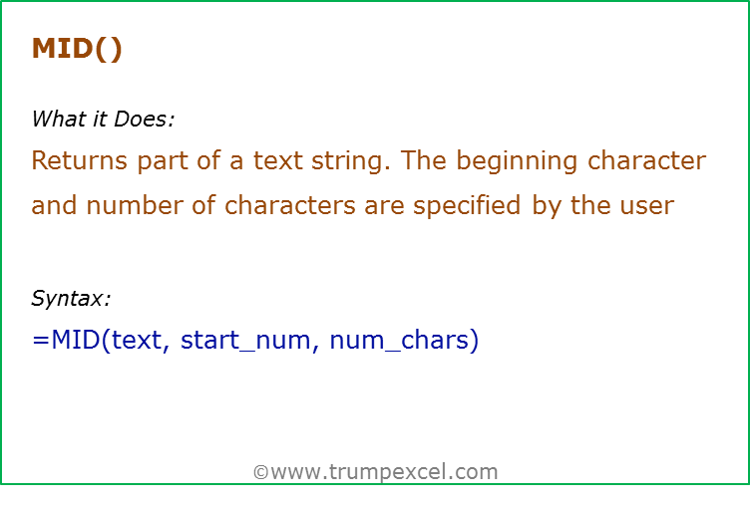
Data Used in Formula
Trump Excel

Formula | Result | Commentary
=MID("Hello",1,2) | He | Extracts 2 characters beginning from the 1st character
=MID(A2,7,5) | Excel | Extracts 5 characters beginning from the 7th character
=MID(A2,15,5) |  | If the start number is larger than the length of the string, formula returns a blank ("")
=MID(A2,1,15) | rump Excel | If the number of characters specified are larger than the total number of characters, the entire string is returned (beginning from the starting number)
=MID(A2,-1,15) | #VALUE! | Returns an error if start number is negative (or 0)
=MID(A2,1,-1) | #VALUE! | Returns an error if number of characters specified is negative.

LEN()
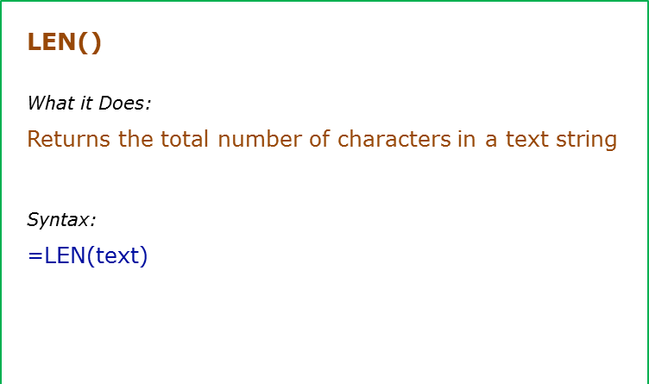
Data Used in Formula
Hello | 123
Excel

Formula | Result | Commentary
=LEN("Hello") | 5 | Returns the number of characters in the text Hello
=LEN(A2) | 10 | Returns the number of characters in the text Hello (which is in cell A2)
=LEN("123") | 3 | Returns the number of characters for numbers as well
=LEN(B2) | 3 | Returns the number of characters for numbers as well

LOWER
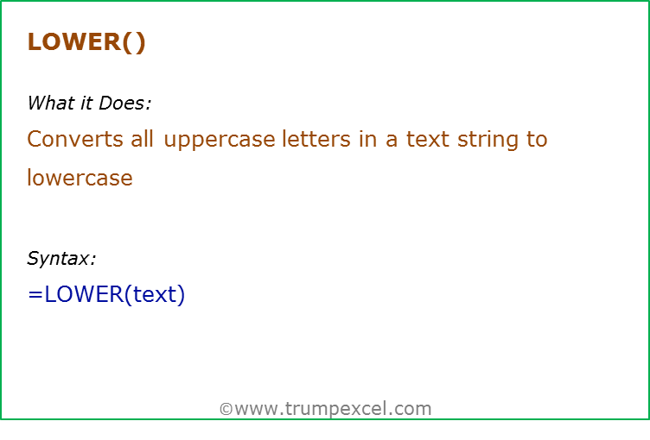
Data Used in Formula
HELLO | HelLo

Formula | Result | Commentary
=LOWER("HELLO") | hello | All upper case alphabets are converted to lower case
=Lower(A2) | hello | All upper case alphabets (in cell A2) are converted to lower case
=Lower(B2) | hello | All upper case alphabets (in cell B2) are converted to lower case
=LOWER("123@!") | 123@! | Numbers and special characters remain unaffected

PROPER()
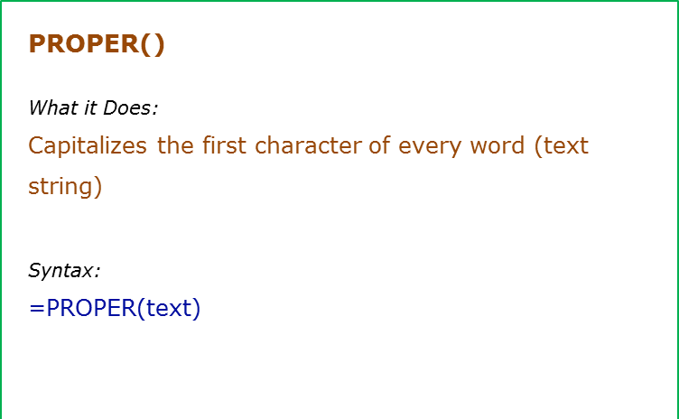
Data Used in Formula
trump eXcel
S.bansal
It's Awesome

Formula | Result | Commentary
=PROPER("hello") | Hello | Capitalizes the first alphabet of the word, and rest all are converted to lower case
=PROPER(A2) | Trump Excel | Capitalizes the first alphabet of each word, and rest all are converted to lower case
=PROPER(A4) | It'S Awesome | This could be one disadvantage, as it capitalizes any alphabet that follows a special characters

UPPER()
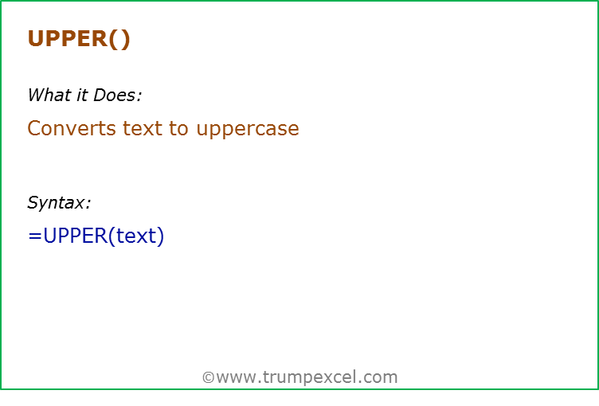
Data Used in Formula
hello | HelLo

Formula | Result | Commentary
=UPPER("hello") | HELLO | All lower case alphabets are converted to upper case
=UPPER(A2) | HELLO | All lower case alphabets (in cell A2) are converted to upper case
=UPPER(B2) | HELLO | All lower case alphabets (in cell B2) are converted to upper case
=UPPER("123@!") | 123@! | Numbers and special characters remain unaffected

FIND()
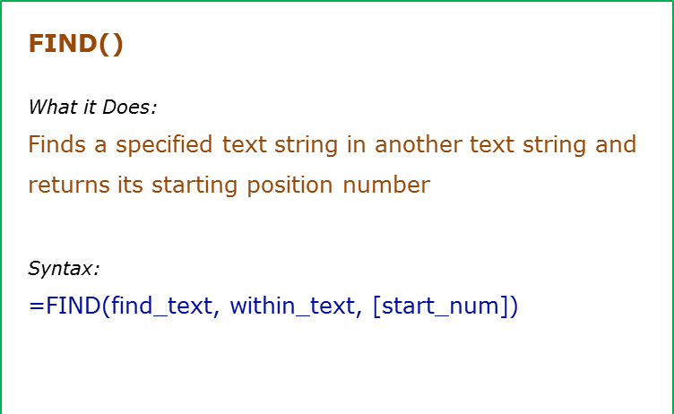
Data Used in Formula
Excel | E
Excellent Excel

Formula | Result | Commentary
=FIND("E",A2) | 1 | Finds the first occurrence of "E" in Excel. Since we did not give the start number, it used the default value of 1
=FIND("E",A2,1) | 1 | Finds the first occurrence of "E" in Excel. Specified the start number as 1 in this case.
=FIND("e",A2) | 4 | Finds the first occurrence of "e". Note that FIND is case sensitive, so it returns 4 (and not 1)
=FIND(B2,A2) | 1 | Finds the first occurrence of the value in cell B2 (which is "E") in Excel.
=FIND(B2,A3,2) | 11 | Finds the first occurrence of the value in cell B2 (which is "E"), but starts with the second character. It does not mean that this does not count the first E. It counts the first E as well, but ignores it and start finding from 2nd character onwards

REPLACE()
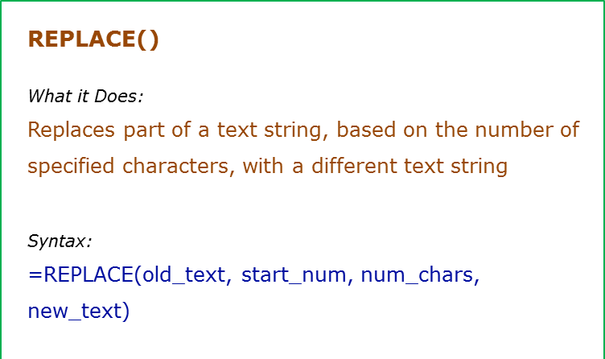
Data Used in Formula
abcdefghij
trumpexcel@gmail.com

Formula | Result
=REPLACE(A2,5,4,"*") | abcd*ij
=REPLACE(A3,11,10,"") | trumpexcel
=REPLACE(A2,-1,4,"*") | #VALUE!
=REPLACE(A2,1,-1,"*") | #VALUE!

SUBSTITUTE()
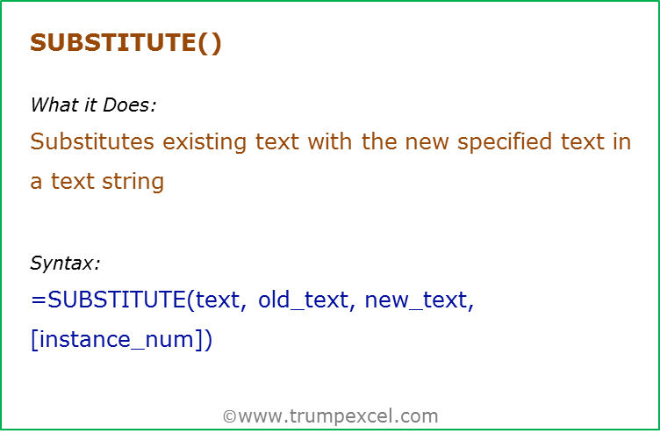
Data Used in Formula
abcdabcdabcd
123@@@123

Formula | Result
=SUBSTITUTE(A2,"a","Z",1) | aZcdabcdabcd
=SUBSTITUTE(A2,"a","Z",3) | abcdabcdZbcd
=SUBSTITUTE(A2,"a","Z") | ZbcdZbcdZbcd
=SUBSTITUTE(A2,"A","Z",1) | abcdabcdabcd
=SUBSTITUTE(A2,"A","Z",-1) | #VALUE!
=SUBSTITUTE(A3,"@","|") | 123|||123

