Sheet2
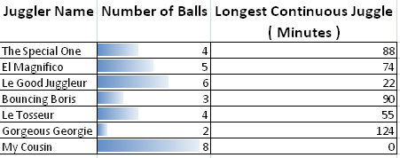
Apply conditional formatting to the second column so that it appears as shown in the diagram below:

This conditional format uses Data Bars.

Now apply conditional formatting to the third column so that the values that are above and below the average are formatted differently.

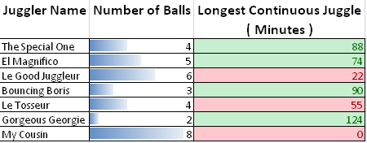
Feel free to choose different colours.

When you've finished, save your file as c.

