Sheet2
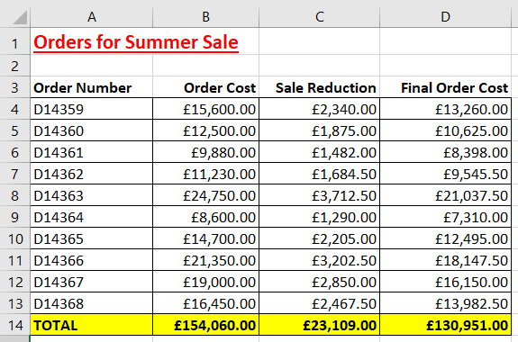
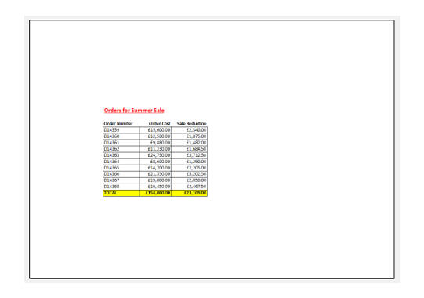
Open the file in the folder shown above.

We want to print this worksheet

Make the following changes before printing:

Change the orientation to landscape
Change all the page margins to 6cm
Only print cells A1:C14

The worksheet will look similar to this in print preview, before printing:

The worksheet looks like this in Print Preview

Exit the Print screen and save the workbook in your work folder.

