Axis Bank
 |  |  |  |  | AXIS BANK

Month/year | Revenue | Interest | Depriciation | Profit Before Tax | PAT | Current Assets | Current Liabilities | Liquid assets | Current Ratio | Quick Ratio | Cost of goods sold | Gross Profit Margin | Net Profit Margin | Debt/Equity Ratio | Share Price | Earning Per share | Investors Ratio | ROE
2022-03-11 | 15155 | 8589 | 294 | 5097 | 3340 | 2270 | 8238 | 71788 | 0.2755523 | 8.714251 | 13894 | 8.320686 | 22.03893 | 8235 | 411 | 16.27 | 25.26122 | 19%
2022-03-12 | 21995 | 13969 | 348 | 6270 | 4220 | 2204 | 8675 | 92921 | 0.2540634 | 10.71135 | 4840 | 77.995 | 19.18618 | 9645 | 413 | 20.42 | 20.22527 | 20%
2022-03-13 | 27202 | 17513 | 359 | 7625 | 5235 | 2245 | 11145 | 113378 | 0.2014356 | 10.17299 | 10939 | 59.78605 | 19.24491 | 4525 | 468 | 22.37 | 20.92088 | 19%
2022-03-14 | 30736 | 18703 | 375 | 9479 | 6310 | 2346 | 14674 | 11093 | 0.1598746 | 0.755963 | 14166 | 53.91072 | 20.52967 | 5241 | 470 | 26.86 | 17.49814 | 18%
2022-03-15 | 35727 | 21341 | 420 | 11283 | 7448 | 2447 | 15656 | 118527 | 0.1562979 | 7.570708 | 7972 | 77.68634 | 20.84698 | 5682 | 474 | 31.42 | 15.08593 | 18%
2022-03-16 | 41409 | 24344 | 461 | 12690 | 8350 | 3358 | 20678 | 131399 | 0.1623948 | 6.354531 | 9211 | 77.75604 | 20.1647 | 2122 | 477 | 35.04 | 13.61301 | 18%
2022-03-17 | 45175 | 26789 | 527 | 5954 | 3953 | 3518 | 27644 | 129018 | 0.1272609 | 4.667125 | 12458 | 72.4228 | 8.750415 | 3126 | 479 | 16.51 | 29.01272 | 17%
2022-03-18 | 46614 | 27604 | 591 | 566 | 456 | 3697 | 28071 | 153037 | 0.1317018 | 5.451783 | 10007 | 78.5322 | 0.978247 | 1252 | 513 | 1.78 | 288.2022 | 7%
2022-03-19 | 56044 | 33883 | 737 | 7592 | 5039 | 3842 | 34248 | 174056 | 0.1121817 | 5.082224 | 18674 | 66.67975 | 8.99115 | 5458 | 514 | 19.59 | 26.23788 | 1%
2022-03-20 | 63716 | 37996 | 806 | 5280 | 1853 | 3912 | 44194 | 155282 | 0.0885188 | 3.513644 | 9485 | 85.11363 | 2.908218 | 6595 | 564 | 6.57 | 85.84475 | 8%
2022-03-21 | 64696 | 34926 | 979 | 97750 | 7196 | 4012 | 46859 | 225336 | 0.0856186 | 4.808809 | 54288 | 16.08755 | 11.12279 | 3545 | 613 | 23.49 | 26.09621 | 2%

Question 1)
Liquidity Ratios:
 | 1.Current Ratio=Current Assets/Current Liability
 | 2.Quick Ratio=Liquid assets/Current liability

Question 2)
Profitability Ratios:
 | 1.Gross Profit Margin |  | (Revenue-Cost of sales/Revenue*100)
 | 2.Net Profit Margin= |  | PAT/Revenue*100
Question 3)
Gearing Ratios
 | 1.Debt to Equity Ratio=Total Debt/Total Equity

Question 4)
Investors Ratio or P/E ratio=Share Price/Earning per share
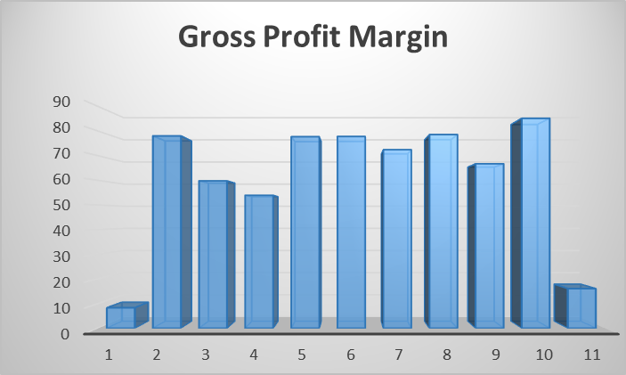
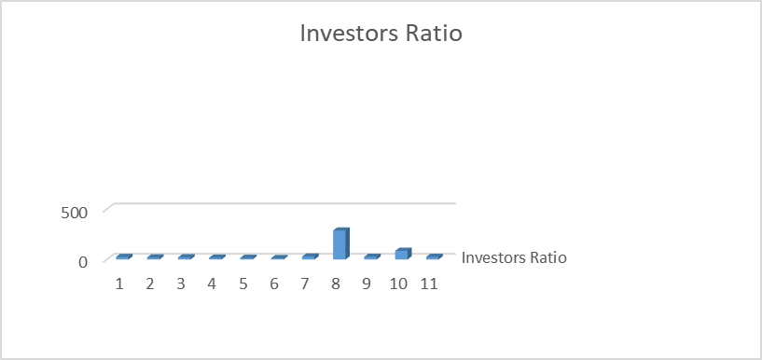
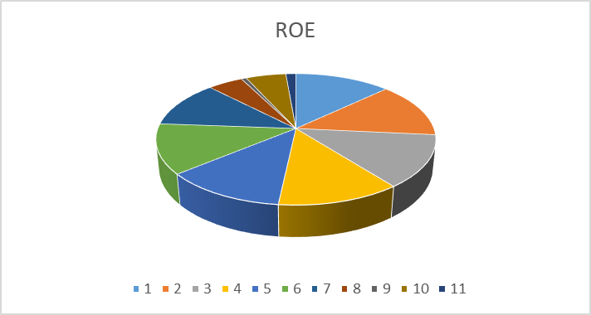

IDFC Bank
IDFC BANK

Ratios | Formula | 2012-03-12 | 2013-03-13 | 2014-03-14 | 2015-03-15 | 2016-03-16 | 2017-03-17 | 2018-03-18 | 2019-03-19 | 2020-03-20 | 2021-03-21

1) Liquidity Ratio |  | The Company started it's operations on 2015

Current Ratio | Current Assets / Current Liability |  |  |  |  | 0.69 | 0.73 | 0.85 | 1.12 | 0.37 | 0.54
Quick Ratio | Current Assets - Inventory / Current Liability |  |  |  |  | 0.69 | 0.73 | 0.85 | 1.12 | 0.37 | 0.54
*Notes |  |  |  |  |  | Being a bank all the current assets are quickly realizable and hence both, current and quick ratios are the same.

2) Profitability Ratio

RoCE | EBIT / Equity + Reserves + Borrowings |  |  |  |  | 0.04 | 0.08 | 0.07 | 0.03 | 0.06 | 0.06
Operating Profit Margin | Operating Profit / Total Sales |  |  |  |  | 0.86 | 0.83 | 0.81 | 0.62 | 0.39 | 0.45
Asset Utilization Ratio | Total Sales / Assets |  |  |  |  | 0.04 | 0.08 | 0.07 | 0.07 | 0.11 | 0.1

2) Profitability Ratio

Debt to Equity | Total Debt / Total Equity |  |  |  |  | 4.8 | 6.16 | 6.91 | 7.74 | 7.98 | 7.55

DuPont Analysis
4) Investors Ratio

EPS | EBIDTA - Pref Dividends/ No. of Equity Shares |  |  |  |  | 1.38 | 3 | 2.52 | -4.07 | -5.95 | 0.8
P/E Ratio | Market Value per share / Earning Per Share |  |  |  |  | 35.03 | 19.77 | 18.76 | -13.65 | -3.54 | 69.9
Dividend Yield | Dividend Per Share / Market Price of Share |  |  |  |  | 0 | 0 | 0 | 0 | 0 | 0

Leverage | Assets/Shareholder Equity |  |  |  |  | 24.52849715 | 32.99774346 | 37.16732617 | 34.96362366 | 31.01943907 | 28.74351507

5) Dupont Analysis of ROE | Profitability x Asset Turnover x Leverage |  |  |  |  | 0.92990668 | 2.091070635 | 2.116528156 | 1.550603554 | 1.338231564 | 1.257795749

Graphs
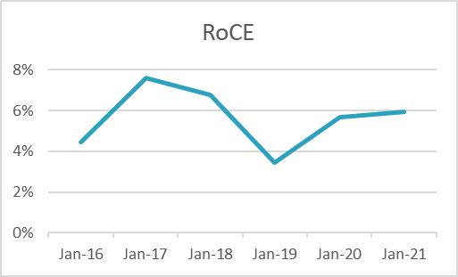
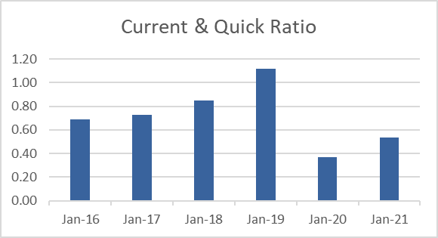
Current & Quick Ratio |  |  | RoCE | RoCE

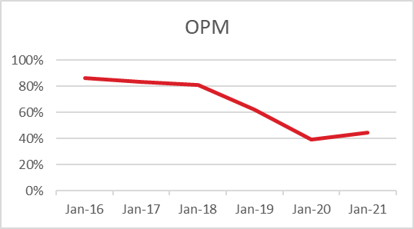
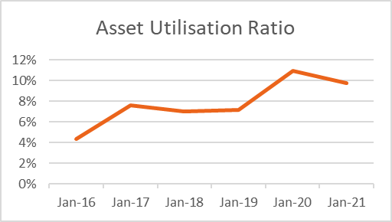
Operating Profit Margin
 |  |  |  | Asset Utilisation Ratio

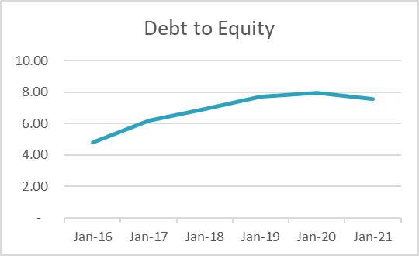
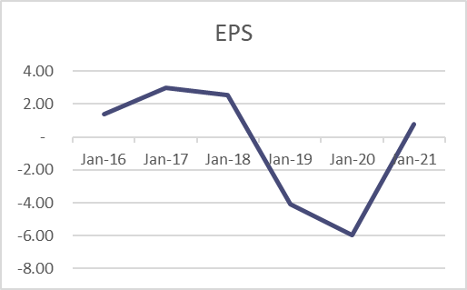
Debt to Equity
 |  |  |  | EPS

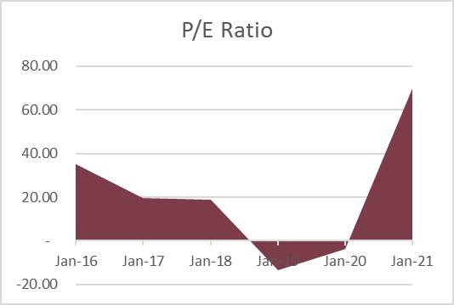

P/E Ratio

