Predicted values
S.No. | Date | Point.Forecast | Lo.95 | Hi.95
1 | 28-Apr-22 | 43072441.666 | 43058531.298 | 43086352.034
2 | 29-Apr-22 | 43079298.725 | 43045046.993 | 43113550.456
3 | 30-Apr-22 | 43086756.826 | 43026340.862 | 43147172.789 | Start date | 22-Jan-20
4 | 1-May-22 | 43095297.81 | 43002276.795 | 43188318.826
5 | 2-May-22 | 43103818.855 | 42971751.929 | 43235885.78
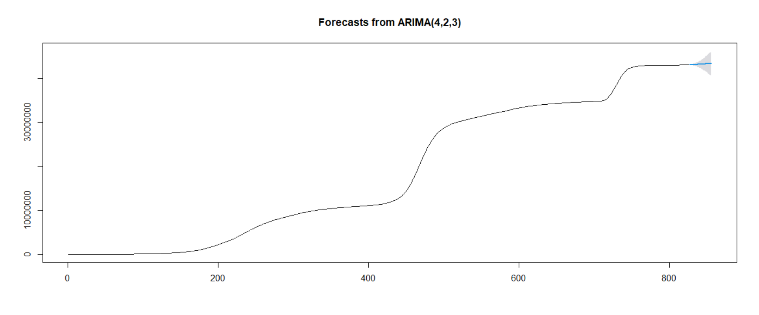
6 | 3-May-22 | 43112245.502 | 42935793.697 | 43288697.307
7 | 4-May-22 | 43121624.617 | 42895458.518 | 43347790.715
8 | 5-May-22 | 43131508.185 | 42849622.414 | 43413393.955
9 | 6-May-22 | 43141018.807 | 42797841.551 | 43484196.062
10 | 7-May-22 | 43150935.14 | 42741478.003 | 43560392.277
11 | 8-May-22 | 43161724.375 | 42680536.247 | 43642912.502
12 | 9-May-22 | 43172374.85 | 42613817.299 | 43730932.402
13 | 10-May-22 | 43182838.16 | 42541907.622 | 43823768.698
14 | 11-May-22 | 43194087.667 | 42465830.598 | 43922344.737
15 | 12-May-22 | 43205703.688 | 42384714.241 | 44026693.134
16 | 13-May-22 | 43216887.18 | 42298049.293 | 44135725.068
17 | 14-May-22 | 43228372.012 | 42207010.595 | 44249733.428
18 | 15-May-22 | 43240585.133 | 42111721.502 | 44369448.765
19 | 16-May-22 | 43252592.05 | 42011119.85 | 44494064.25
20 | 17-May-22 | 43264364.026 | 41905664.094 | 44623063.959
21 | 18-May-22 | 43276803.856 | 41796319.541 | 44757288.172
22 | 19-May-22 | 43289516.701 | 41682363.427 | 44896669.976
23 | 20-May-22 | 43301773.516 | 41563300.731 | 45040246.301
24 | 21-May-22 | 43314264.063 | 41440178.587 | 45188349.539
25 | 22-May-22 | 43327376.936 | 41313163.105 | 45341590.768
26 | 23-May-22 | 43340247.681 | 41181299.79 | 45499195.572
27 | 24-May-22 | 43352863.289 | 41044971.437 | 45660755.14
28 | 25-May-22 | 43366059.765 | 40905073.995 | 45827045.536
29 | 26-May-22 | 43379464.667 | 40760980.906 | 45997948.428
30 | 27-May-22 | 43392411.992 | 40612222.206 | 46172601.778

Triple plot for covid data
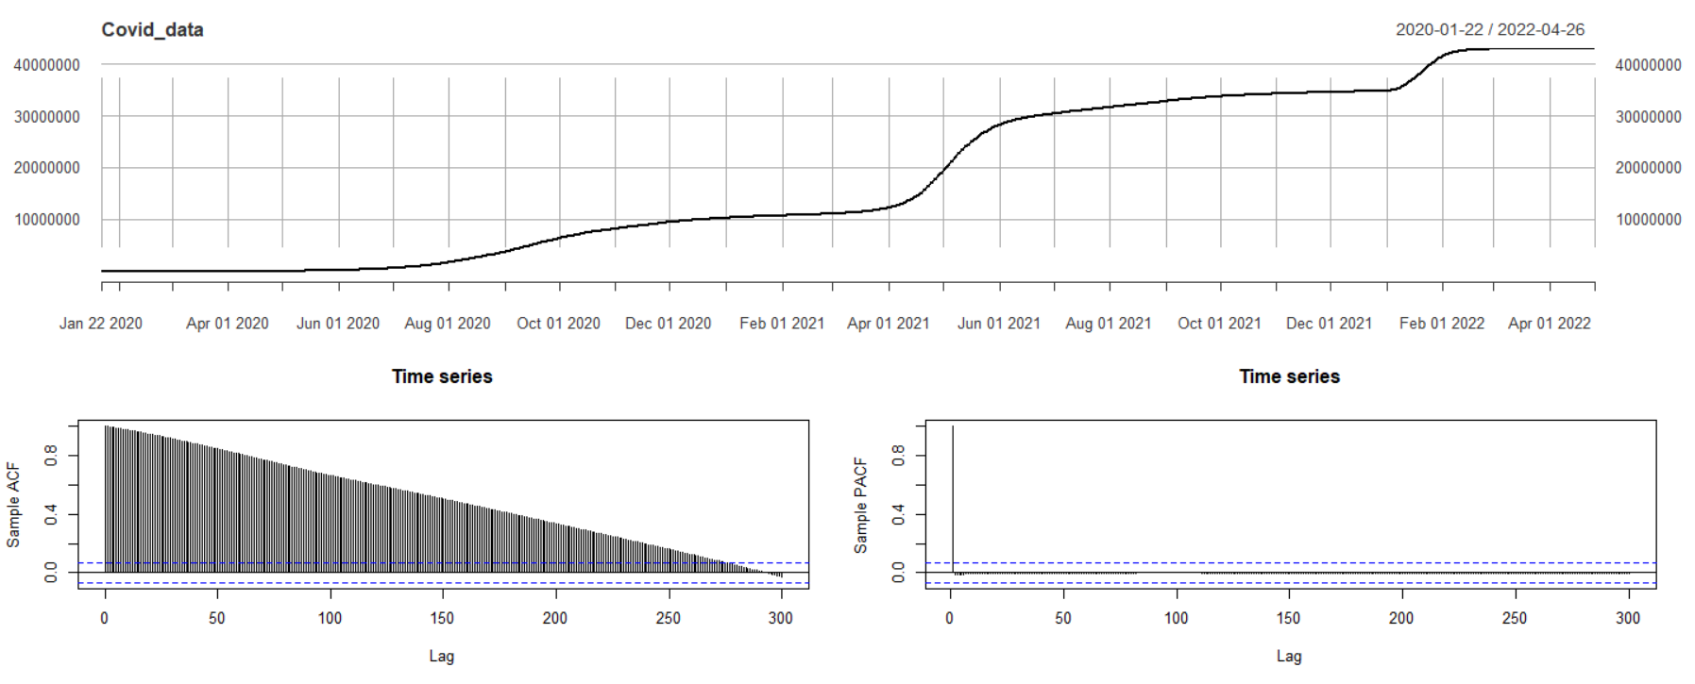

Triple plot 1st order diff
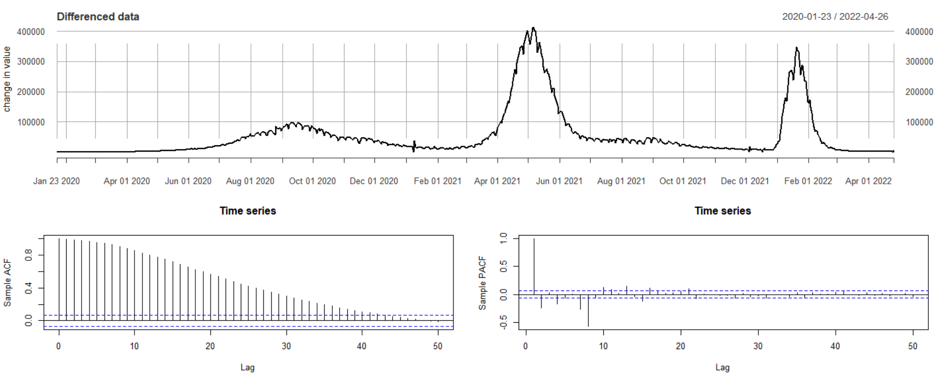

Triple plot 2nd order diff
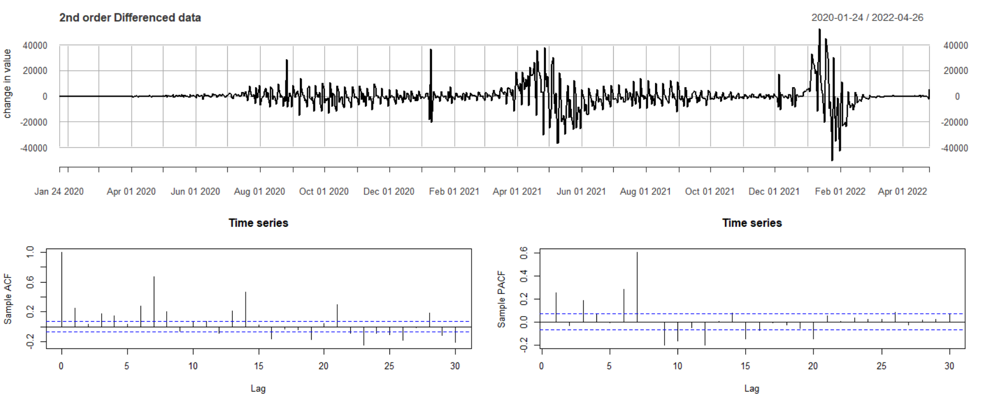

Residuals plot
