Sheet3
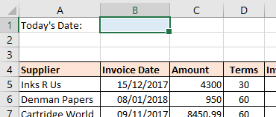
Open the file contained within the folder name shown above.

In cell B1 add a special date function that will always show the current date whenever you open the file:

Use the =TODAY function to insert the current date

In cell E5, create a formula that will calculate the invoice due date. Use the following to help you:

Invoice Due Date = Invoice Date + Terms

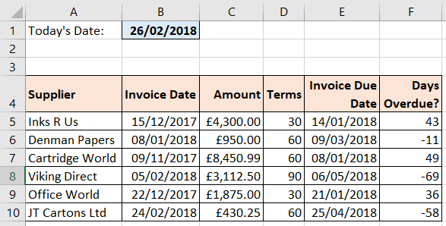
Copy the formula down the rest of the column to calculate the other invoice due dates.

In cell F5, create a formula that calculates how many days overdue (or under-due) an invoice might be. Use the following to help you:

Days Overdue = Today's Date - Invoice Due Date

Copy the formula down the rest of the column to calculate the other days overdue:

Your answers should be the same as those above.

Use Save As... to save the file in your own new Excel work folder.

Sheet2
Open the file contained within the folder name shown above.

On the Formatting Numbers sheet, in cell I3 and I4, use a custom number format to create the entry shown in cell G3 and G4:

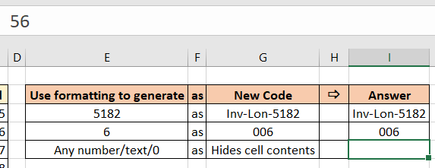
Use a custom number format to add the extra characters

In cell I5, use a full custom number format to hide the cell contents:

Use the special custom number format of ;;; to hide the cell contents.

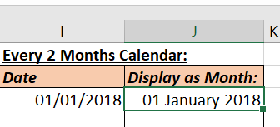
On the Formatting Dates sheet, in cell J3, format the date to show the month name:

Change the format to a different date format.

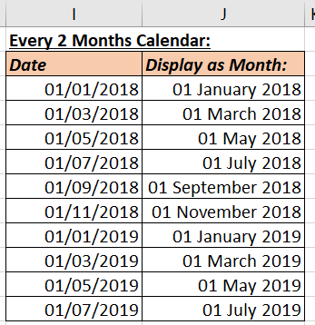
In columns I and J create a calendar series where the date increases by 2 months each time:

The date jumps by 2 months

In column M, use custom date formats to display the dates as shown below:

Each cell has a different custom date format.

Use Save As... to save the file in your own new Excel work folder.

