BATA Data 69
 |  |  | ROLL NO 69. | RATIOS FOR BATA INDIA LTD. (FY 2013-2022)
A) LIQUIDITY RATIOS :
DEFINITION : |  | While it is important for a business to be profitable, profit is not sufficient on its own to guarantee survival. There must be
 |  | sufficient liquid assets available to ensure that short term commitments can be met. Otherwise the company could be forced into
 |  | liquidation.

TYPES OF LIQUIDITY RATIOS :
 | 1)CURRENT RATIO:
DEFINITION : |  | The current ratio is a liquidity ratio that measures a company's ability to pay short-term obligations or those due within one year.
FORMULA: |  | Current Assets/Current Liabilities

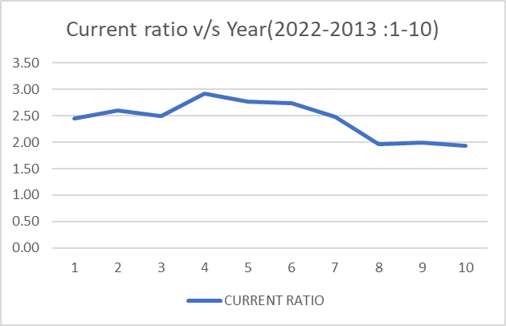
YEAR | CURRENT ASSETS | CURRENT LIABILITIES |  | CURRENT RATIO
2022 | 1995.94 | 817.09 |  | 2.44
2021 | 1857.03 | 712.47 |  | 2.61
2020 | 1999.6 | 800.51 |  | 2.5
2019 | 1837.47 | 629.59 |  | 2.92
2018 | 1547.58 | 560.22 |  | 2.76
2017 | 1349.58 | 493.35 |  | 2.74
2016 | 1140.06 | 460.53 |  | 2.48
2015 | 1013.73 | 517.53 |  | 1.96
2014 | 921.52 | 462.47 |  | 1.99
2013 | 722.22 | 373.99 |  | 1.93

2)QUICK RATIO:
DEFINITION : |  | The quick ratio is a calculation that measures a company's ability to meet its short-term obligations with its most liquid assets.
FORMULA: |  | Current Assets - Inventories/Current Liabilities
YEAR | CURRENT ASSETS | INVENTORIES | CURRENT LIABILITIES |  |  | QUICK RATIO
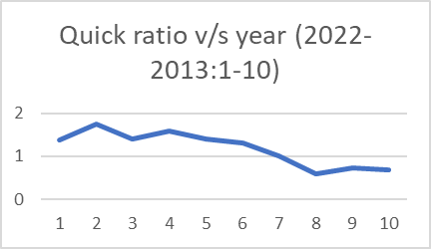
2022 | 1995.94 | 870.91 | 817.09 |  |  | 1.38
2021 | 1857.03 | 608.28 | 712.47 |  |  | 1.75
2020 | 1999.6 | 873.68 | 800.51 |  |  | 1.41
2019 | 1837.47 | 839.09 | 629.59 |  |  | 1.59
2018 | 1547.58 | 762.11 | 560.22 |  |  | 1.4
2017 | 1349.58 | 705.44 | 493.35 |  |  | 1.31
2016 | 1140.06 | 678.9 | 460.53 |  |  | 1
2015 | 1013.73 | 704.7 | 517.53 |  |  | 0.6
2014 | 921.52 | 582.69 | 462.47 |  |  | 0.73
2013 | 722.22 | 462.09 | 373.99 |  |  | 0.7

B) PROFITABILITY RATIOS:
DEFINITION : |  | Profitability ratios are a class of financial metrics that are used to assess a business's ability
 |  | to generate earnings relative to its revenue, operating costs, balance sheet assets, or
 |  | shareholders' equity over time, using data from a specific point in time.
TYPES OF PROFITABILITY RATIOS:
1)ROCE : | RETURN OF CAPITAL EMPLOYED
FORMULA | (EBIT/SHARE CAP +RESERVES+ LONG TERM DEBT)*100
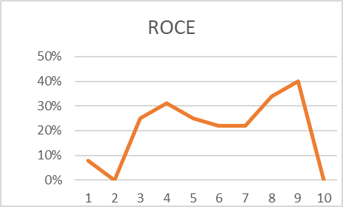
YEAR | EBIT | SHARE CAP | RESERVES | LONG TERM DEBT | ROCE
2022 | 136.83 | 64.26 | 1,749.96 | 893.32 | 5.10%
2021 | -117.69 | 64.26 | 1,695.51 | 861.73 | -4.50% |  | 1,749.96 | 1,695.51 | 1,832.32 | 1,682.27 | 1,414.45
2020 | 485.08 | 64.26 | 1,832.32 | 1,037.85 | 16.50% |  | 1,261.02 | 1,091.97 | 931.09 | 748.79 | 607.21
2019 | 478.27 | 64.26 | 1,682.27 | 102.52 | 25.90% |  | 103.97 | 102.87 | 97.76 | 79.28 | 56.11
2018 | 340.01 | 64.26 | 1,414.45 | 105.93 | 21.50% |  | 893.32 | 861.73 | 1,037.85 | 102.52 | 105.93
2017 | 233.58 | 64.26 | 1,261.02 | 103.97 | 16.30%
2016 | 298.42 | 64.26 | 1,091.97 | 102.87 | 23.70%
2015 | 328.67 | 64.26 | 931.09 | 97.76 | 30.10%
2014 | 282.62 | 64.26 | 748.79 | 79.28 | 31.70%
2013 | 251.96 | 64.26 | 607.21 | 56.11 | 34.60%

2)PROFIT MARGIN RATIO: |  | (ros)
YEAR | EBIT | SALES | ROS
2022 | 136.83 | 2443.62 | 6.0%
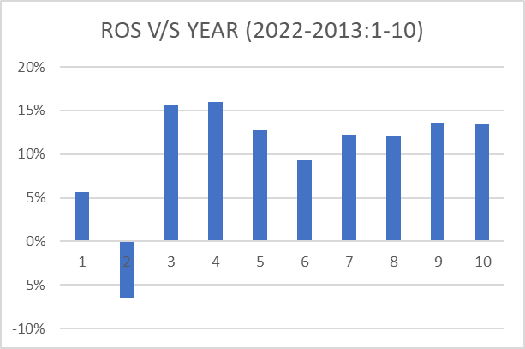
2021 | -117.69 | 1801.33 | -7.0% |  |  |  | 1,814.23 | 1,759.77 | 1,896.58 | 1,746.53 | 1,478.71
2020 | 485.08 | 3122.29 | 16.0%
2019 | 478.27 | 2996.99 | 16.0%
2018 | 340.01 | 2680.12 | 13.0%
2017 | 233.58 | 2513.81 | 9.0%
2016 | 298.42 | 2448.14 | 12.0%
2015 | 328.67 | 2737.23 | 12.0%
2014 | 282.62 | 2096.52 | 13.0%
2013 | 251.96 | 1872.41 | 13.0%

D)INVENTORS RATIO
1)SHAREHOLDERS EQUITY RATIO
FORMULA: | Shareholders equity - intangibles/total assets - current liab - intangibles

YEAR | shareholders eq. | intangibles | total assets | current liab | Shareholders eq ratio
2022 | 1,814.23 | 0 | 3,524.64 | 817.09 | 0.67
2021 | 1,759.77 | 6.74 | 3,333.97 | 712.47 | 0.67
2020 | 1,896.58 | 7.04 | 3,734.94 | 800.51 | 0.65
2019 | 1,746.53 | 3.79 | 2,478.64 | 629.59 | 0.94
2018 | 1,478.71 | 1.55 | 2,144.87 | 560.22 | 0.93 |  |  | 1,325.28 | 1,183 | 1,022.15 | 841 | 700.33
2017 | 1,325.28 | 1.38 | 1,922.60 | 493.35 | 0.93 |  |  | 0 | 6.74 | 7.04 | 3.79 | 1.55
2016 | 1,183 | 0.6 | 1,746.42 | 460.53 | 0.92 |  |  | 1.38 | 0.6 | 0.94 | 0.79 | 0.68
2015 | 1,022.15 | 0.94 | 1,637.43 | 517.53 | 0.91 |  |  | 3,524.64 | 3,333.97 | 3,734.94 | 2,478.64 | 2,144.87
2014 | 841 | 0.79 | 1,382.75 | 462.47 | 0.91 |  |  | 1,922.60 | 1,746.42 | 1,637.43 | 1,382.75 | 1,130.43
2013 | 700.33 | 0.68 | 1,130.43 | 373.99 | 0.93 |  |  | 817.09 | 712.47 | 800.51 | 629.59 | 560.22
 |  |  |  |  |  |  |  | 493.35 | 460.53 | 517.53 | 462.47 | 373.99
GEARING RATIO |  |  |  |  |  |  |  | 456.08 | 439.57 | 503.23 | 515.65 | 479.23
1)INCOME GEARING |  |  |  |  |  |  |  | 407.22 | 324.86 | 356.74 | 286.13 | 237.97
FORMULA: | INTEREST ON BORROWINGS/EBIT

YEAR | INTEREST ON BORR | EBIT | INC GEARING
2022 | 456.08 | 136.83 | 3.33
2021 | 439.57 | -117.69 | -3.73
2020 | 503.23 | 485.08 | 1.04
2019 | 515.65 | 478.27 | 1.08
2018 | 479.23 | 340.01 | 1.41
2017 | 407.22 | 233.58 | 1.74
2016 | 324.86 | 298.42 | 1.09
2015 | 356.74 | 328.67 | 1.09
2014 | 286.13 | 282.62 | 1.01
2013 | 237.97 | 251.96 | 0.94

2)GEARING RATIO
FORMULA: | Borrowings/Equity+borrowing

YEAR | Borrowings | Equity | Gearing ratio
2022 | 1094 | 64.26 | 0.94
2021 | 1032 | 64.26 | 0.94
2020 | 1249 | 64.26 | 0.95
2019 | 0 | 64.26 | 0
2018 | 0 | 64.26 | 0
2017 | 0 | 64.26 | 0
2016 | 0 | 64.26 | 0
2015 | 0 | 64.26 | 0
2014 | 0 | 64.26 | 0
2013 | 0 | 64.26 | 0

E)DUPONT ANALYSIS
TYPES:
1)PROFIT MARGIN:
FORMULA: | EBIT/SALES

YEAR | EBIT | SALES | ROS
2022 | 136.83 | 2443.62 | 6%
2021 | -117.69 | 1801.33 | -7%
2020 | 485.08 | 3122.29 | 16%
2019 | 478.27 | 2996.99 | 16%
2018 | 340.01 | 2680.12 | 13%
2017 | 233.58 | 2513.81 | 9%
2016 | 298.42 | 2448.14 | 12%
2015 | 328.67 | 2737.23 | 12%
2014 | 282.62 | 2096.52 | 13%
2013 | 251.96 | 1872.41 | 13%

2)ASSET TURNOVER RATIO
FORMULA: | NET SALES /TOTAL ASSETS

YEAR | NET SALES | TOTAL ASSETS | ASSET TURNOVER RATIO
2022 | 2,387.72 | 3,524.64 | 0.677
2021 | 1,706.62 | 3,333.97 | 0.512
2020 | 3,051.62 | 3,734.94 | 0.817
2019 | 2,926.40 | 2,478.64 | 1.181
2018 | 2,627.86 | 2,144.87 | 1.225
2017 | 2,465.59 | 1,922.60 | 1.282
2016 | 2,416.95 | 1,746.42 | 1.384
2015 | 2,692.09 | 1,637.43 | 1.644
2014 | 2,063.99 | 1,382.75 | 1.493
2013 | 1,841.25 | 1,130.43 | 1.629

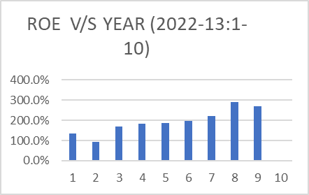
3)DUPONT'S ROE |  | DEFINITION : |  | It is a measure of financial performance calculated by dividing net income by shareholders' equity.
 |  | FORMULA: |  | net income/((total shareholder equity for prev yr + current yr)/2)
YEAR | NET INCOME | PREV YEAR | CURRENT YEAR |  | ROE
2022 | 2387.72 | 1759.77 | 1814.23 |  | 133.60%
2021 | 1706.62 | 1896.58 | 1759.77 |  | 93.40%
2020 | 3051.62 | 1746.53 | 1896.58 |  | 167.50%
2019 | 2926.4 | 1478.71 | 1746.53 |  | 181.50%
2018 | 2627.86 | 1325.28 | 1478.71 |  | 187.40%
2017 | 2465.59 | 1183.02 | 1325.28 |  | 196.60%
2016 | 2416.95 | 1022.15 | 1183.02 |  | 219.20%
2015 | 2692.09 | 841 | 1022.15 |  | 289.00%
2014 | 2063.99 | 700.33 | 841 |  | 267.80%
2013 | 1841.25 | - | 700.33 |  | -

