Aditya
 |  |  | TIPS INDUSTRIES LTD.

LIQUIDITY RATIOS

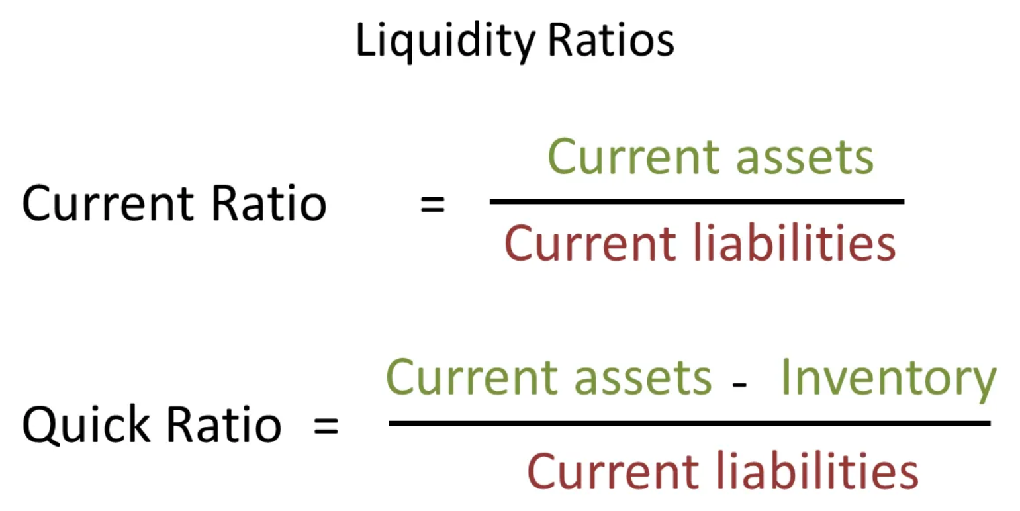
Date | Current Assets | Inventories | Current Liabilities | Current Ratio | Quick ratio |  |  |  |  |  |  | Bibliography:
Mar-12 | 134.22 | 65.17 | 74.34 | 1.805 | 0.929 |  |  |  |  |  |  | https://www.moneycontrol.com/stocks/company_info/print_main.php
Mar-13 | 169.81 | 116.17 | 111.4 | 1.524 | 0.482
Mar-14 | 200.13 | 149.39 | 155.18 | 1.290 | 0.327
Mar-15 | 141.41 | 97.8 | 19.84 | 7.128 | 2.198
Mar-16 | 138.75 | 104.51 | 38.75 | 3.581 | 0.884
Mar-17 | 95.88 | 74.92 | 17.56 | 5.460 | 1.194
Mar-18 | 161.07 | 57.46 | 118.47 | 1.360 | 0.875
Mar-19 | 61.89 | 28.66 | 18.35 | 3.373 | 1.811
Mar-20 | 62.97 | 0 | 4.93 | 12.773 | 12.773
Mar-21 | 110.79 | 0 | 8.38 | 13.221 | 13.221

PROFITABILITY RATIOS

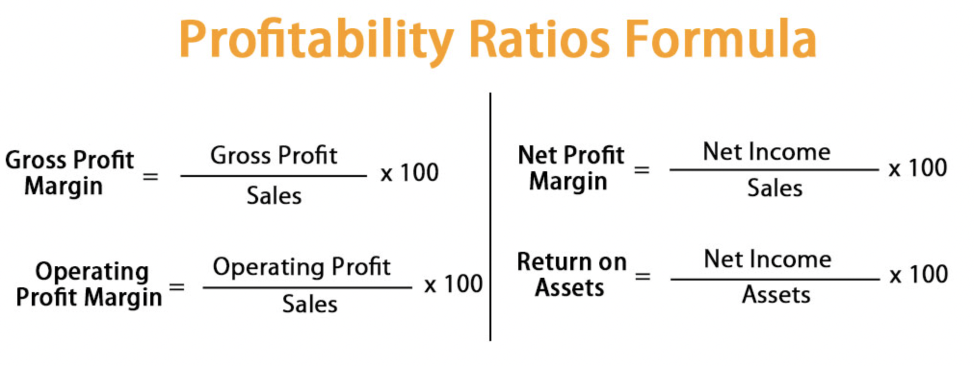
Date | Sales | Gross Profit | Operating Profit | Net Profit | Gross Profit Margin | Operating Profit Margin | Net Profit Margin
Mar-12 | 72.32 | 12.17 | 17.54 | 8.810 | 16.83% | 24.25% | 12.18%
Mar-13 | 137.87 | 16.22 | 21.06 | 11.69 | 11.76% | 15.28% | 8.48%
Mar-14 | 103.67 | -13.63 | -2.97 | -16.24 | -13.15% | -2.86% | -15.67%
Mar-15 | 102.35 | 5.06 | 16.61 | 2.7 | 4.94% | 16.23% | 2.64%
Mar-16 | 68.44 | 5.420 | 18.03 | 3.03 | 7.92% | 26.34% | 4.43%
Mar-17 | 47.02 | 5.77 | 16.01 | 2.98 | 12.27% | 34.05% | 6.34%
Mar-18 | 47.49 | 5.39 | 12.02 | 3.13 | 11.35% | 25.31% | 6.59%
Mar-19 | 203.24 | 8.59 | 10.78 | 2.85 | 4.23% | 5.30% | 1.40%
Mar-20 | 90.99 | 15.54 | 15.82 | 11.34 | 17.08% | 17.39% | 12.46%
Mar-21 | 90.53 | 60.04 | 60.06 | 43.47 | 66.32% | 66.34% | 48.02%

 |  |  |  |  |  |  | Bibliography: | Tips Industries Financial Results | TIPSINDLTD Financial Results - Business Standard News | Page 1 (business-standard.com)

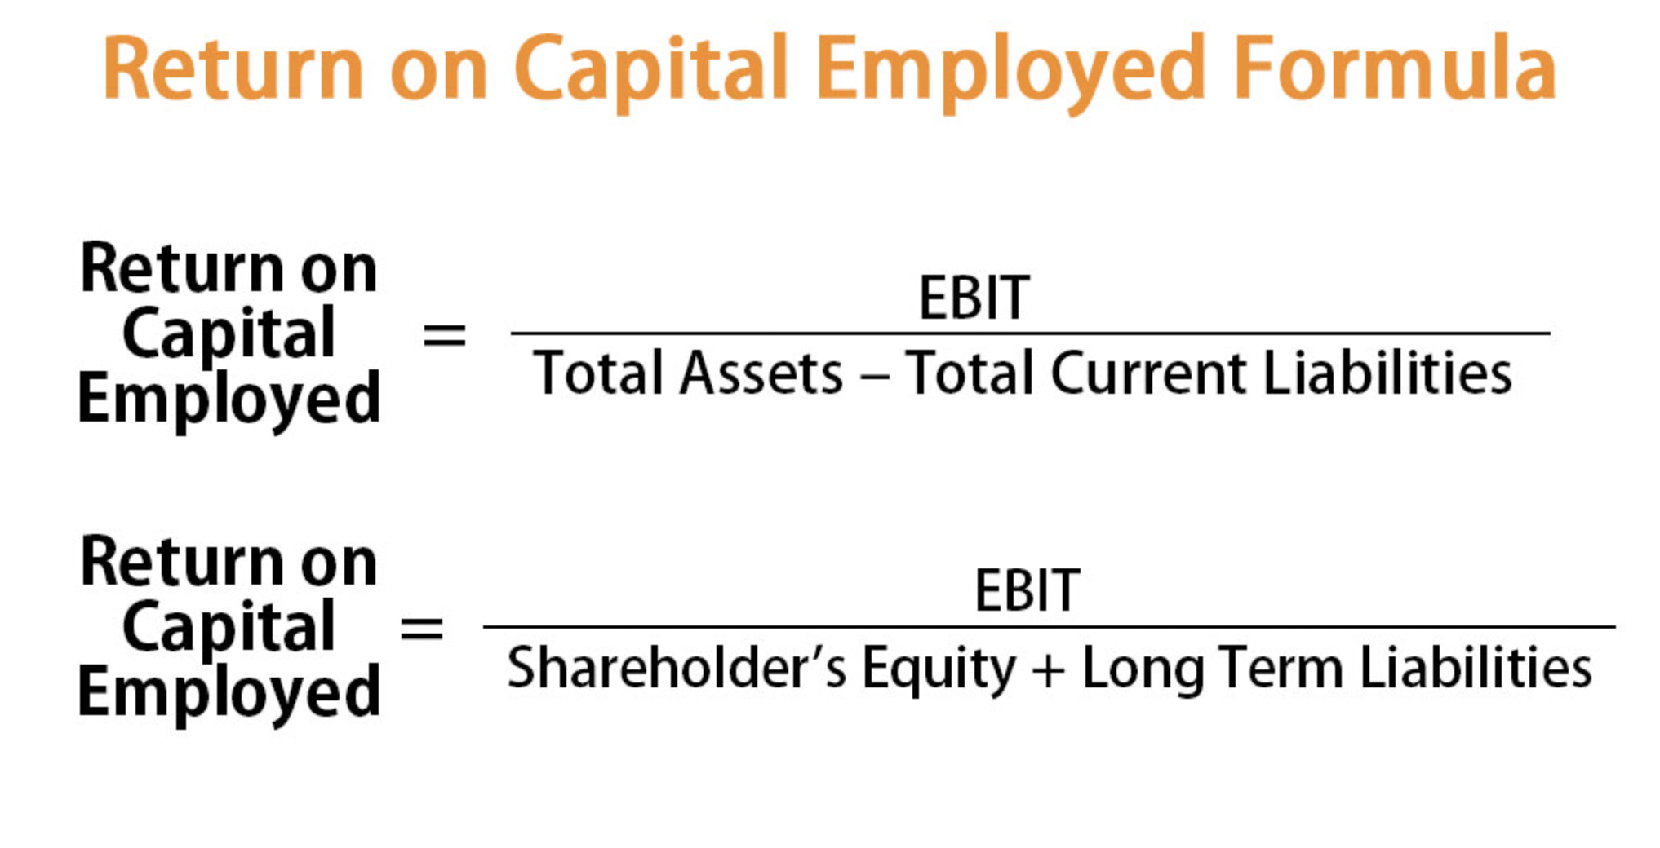
Date | EBIT | Shareholder's Equity | Long Term Liabiliies | Return on Capital Employed ( ROCE) |  |  |  |  |  |  | Bibliography:
Mar-12 | 17.54 | 84.57 | 39.97 | 20.74% |  |  |  |  |  |  | https://www.business-standard.com/company/tips-industries-8022/financials-balance-sheet/4
Mar-13 | 21.06 | 87.86 | 98.92 | 23.97%
Mar-14 | -2.97 | 69.82 | 132.94 | -4.25%
Mar-15 | 16.61 | 70.25 | 106.19 | 23.64%
Mar-16 | 18.03 | 69.64 | 90.05 | 25.89%
Mar-17 | 16.01 | 68.02 | 64.94 | 23.54%
Mar-18 | 12.02 | 69.68 | 36.29 | 17.25%
Mar-19 | 10.78 | 70.75 | 9.19 | 15.24%
Mar-20 | 15.82 | 80.38 | 2.17 | 19.68%
Mar-21 | 60.06 | 101.26 | 36.24 | 59.31%

Gearing Ratios

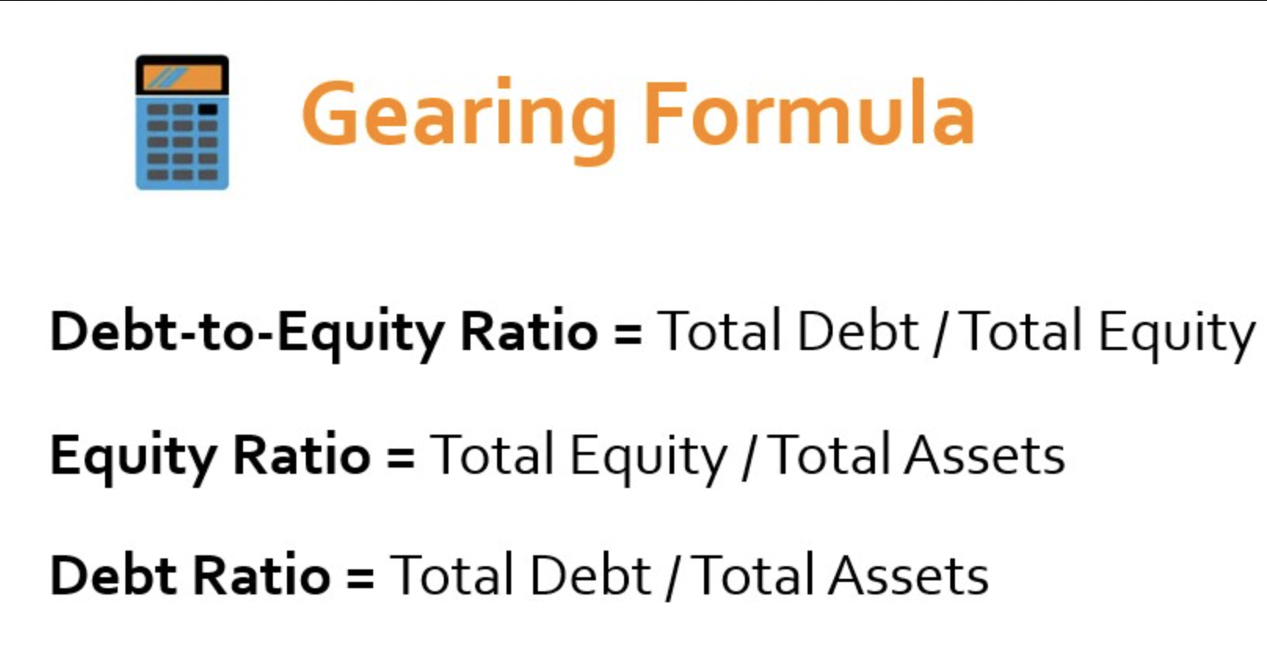
Date | Total Assets | Total Equity | Total Debt | Equity Ratio | Debt Ratio | Debt - to - Equity Ratio
Mar-12 | 179.48 | 84.58 | 20.56 | 0.471 | 0.115 | 0.243
Mar-13 | 215.55 | 87.86 | 16.29 | 0.408 | 0.076 | 0.185
Mar-14 | 240.35 | 69.82 | 15.35 | 0.290 | 0.064 | 0.220
Mar-15 | 180.24 | 70.25 | 90.15 | 0.390 | 0.500 | 1.283
Mar-16 | 173.77 | 69.64 | 65.38 | 0.401 | 0.376 | 0.939
Mar-17 | 135.4 | 68.02 | 49.82 | 0.502 | 0.368 | 0.732
Mar-18 | 202.39 | 69.68 | 14.24 | 0.344 | 0.070 | 0.204
Mar-19 | 94.7 | 70.75 | 5.61 | 0.747 | 0.059 | 0.079
Mar-20 | 90.16 | 80.38 | 4.85 | 0.892 | 0.054 | 0.060
Mar-21 | 148.23 | 101.26 | 38.59 | 0.683 | 0.260 | 0.381

 |  |  |  |  |  |  | Bibliography: |  | https://www.moneycontrol.com/stocks/company_info/print_main.php

Investor's Ratios

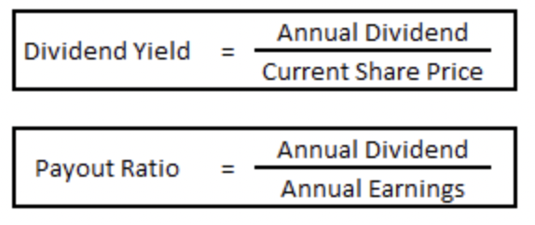
Date | Earnings Per Share (EPS) | Market Price Per Share (MPS) | Dividend Per Share (DPS) | P/E Ratio | Dividend Payout Ratio | Dividend Yield
Mar-12 | 5.52 | 56.18 | 2 | 10.177 | 0.362 | 3.56%
Mar-13 | 7.39 | 48.05 | 2.1 | 6.503 | 0.284 | 4.37%
Mar-14 | -10.57 | 41.32 | 1 | -3.909 | -0.095 | 2.42%
Mar-15 | 1.76 | 55.87 | 1 | 31.742 | 0.568 | 1.79%
Mar-16 | 1.98 | 62.50 | 1 | 31.566 | 0.505 | 1.60%
Mar-17 | 2.08 | 67.57 | 1 | 32.484 | 0.481 | 1.48%
Mar-18 | 2.19 | 83.33 | 1 | 38.052 | 0.457 | 1.20%
Mar-19 | 1.99 | 68.03 | 1 | 34.185 | 0.503 | 1.47%
Mar-20 | 7.92 | 272.73 | 1.5 | 34.435 | 0.189 | 0.55%
Mar-21 | 32.72 | 1250.00 | 2 | 38.203 | 0.061 | 0.16%

 |  |  |  |  |  | Bibliography: |  | https://www.moneycontrol.com/financials/tipsindustries/ratiosVI/TI25/2#TI25
 |  |  |  |  |  |  |  | Tips Industries Ltd (TIPS) Financial Ratios - Investing.com India

DuPont Analysis of ROE

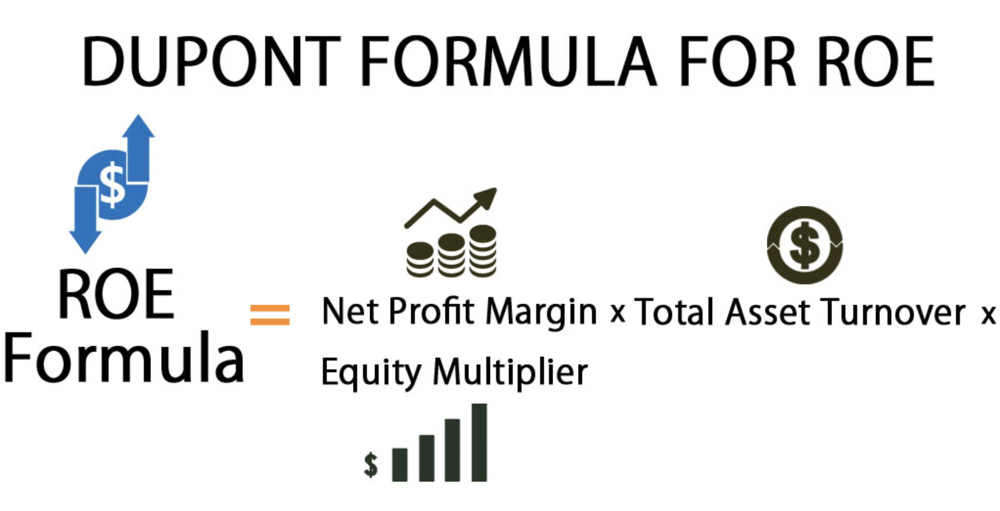
Date | Sales | Net Profit | Total Assets | Total Equity | Net Profit Margin | Asset Turnover | Equity Multiplier | ROE
Mar-12 | 72.32 | 8.810 | 179.48 | 84.58 | 0.122 | 40% | 2.122 | 10%
Mar-13 | 137.87 | 11.69 | 215.55 | 87.86 | 0.085 | 64% | 2.453 | 13%
Mar-14 | 103.67 | -16.24 | 240.35 | 69.82 | -0.157 | 43% | 3.442 | -23%
Mar-15 | 102.35 | 2.7 | 180.24 | 70.25 | 0.026 | 57% | 2.566 | 4%
Mar-16 | 68.44 | 3.03 | 173.77 | 69.64 | 0.044 | 39% | 2.495 | 4%
Mar-17 | 47.02 | 2.98 | 135.4 | 68.02 | 0.063 | 35% | 1.991 | 4%
Mar-18 | 47.49 | 3.13 | 202.39 | 69.68 | 0.066 | 23% | 2.905 | 4%
Mar-19 | 203.24 | 2.85 | 94.7 | 70.75 | 0.014 | 215% | 1.339 | 4%
Mar-20 | 90.99 | 11.34 | 90.16 | 80.38 | 0.125 | 101% | 1.122 | 14%
Mar-21 | 90.53 | 43.47 | 148.23 | 101.26 | 0.480 | 61% | 1.464 | 43%

 |  |  |  |  |  |  |  |  | Bibliography: | Above references

