Pulkita
 |  |  | ADANI PORTS AND SPECIAL ECONOMIC ZONE LTD.

LIQUIDITY RATIOS

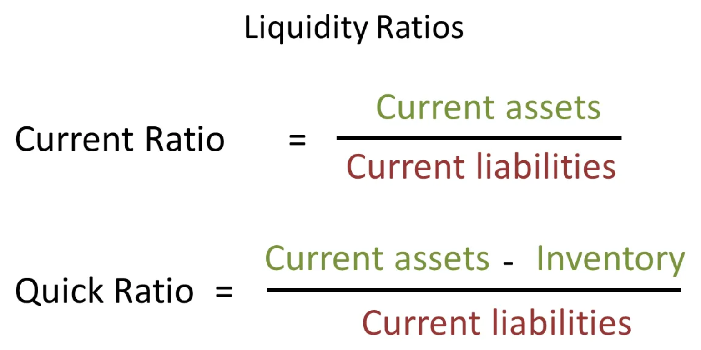
Date | Current Assets | Inventories | Current Liabilities | Current Ratio | Quick ratio |  |  |  |  |  |  | Bibliography:
Mar-12 | 1035.89 | 62.52 | 2789.05 | 0.371 | 0.349 |  |  |  |  |  |  | Adani Ports and Special Economic Zone Balance Sheet, Adani Ports and Special Economic Zone Financial Statement & Accounts (moneycontrol.com)
Mar-13 | 2977.21 | 87.29 | 2977.21 | 1.000 | 0.971
Mar-14 | 1896.11 | 143.03 | 1869.11 | 1.014 | 0.938
Mar-15 | 4346.06 | 179.46 | 4346.06 | 1.000 | 0.959
Mar-16 | 6488.48 | 124.82 | 6488.49 | 1.000 | 0.981
Mar-17 | 5464.95 | 523 | 5464.95 | 1.000 | 0.904
Mar-18 | 10216.19 | 363.41 | 2868.05 | 3.562 | 3.435
Mar-19 | 12275.15 | 625.45 | 8132.3 | 1.509 | 1.433
Mar-20 | 10418.14 | 86.92 | 6547.8 | 1.591 | 1.578
Mar-21 | 7947.96 | 74.22 | 5080.79 | 1.564 | 1.550

PROFITABILITY RATIOS

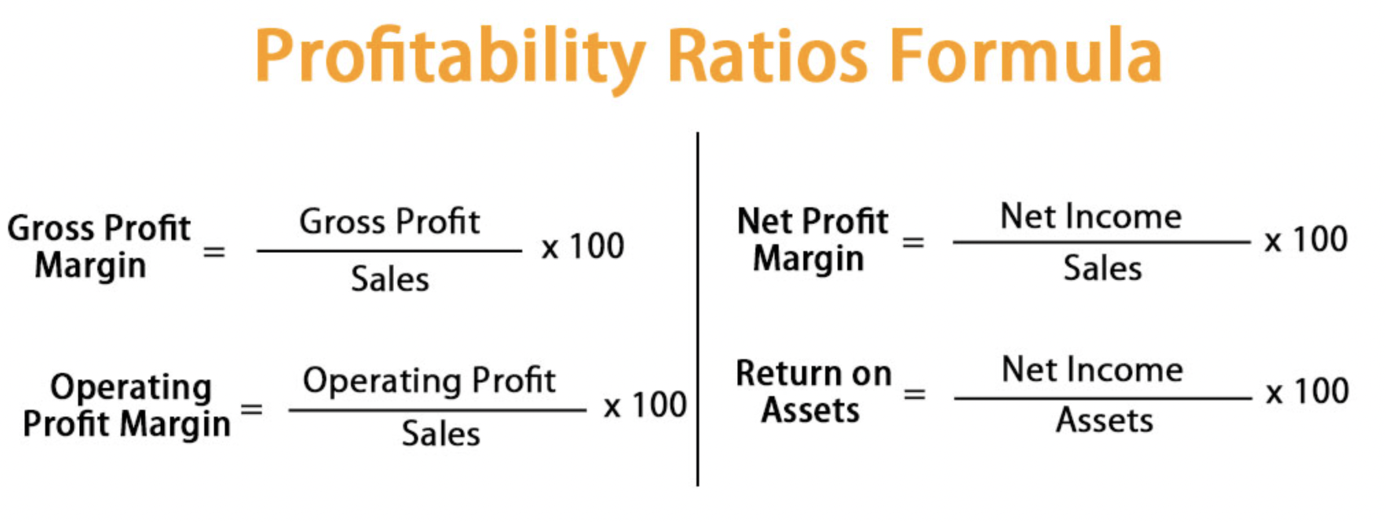
Date | Sales | Gross Profit | Operating Profit | Net Profit | Gross Profit Margin | Operating Profit Margin | Net Profit Margin
Mar-12 | 2481.9 | 1543.09 | 1751.84 | 1177.260 | 62.174 | 70.585 | 47.434
Mar-13 | 3361.05 | 2231.570 | 2673.47 | 1754.18 | 66.395 | 79.543 | 52.191
Mar-14 | 4350.26 | 2665.96 | 3419.82 | 2016.17 | 61.283 | 78.612 | 46.346
Mar-15 | 3909.36 | 2636.79 | 3345.58 | 2183.14 | 67.448 | 85.579 | 55.844
Mar-16 | 4619.17 | 3625.590 | 4480.04 | 2964.5 | 78.490 | 96.988 | 64.178
Mar-17 | 4878.86 | 3833.65 | 4831.72 | 3100.61 | 78.577 | 99.034 | 63.552
Mar-18 | 6533.82 | 4299.7 | 5818.8 | 2408.1 | 65.807 | 89.057 | 36.856
Mar-19 | 5336.38 | 4137.85 | 6005.04 | 2637.72 | 77.540 | 112.530 | 49.429
Mar-20 | 4643.28 | 2585.02 | 6045.28 | 1934.25 | 55.672 | 130.194 | 41.657
Mar-21 | 4377.15 | 3528.82 | 5855.67 | 1927.930 | 80.619 | 133.778 | 44.045

 |  |  |  |  |  |  | Bibliography: | Adani Ports & Special Economic Zone Financial Results | ADANIPORTS Financial Results - Business Standard News | Page 4 (business-standard.com)
 |  |  |  |  |  |  |  | Adani Ports & Special Economic Zone Financial Results | ADANIPORTS Financial Results - Business Standard News | Page 1 (business-standard.com)

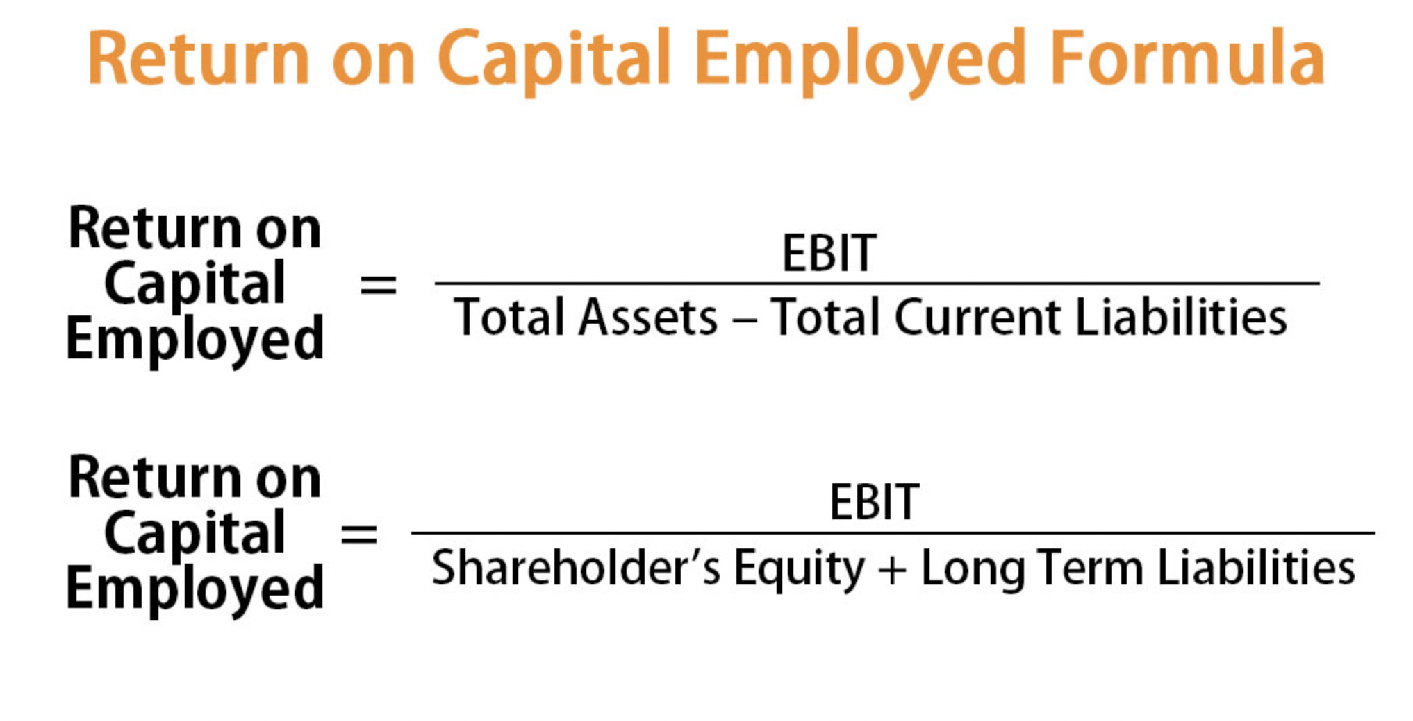
Date | EBIT | Shareholder's Equity | Long Term Liabiliies | Return on Capital Employed ( ROCE) |  |  |  |  |  |  | Bibliography:
Mar-12 | 1751.84 | 5221.44 | 6776.2 | 14.60% |  |  |  |  |  |  | javascript:void();
Mar-13 | 2673.47 | 6703.97 | 8988.17 | 17.04%
Mar-14 | 3419.82 | 9335.89 | 10124.23 | 17.57%
Mar-15 | 3345.58 | 11203.16 | 12807.17 | 13.93%
Mar-16 | 4480.04 | 13565.81 | 16335.85 | 14.98%
Mar-17 | 4831.72 | 16864.85 | 20964.51 | 12.77%
Mar-18 | 5818.8 | 18374.95 | 20869.93 | 14.83%
Mar-19 | 6005.04 | 20591.61 | 25612.78 | 13.00%
Mar-20 | 6045.28 | 19962.26 | 29564.08 | 12.21%
Mar-21 | 5855.67 | 21907.11 | 34427.47 | 10.39%

Gearing Ratios

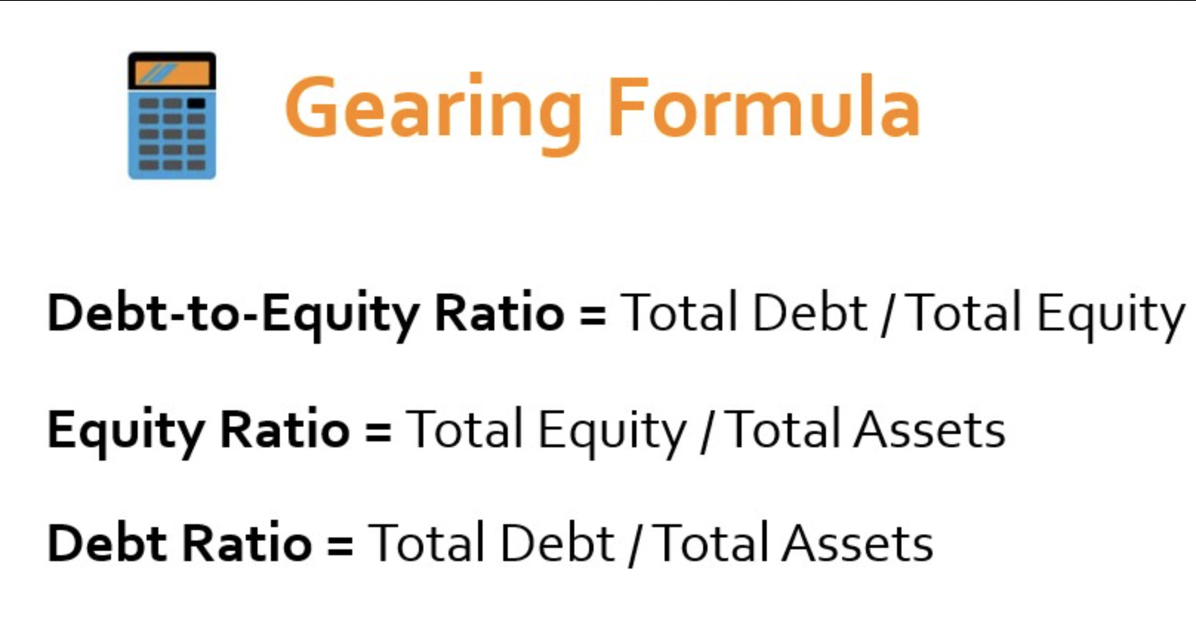
Date | Total Assets | Total Equity | Total Debt | Equity Ratio | Debt Ratio | Debt - to - Equity Ratio
Mar-12 | 13,176.56 | 5,221.44 | 5,166.07 | 0.396 | 0.392 | 0.989
Mar-13 | 18,255.29 | 6,703.97 | 8,574.11 | 0.367 | 0.470 | 1.279
Mar-14 | 20,904.38 | 9,335.89 | 9,699.38 | 0.447 | 0.464 | 1.039
Mar-15 | 25,807.10 | 11,203.16 | 10,257.88 | 0.434 | 0.397 | 0.916
Mar-16 | 31,129.21 | 13,565.81 | 11,074.91 | 0.436 | 0.356 | 0.816
Mar-17 | 39,247.73 | 16,948.97 | 16,833.81 | 0.432 | 0.429 | 0.993
Mar-18 | 40,833.61 | 18,374.95 | 19,590.61 | 0.450 | 0.480 | 1.066
Mar-19 | 47,424.42 | 20,425.73 | 18,700.51 | 0.431 | 0.394 | 0.916
Mar-20 | 51,812.64 | 19,795.73 | 25,302.58 | 0.382 | 0.488 | 1.278
Mar-21 | 58,558.33 | 21,740.58 | 31,570.43 | 0.371 | 0.539 | 1.452

 |  |  |  |  |  |  | Bibliography: |  | Moneycontrol.com >> Company Info >> Print Financials

Investor's Ratios

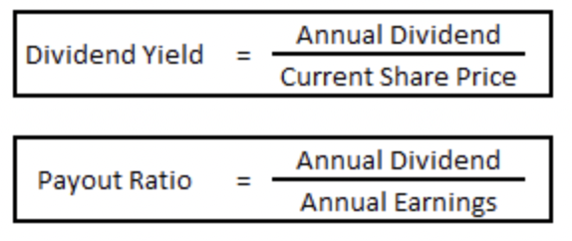
Date | Earnings Per Share (EPS) | Market Price Per Share (MPS) | Dividend Per Share (DPS) | P/E Ratio | Dividend Payout Ratio | Dividend Yield
Mar-12 | 5.88 | 113.64 | 1 | 19.326 | 0.170 | 0.88%
Mar-13 | 8.76 | 138.89 | 1 | 15.855 | 0.114 | 0.72%
Mar-14 | 9.8 | 263.16 | 1 | 26.853 | 0.102 | 0.38%
Mar-15 | 10.55 | 343.75 | 1.1 | 32.583 | 0.104 | 0.32%
Mar-16 | 14.31 | 122.22 | 1.1 | 8.541 | 0.077 | 0.90%
Mar-17 | 14.97 | 393.94 | 1.3 | 26.315 | 0.087 | 0.33%
Mar-18 | 11.63 | 400.00 | 2 | 34.394 | 0.172 | 0.50%
Mar-19 | 12.74 | 400.00 | 0.2 | 31.397 | 0.016 | 0.05%
Mar-20 | 9.43 | 275.86 | 3.2 | 29.254 | 0.339 | 1.16%
Mar-21 | 9.49 | 714.29 | 5 | 75.267 | 0.527 | 0.70%

 |  |  |  |  |  | Bibliography: |  | https://in.investing.com/equities/mundra-port-special-eco.-zone-dividends
 |  |  |  |  |  |  |  | Adani Ports and Special Economic Zone Key Financial Ratios, Adani Ports and Special Economic Zone Financial Statement & Accounts (moneycontrol.com)

DuPont Analysis of ROE

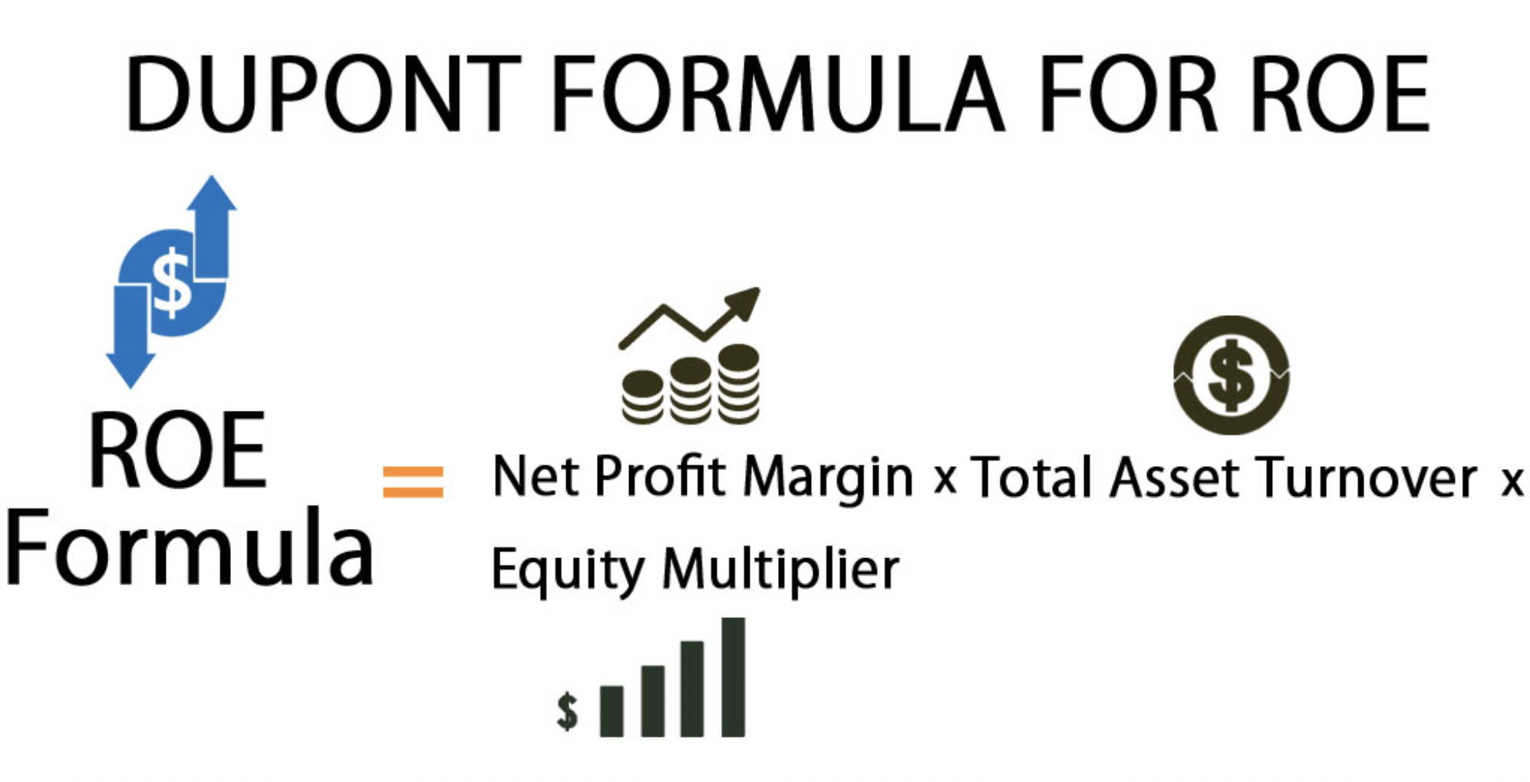
Date | Sales | Net Profit | Total Assets | Total Equity | Net Profit Margin | Asset Turnover | Equity Multiplier | ROE
Mar-12 | 2481.9 | 1177.260 | 13,176.56 | 5,221.44 | 0.474 | 19% | 2.524 | 23%
Mar-13 | 3361.05 | 1754.18 | 18,255.29 | 6,703.97 | 0.522 | 18% | 2.723 | 26%
Mar-14 | 4350.26 | 2016.17 | 20,904.38 | 9,335.89 | 0.463 | 21% | 2.239 | 22%
Mar-15 | 3909.36 | 2183.14 | 25,807.10 | 11,203.16 | 0.558 | 15% | 2.304 | 19%
Mar-16 | 4619.17 | 2964.5 | 31,129.21 | 13,565.81 | 0.642 | 15% | 2.295 | 22%
Mar-17 | 4878.86 | 3100.61 | 39,247.73 | 16,948.97 | 0.636 | 12% | 2.316 | 18%
Mar-18 | 6533.82 | 2408.1 | 40,833.61 | 18,374.95 | 0.369 | 16% | 2.222 | 13%
Mar-19 | 5336.38 | 2637.72 | 47,424.42 | 20,425.73 | 0.494 | 11% | 2.322 | 13%
Mar-20 | 4643.28 | 1934.25 | 51,812.64 | 19,795.73 | 0.417 | 9% | 2.617 | 10%
Mar-21 | 4377.15 | 1927.930 | 58,558.33 | 21,740.58 | 0.440 | 7% | 2.694 | 9%

 |  |  |  |  |  |  |  |  | Bibliography: | Above references

Muskaan-1
BLUE DART EXPRESS

1) LIQUIDITY RATIOS
Year | Current Assets | Current Liabilities | Inventories | Current Ratio | Quick Ratio

2012-13 | 471 | 73 | 2 | 6.45% | 6.4521%
2013-14 | 376 | 107 | 3 | 3.51% | 3.514%
2014-15 | 461 | 128 | 4 | 3.6% | 3.6016%
2015-16 | 600 | 246 | 21 | 2.44% | 2.439%
2016-17 | 643 | 272 | 25 | 2.36% | 2.364%
2017-18 | 672 | 368 | 21 | 1.83% | 1.8261%
2018-19 | 786 | 434 | 26 | 1.81% | 1.8111%
2019-20 | 655 | 401 | 27 | 1.63% | 1.6334%
2020-21 | 861 | 509 | 32 | 1.69% | 1.6916%
2021-22 | 799 | 580 | 35 | 1.38% | 1.3776%

2) PROFITATABILITY RATIOS
Year | Share Capital | Reserves | Long term debt | Total | Profit before interest & tax | Return on capital employed | Revenue | Asset utilization Ratio | Profit Margin | Shareholder's Equity | Return's on Equity

2012-13 | 24 | 626 | 0 | 650 | 271 | 42% |  |  |  | 650 | 0.036923076923
2013-14 | 24 | 612 | 0 | 636 | 187 | 29% |  |  |  | 636 | 0.037735849057
2014-15 | 24 | 273 | 332 | 629 | 194 | 31% |  |  |  | 297 | 0.080808080808
2015-16 | 24 | 447 | 332 | 803 | 290 | 36% |  |  |  | 471 | 0.050955414013
2016-17 | 24 | 498 | 332 | 854 | 217 | 25% |  |  |  | 522 | 0.045977011494
2017-18 | 24 | 597 | 166 | 787 | 212 | 27% |  |  |  | 621 | 0.038647342995
2018-19 | 24 | 641 | 146 | 811 | 128 | 16% |  |  |  | 665 | 0.036090225564
2019-20 | 24 | 560 | 75 | 659 | -47 | -7% |  |  |  | 584 | 0.041095890411
2020-21 | 24 | 655 | 142 | 821 | 131 | 16% |  |  |  | 679 | 0.035346097202
2021-22 | 24 | 931 | 248 | 1203 | 504 | 42% |  |  |  | 955 | 0.025130890052

Year | Profit After Tax | Sales | Net Profit Margin | Operating Profit | Operating Profit Margin

2012-13 | -32 | 445 | -7% | 142 | 32%
2013-14 | -31 | 503 | -6% | 92 | 18%
2014-15 | -126 | 571 | -22% | -43 | -8%
2015-16 | 42 | 629 | 7% | 229 | 36%
2016-17 | 95 | 676 | 14% | 252 | 37%
2017-18 | 90 | 716 | 13% | 248 | 35%
2018-19 | 31 | 779 | 4% | 159 | 20%
2019-20 | 91 | 724 | 13% | 275 | 38%
2020-21 | 123 | 1123 | 11% | 274 | 24%
2021-22 | 137 | 1166 | 12% | 292 | 25%

3) GEARING RATIOS

Year | Borrowings | Equity | Asset gearing/Capital Gearing | Interest | PBIT | Income Gearing

2012-13 | 2 | 23.76 | 8% | 0 | 271 | -
2013-14 | 3 | 23.76 | 11% | 0 | 187 | -
2014-15 | 4 | 23.76 | 14% | 11 | 194 | 0.06
2015-16 | 21 | 23.76 | 47% | 43 | 290 | 0.15
2016-17 | 25 | 23.76 | 51% | 45 | 217 | 0.21
2017-18 | 21 | 23.76 | 47% | 40 | 212 | 0.19
2018-19 | 26 | 23.76 | 52% | 43 | 128 | 0.34
2019-20 | 27 | 23.76 | 53% | 117 | -47 | -2.49
2020-21 | 32 | 23.76 | 57% | 111 | 131 | 0.85
2021-22 | 35 | 23.73 | 60% | 87 | 504 | 0.17

4) Investor's Ratio

Year | Profit After Tax | No of Shares | Earnings Per Share | Market Price Per Share | Price to Earnings Ratio

2012-13 | -32000000 | -402465.10 | 79.51 | 2730.769 | 34.344978377
2013-14 | -31000000 | -591264.54 | 52.43 | 3684.211 | 70.269130771
2014-15 | -1260000000 | -23569023.57 | 53.46 | 6666.667 | 124.70382841
2015-16 | 420000000 | 5245410.27 | 80.07 | 5000.000 | 62.44536031
2016-17 | 950000000 | 16150969.06 | 58.82 | 5000.000 | 85.005100306
2017-18 | 90000000 | 1502755.05 | 59.89 | 3125.000 | 52.178994824
2018-19 | 31000000 | 839653.30 | 36.92 | 2500.000 | 67.713976165
2019-20 | 91000000 | -5638166.05 | -16.14 | #DIV/0! | #DIV/0!
2020-21 | 123000000 | 3030303.03 | 40.59 | 7500.000 | 184.77457502
2021-22 | 137000000

Year | Dividend Per Share | Dividend Yield

2012-13 | ₹ 71.00 | 2.60%
2013-14 | ₹ 70.00 | 1.90%
2014-15 | ₹ 20.00 | 0.30%
2015-16 | ₹ 25.00 | 0.50%
2016-17 | ₹ 15.00 | 0.30%
2017-18 | ₹ 12.50 | 0.40%
2018-19 | ₹ 12.50 | 0.50%
2019-20 | ₹ 0.00 | 0.00%
2020-21 | ₹ 15.00 | 0.20%
2021-22

Year | Share Capital | Reserves | Book value of Equity | Intangibles | No of Shares | Net Asset Value Per Share

2012-13 | 24 | 626 | 650 | 0 | -402465.10 | -1615.046875
2013-14 | 24 | 612 | 636 | 0 | -591264.54 | -1075.6606452
2014-15 | 24 | 273 | 297 | 0 | -23569023.57 | -12.601285714
2015-16 | 24 | 447 | 471 | 0 | 5245410.27 | 89.792785714
2016-17 | 24 | 498 | 522 | 0 | 16150969.06 | 32.320042105
2017-18 | 24 | 597 | 621 | 0 | 1502755.05 | 413.241
2018-19 | 24 | 641 | 665 | 0 | 839653.30 | 791.99354839
2019-20 | 24 | 560 | 584 | 0 | -5638166.05 | -103.57978022
2020-21 | 24 | 655 | 679 | 0 | 3030303.03 | 224.07
2021-22 | 24 | 931 | 955 | 0

5) Dupont Analysis Of ROE

