Sheet2
Open the workbook called: MPs formatted for printing from the folder shown above.

In print preview, make the following changes to the print settings:

Change the margins to:
Top: 8cm
Left: 1cm
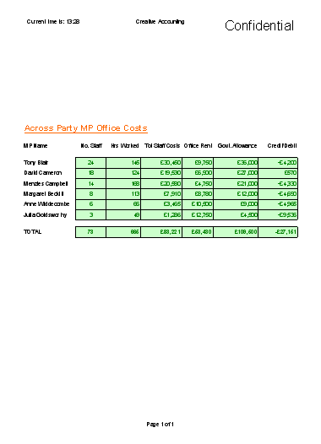
Right: 1cm
Bottom: 3cm
(These settings should squeeze it onto one page - if not, reduce more!)

Centre the workbook on the page horizontally

Add a standard footer giving the current and total number of pages

Add a custom header with the following details:
Left: Current time is: then the time is automatically printed
Centre: Creative Accounting (in a fancy font)
Right: Confidential (in a huge font!)

Check your new settings on the print preview screen and then print it out (if possible!).

Your workbook should look something like this in print preview:

Something like this is great!

Save the workbook with the new name: MPs with print settings

