Sheet1
Timestamp | Occupation of the consumer | how frequently are you travelling in trains per year? | Do you buy tickets while travelling in locals. Due to pandemic. | Are you completely vaccinated ? As per government norms. | Since, now only 2 doses and 14 days after that are allowed for travelling, Do you fall under this category? | Your vaccination status | If prices of tickets decreases , then will you increase your frequency of travelling? | If prices of tickets increases , then will you decrease your frequency of travelling? | No. Of people traveling from your family in train | What do you prefer in this pandemic as mean of transport? | Annual Income of the consumer ? | Average money spend on ticekts daily | Number of kms traveled per day | Why do you select trains over metro and uber or ola? | rate these factors as per your requirement that triggers to prioritize trains over metro and cabs? (1- low and 5- being the highest) [Price] | rate these factors as per your requirement that triggers to prioritize trains over metro and cabs? (1- low and 5- being the highest) [Covid wave] | rate these factors as per your requirement that triggers to prioritize trains over metro and cabs? (1- low and 5- being the highest) [Number of people travelling ] | rate these factors as per your requirement that triggers to prioritize trains over metro and cabs? (1- low and 5- being the highest) [Security ] | rate these factors as per your requirement that triggers to prioritize trains over metro and cabs? (1- low and 5- being the highest) [Feasibility ] | rate these factors as per your requirement that triggers to prioritize trains over metro and cabs? (1- low and 5- being the highest) [Time saving] | rate these factors as per your requirement that triggers to prioritize trains over metro and cabs? (1- low and 5- being the highest) [Price] | rate these factors as per your requirement that triggers to prioritize trains over metro and cabs? (1- low and 5- being the highest) [Covid wave] | rate these factors as per your requirement that triggers to prioritize trains over metro and cabs? (1- low and 5- being the highest) [Number of people travelling ] | rate these factors as per your requirement that triggers to prioritize trains over metro and cabs? (1- low and 5- being the highest) [Security ] | rate these factors as per your requirement that triggers to prioritize trains over metro and cabs? (1- low and 5- being the highest) [Feasibility ] | rate these factors as per your requirement that triggers to prioritize trains over metro and cabs? (1- low and 5- being the highest) [Time saving]
9/8/2021 | Student | None | No | No | No | None | No | No | None | Uber or ola | 10000-100000 | More than 100 | More than 40 | I don't | 5 | 1 | 1 | 1 | 3 | 3 | 5 | 1 | 1 | 1 | 3 | 3
9/8/2021 | Student | 10 -20 days | Yes | No | No | 1st dose | No | No | 1 | Personal vehicle | 10000-100000 | 20- 40 | 20-30 kms | It is cheaper than uber or ola | 1 | 3 | 3 | 3 | 2 | 1 | 1 | 3 | 3 | 3 | 2 | 1
9/8/2021 | Student | 10 -20 days | No | Yes | Yes | 2nd dose and 14 days complete | No | No | 1 | Personal vehicle | More than 10 lakh | 10 - 20 | 10kms< | It's cheaper and faster | 4 | 4 | 2 | 2 | 3 | 4 | 4 | 4 | 2 | 2 | 3 | 4
9/8/2021 | Student | All days | Yes | Yes | Yes | 2nd dose and 14 days complete | No | No | 1 | Personal vehicle | 10000-100000 | More than 50 | 10 - 20kms | No specific reason | 2 | 4 | 5 | 2 | 3 | 3 | 2 | 4 | 5 | 2 | 3 | 3
9/8/2021 | Student | None | No | No | No | 1st dose | No | It will be same | 2 | Personal vehicle | More than 10 lakh | 10 - 20 | 10kms< | Cheaper for long distances | 4 | 1 | 1 | 1 | 2 | 3 | 4 | 1 | 1 | 1 | 2 | 3
9/8/2021 | Student | 10 -20 days | Yes | No | No | 1st dose | No | Train is still relatively feasible compared to other means of transport | 4 | Uber or ola | 10000-100000 | 10 - 20 | 10 - 20kms | Trains are relatively faster and lower in price. | 5 | 5 | 3 | 3 | 5 | 5 | 5 | 5 | 3 | 3 | 5 | 5
9/8/2021 | Student | None | No | No | No | 1st dose | No | No | 4 | Personal vehicle | 10000-100000 | 10 - 20 | 10kms< | They are fast | 1 | 1 | 1 | 1 | 1 | 1 | 1 | 1 | 1 | 1 | 1 | 1
9/8/2021 | Student | All days | No | No | No | 1st dose | No | Depends | 1 | Personal vehicle | 10000-100000 | 10 - 20 | 10 - 20kms | They are convenient, cheap and less time consuming | 4 | 2 | 2 | 2 | 3 | 4 | 4 | 2 | 2 | 2 | 3 | 4
9/8/2021 | Businessman | All days | Maybe | Yes | Yes | 2nd dose and 14 days complete | Yes | Yes | 2 | Personal vehicle | 1lakh-5 lakh | 20- 40 | 30 - 40 kms | Less time n more travel and no traffic | 4 | 3 | 3 | 4 | 4 | 4 | 4 | 3 | 3 | 4 | 4 | 4
9/8/2021 | Student | 10 -20 days | Maybe | No | No | 1st dose | Yes | No | 4 | Personal vehicle | 5 lakh- 10 lakh | 20- 40 | 10kms< | Less availability of metro stations and higher prices for uber and ola | 4 | 1 | 3 | 2 | 3 | 3 | 4 | 1 | 3 | 2 | 3 | 3
9/8/2021 | Student | 10 -20 days | Maybe | Yes | Yes | 2nd dose and 14 days complete | No | Yes | 1 | Train | 1lakh-5 lakh | 10 - 20 | 10kms< | Station close to home | 3 | 1 | 1 | 1 | 4 | 4 | 3 | 1 | 1 | 1 | 4 | 4
9/8/2021 | Student | 10 -20 days | Maybe | Yes | Yes | 2nd dose and 14 days complete | No | No | 1 | Personal vehicle | 5 lakh- 10 lakh | 10 - 20 | 30 - 40 kms | No | 4 | 2 | 1 | 1 | 1 | 2 | 4 | 2 | 1 | 1 | 1 | 2
9/8/2021 | Student | 10 -20 days | Maybe | Yes | Yes | 2nd dose and 14 days complete | Yes | Yes | 2 | Personal vehicle | 5 lakh- 10 lakh | 10 - 20 | 10kms< | I don't | 4 | 3 | 3 | 4 | 4 | 5 | 4 | 3 | 3 | 4 | 4 | 5
9/8/2021 | Student | 10 -20 days | Yes | No | No | 1st dose | No | No | 3 | Personal vehicle | 10000-100000 | 20- 40 | 10 - 20kms | Inorder to avoid traffic | 5 | 2 | 2 | 5 | 5 | 5 | 5 | 2 | 2 | 5 | 5 | 5
9/8/2021 | Student | None | Yes | No | No | 1st dose | No | No | None | Personal vehicle | More than 10 lakh | 10 - 20 | 10kms< | I dont | 5 | 1 | 4 | 3 | 3 | 4 | 5 | 1 | 4 | 3 | 3 | 4
9/8/2021 | Student | 10 -20 days | Maybe | No | No | 1st dose | No | No | 1 | Personal vehicle | More than 10 lakh | 10 - 20 | 10kms< | more frequency, saves time | 2 | 4 | 5 | 3 | 3 | 2 | 2 | 4 | 5 | 3 | 3 | 2
...
9/10/2021 | Student | 10 -20 days | No | No | No | 1st dose | No | No | 1 | Personal vehicle | More than 10 lakh | 10 - 20 | 10kms< | Cause they are comfortable | 5 | 5 | 5 | 5 | 5 | 5
...
Note: | The total number of responses received are 22 we have excluded one person because he is of a different sector
 | and since all are students the average no. Of tickets bought is 2 per student daily
 | fare for 10kms is 10rs (one round trip)
 | •for 25 kms is 20 rs
 | •more than 50 kms is 20rs
 | •more than 100kms is 40rs
 | •more than 200kms is 75rs

 | no. of people travelling
10 | 16
20 | 5
75 | 1
 | DEMAND SCHEDULE
 | Aggregate daily market demand for local train tickets
 | Amount (in ₹) | no. of people travelling
 | 10 | 16
 | 20 | 5
 | 75 | 1

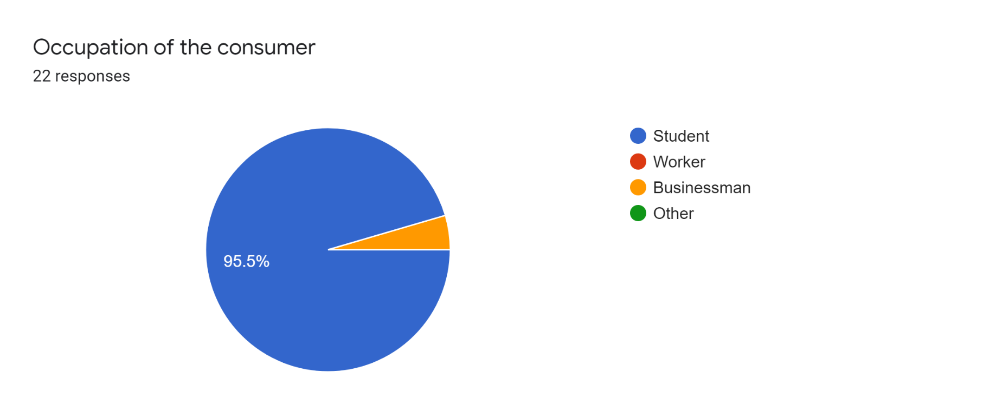
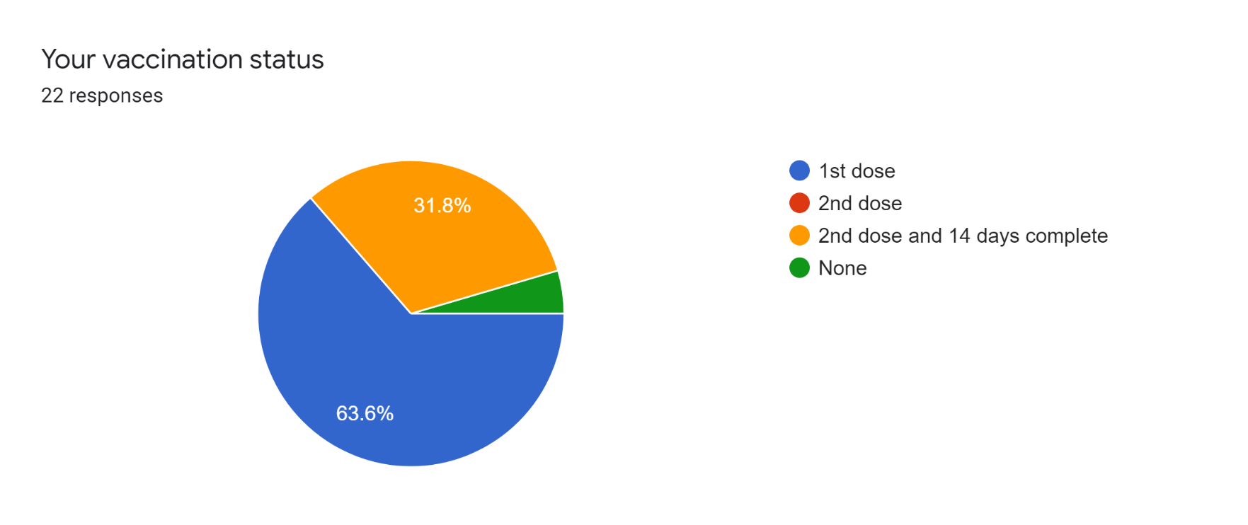
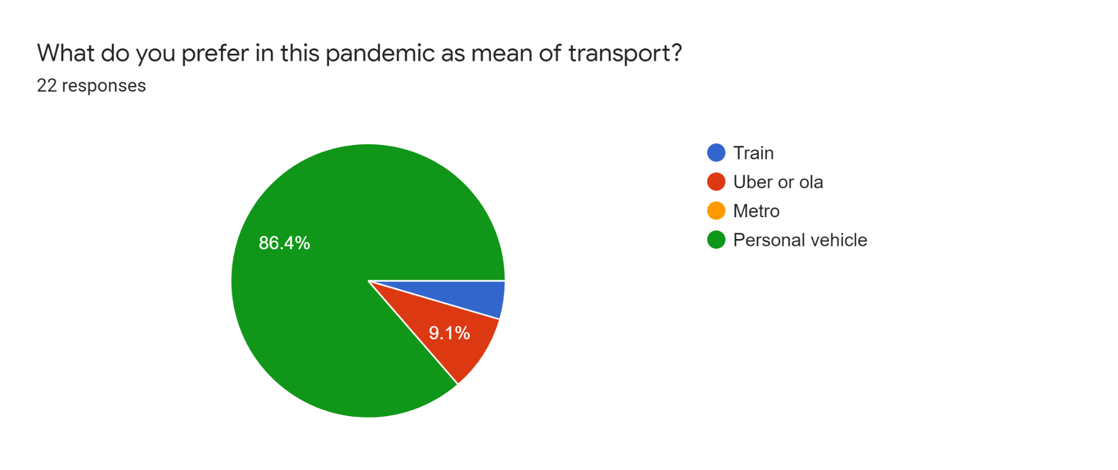
 |  |  | 434y

