50 - Vedika Mundra 1
Century Textiles

LIquidity Ratios
1. Current Ratio
Current Assets/Current Liability
Current Ratio
Year | Current Ratio
2011 | 2.31554
2012 | 0.60606
2013 | 0.72612
2014 | 0.59108
2015 | 0.70236
2016 | 0.62376
2017 | 0.50771
2018 | 0.58149
2019 | 0.66852
2020 | 0.89004
2021 | 1.3530

2. Quick Ratio
(Current Assets - Inventory)/Current Liability

Quick Ratio vs Year
Year | Quick Ratio
2011 | 1.31690
2012 | 0.21754
2013 | 0.27390
2014 | 0.25117
2015 | 0.30318
2016 | 0.25809
2017 | 0.22381
2018 | 0.29091
2019 | 0.27219
2020 | 0.36278
2021 | 0.61079802713

Return on Capital Employed vs Year
Profitability Ratios
1. Return on Capital Employed
Profit Before Tax / (Share Capital + Reserves + Long Term Debt)

Year | Return on Capital Employed
2011 | 0.06930
2012 | 0.00574
2013 | -0.01438
2014 | 0.00614
2015 | -0.00608
2016 | -0.01462
2017 | 0.01992
2018 | 0.12433
2019 | 0.23234
2020 | 0.09120
2021 | 0.01082

2. Net Profit Margin
Profit After Tax/Sales
Net Profit Margin vs Year
Year | Net Profit Margin
2011 | 0.0464449
2012 | 0.0041851
2013 | 0.0053449
2014 | 0.0003822
2015 | 0.0019328
2016 | 0.0064860
2017 | 0.0126236
2018 | 0.0467527
2019 | 0.1988775
2020 | 0.1435278
2021 | 0.0795561

3. Gross Profit Margin
Gross Profit / Sales
Gross Profit Margin vs Year
Year | Gross Profit Margin
2011 | 0.11320
2012 | 0.05314
2013 | 0.04417
2014 | 0.05382
2015 | 0.02695
2016 | 0.02463
2017 | 0.05122
2018 | 0.11359
2019 | 0.37932
2020 | 0.53184
2021 | 0.01893

Asset Utilization Ratio vs Year
4. Asset Utilization Ratio
Borrowings/Equity

Year | Asset Utilization Ratio
2011 | 0.942569
2012 | 1.239830
2013 | 1.201161
2014 | 1.602955
2015 | 1.496597
2016 | 1.594911
2017 | 1.543121
2018 | 1.631227
2019 | 1.187025
2020 | 0.953135
2021 | 0.5987394

Gearing Ratios
1. Interest Cover
Profit on Ordinary Activities before Interest and Taxation / Interest Payments

Year | Interest Cover
2011 | 2.90881
2012 | 0.09092
2013 | -0.19355
2014 | 0.05814
2015 | -0.06766
2016 | -0.15865
2017 | 0.20176
2018 | 1.39185
2019 | 8.28909
2020 | 4.66434
2021 | 0.548842

2. Asset Gearing
(Long Term Borrowings + Short Term Borrowings) / Equity

Year | Asset Gearing
2011 | 1.342235
2012 | 1.802024
2013 | 2.415939
2014 | 2.557915
2015 | 2.342685
2016 | 1.994801
2017 | 1.901783
2018 | 1.402891
2019 | 0.272880
2020 | 0.151814
2021 | 0.0064414

Investors Ratio
1. Earnings Per Share

Year | Earnings Per Share
2011 | 25.520
2012 | 2.380
2013 | -3.710
2014 | 0.290
2015 | 1.660
2016 | -5.210
2017 | 9.400
2018 | 33.280
2019 | 45.390
2020 | 41.900
2021 | 4.48

2. Price to Earnings Ratio
Market Price of Ordinary Share/EPS
*Market Price considered was the highest in the month of March

Year | P/E
2011 | 13.898902821
2012 | 154.87394958
2013 | 89.716981132
2014 | 1250.862069
2015 | 384.93975904
2016 | 102.61996161
2017 | 112.05319149
2018 | 36.733774038
2019 | 20.545274289
2020 | 12.642004773
2021 | 119.59821429

3. Dividend Yield
(Dividend Paid/Share Price) x 100
% Yield vs Year
Year | % Yield
2011 | 3.656%
2012 | 3.999%
2013 | 3.742%
2014 | 3.419%
2015 | 1.928%
2016 | 1.997%
2017 | 1.057%
2018 | 1.285%
2019 | 1.753%
2020 | 1.003%
2021 | 0.21%

4. Dividend Cover
Earnings per Share / Dividend per Share

Year | Dividend Cover
2011 | 0.2155
2012 | 2.3109
2013 | 1.4825
2014 | 18.9655
2015 | 3.3133
2016 | 1.0557
2017 | 0.5851
2018 | 0.1953
2019 | 0.1652
2020 | 0.0716
2021 | 0.2232

5. Payout Ratio
1/DIvidend Cover
Payout Ratio vs Year
Year | Payout Ratio
2011 | 4.640
2012 | 0.433
2013 | 0.675
2014 | 0.053
2015 | 0.302
2016 | 0.947
2017 | 1.709
2018 | 5.120
2019 | 6.052
2020 | 13.967
2021 | 4.48

DuPont Analysis vs Year
 | Return on Equity
2011 | 12.27%
2012 | 1.17%
2013 | 1.91%
2014 | 0.16%
2015 | 0.75%
2016 | 2.47%
2017 | 4.23%
2018 | 13.53%
2019 | 20.60%
2020 | 12.59%
2021 | 5.57%
DuPont Analysis
Net Profit Margin * Asset Turnover * Equity Multiplier

Year | Net Profit Margin | Asset Turnover | Equity Multiplier | Return on Equity
2011 | 0.0464 | 0.9872 | 2.6755 | 12.27%
2012 | 0.0042 | 0.7251 | 3.8401 | 1.17%
2013 | 0.0053 | 0.7812 | 4.5765 | 1.91%
2014 | 0.0004 | 0.7659 | 5.3174 | 0.16%
2015 | 0.0019 | 0.7952 | 4.8819 | 0.75%
2016 | 0.0065 | 0.8476 | 4.4938 | 2.47%
2017 | 0.0126 | 0.8041 | 4.1675 | 4.23%
2018 | 0.0468 | 0.7695 | 3.7597 | 13.53%
2019 | 0.1989 | 0.3380 | 3.0653 | 20.60%
2020 | 0.1435 | 0.4796 | 1.8291 | 12.59%
2021 | 0.0796 | 0.4015 | 1.7449 | 5.57%

48-jatin modi-1
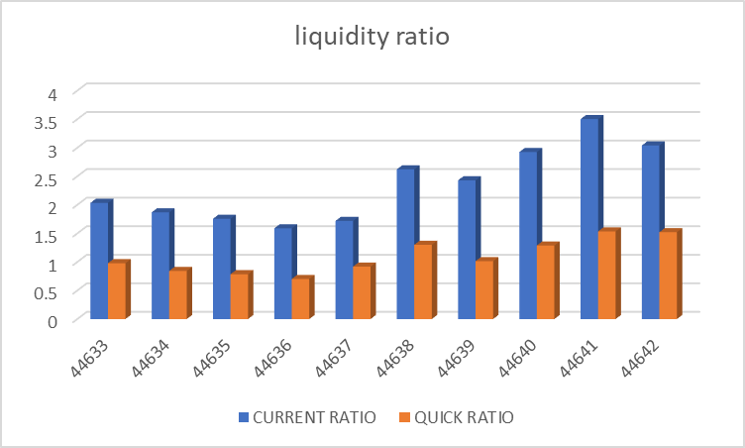
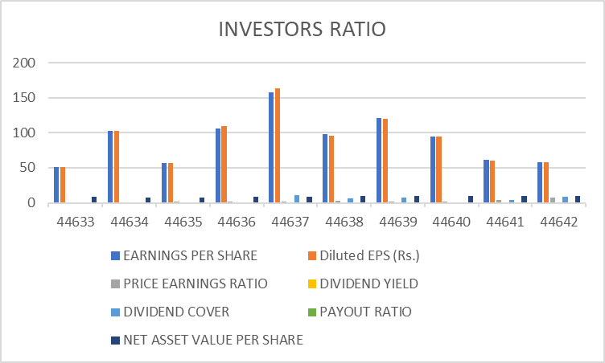
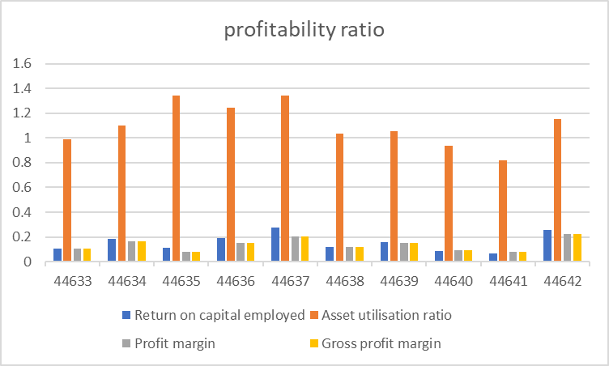
VARDHMAN TEXTILES
 | LIQUIDITY RATIO | 22/03/2022 | 22/03/2021 | 22/03/2020 | 22/03/2019 | 22/03/2018 | 22/03/2017 | 22/03/2016 | 22/03/2015 | 22/03/2014 | 22/03/2013
 | CURRENT RATIO | 3.039532065 | 3.5019222843 | 2.9247800615 | 2.4297172928 | 2.6209497311 | 1.7189345534 | 1.5883970319 | 1.7560391201 | 1.8689347004 | 2.0342766211
 | QUICK RATIO | 1.5208698569 | 1.5352718552 | 1.2879544905 | 1.0143671832 | 1.3005901508 | 0.91823715558 | 0.70172128175 | 0.78531395121 | 0.84281484731 | 0.97848909668

 | PROFITABILITY RATIO | 22/03/2022 | 22/03/2021 | 22/03/2020 | 22/03/2019 | 22/03/2018 | 22/03/2017 | 22/03/2016 | 22/03/2015 | 22/03/2014 | 22/03/2013
 | RETURN ON CAPITAL EMPLOYED | 0.2583573872 | 0.063897361546 | 0.087169901874 | 0.15697412716 | 0.12025996403 | 0.27731233529 | 0.19086363791 | 0.11118155541 | 0.18422585254 | 0.10673161986
 | ASSET UTILIZATION RATIO | 1.1549825181 | 0.81753908441 | 0.93921192777 | 1.0512670145 | 1.0359312575 | 1.342937601 | 1.2424005127 | 1.3407368019 | 1.0968936058 | 0.98899690956
 | PROFIT MARGIN | 0.22368943525 | 0.078158173432 | 0.092811749188 | 0.14931898842 | 0.11608874929 | 0.20649681347 | 0.15362488662 | 0.082925713124 | 0.1679523443 | 0.10791906308
 | GROSS PROFIT MARGIN | 0.22368943525 | 0.078158173432 | 0.092811749188 | 0.14931898842 | 0.11608874929 | 0.20649681347 | 0.15362488662 | 0.082925713124 | 0.1679523443 | 0.10791906308

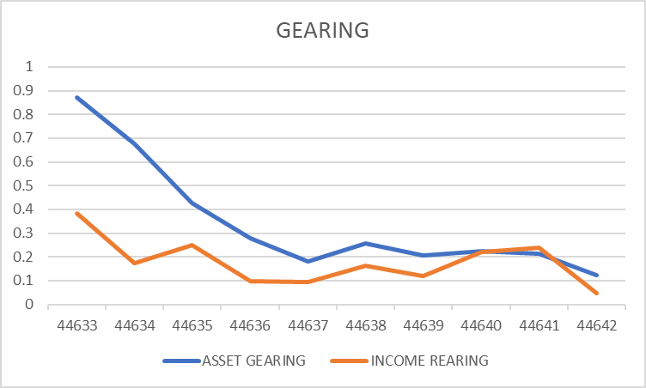
 | GEARING | 22/03/2022 | 22/03/2021 | 22/03/2020 | 22/03/2019 | 22/03/2018 | 22/03/2017 | 22/03/2016 | 22/03/2015 | 22/03/2014 | 22/03/2013
 | ASSET GEARING | 12.22% | 21.51% | 22.35% | 20.45% | 25.81% | 18.05% | 27.70% | 42.72% | 67.59% | 87.19%
 | INCOME REARING | 4.55% | 23.85% | 21.98% | 11.90% | 16.31% | 9.59% | 9.64% | 24.84% | 17.27% | 38.33%

 | INVESTORS RATIO | 22/03/2022 | 22/03/2021 | 22/03/2020 | 22/03/2019 | 22/03/2018 | 22/03/2017 | 22/03/2016 | 22/03/2015 | 22/03/2014 | 22/03/2013
 | EARNINGS PER SHARE | 57.77 | 60.920993429 | 94.903873054 | 121.16282042 | 97.581196438 | 157.35405015 | 106.26531766 | 56.417708792 | 102.41312135 | 50.859360271
 | Diluted EPS (Rs.) | 57.77 | 60.53 | 94.16 | 119.97 | 95.45 | 163.67 | 109 | 56.42 | 102.41 | 50.86
 | PRICE EARNINGS RATIO | 7.5471698113 | 4.2602719587 | 1.3172275902 | 1.7961780623 | 2.5049908069 | 1.6684031949 | 1.4557901242 | 1.9300677453 | 0.68223679818 | 1.0216408489
 | DIVIDEND YIELD | 1.56% | 6.74% | 0.00% | 8.04% | 6.14% | 5.71% | 0.00% | 0.00% | 0.00% | 0.00%
 | DIVIDEND COVER | 8.4955882353 | 3.4811996245 | 0 | 6.9235897382 | 6.5054130959 | 10.49027001 | 0 | 0 | 0 | 0
 | PAYOUT RATIO | 0.11770815302 | 0.28725729859 | 0 | 0.14443374576 | 0.15371813984 | 0.095326430975 | 0 | 0 | 0 | 0
 | NET ASSET VALUE PER SHARE | 10.006504228 | 9.702921273 | 9.6871576961 | 9.7155908768 | 9.3279298926 | 8.9486583297 | 8.2668258656 | 7.8190787407 | 7.7656632942 | 8.7962672029
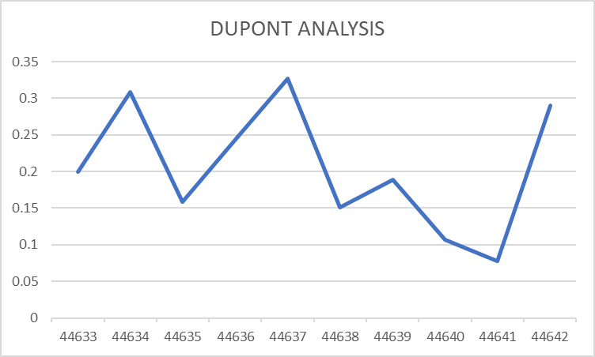

 | DUPONT ANALYSIS | 22/03/2022 | 22/03/2021 | 22/03/2020 | 22/03/2019 | 22/03/2018 | 22/03/2017 | 22/03/2016 | 22/03/2015 | 22/03/2014 | 22/03/2013
 | ROE | 28.99% | 7.75% | 10.64% | 18.91% | 15.13% | 32.74% | 24.37% | 15.87% | 30.87% | 19.98%

49-Harsha-1
Liquidity Ratio
 |  |  |  |  |  |  | Raymond Ltd

Liquidity Ratio

Year | 2022 | 2021 | 2020 | 2019 | 2018 | 2017 | 2016 | 2015 | 2014 | 2013
Current Ratio | 1.30 | 1.26 | 1.03 | 0.97 | 1.00 | 1.06 | 1.32 | 1.40 | 1.58 | 1.25
Quick Ratio | 0.72 | 0.71 | 0.52 | 0.51 | 0.53 | 0.60 | 0.78 | 0.80 | 0.91 | 0.73

Profitability Ratio

Profitability Ratio

Year | 2022 | 2021 | 2020 | 2019 | 2018 | 2017 | 2016 | 2015 | 2014 | 2013
Return on Capital Employed | 13.56% | -5.47% | 11.23% | 21.18% | 16.03% | 11.39% | 12.16% | 14.82% | 12.74% | 10.65%
Asset utilisation ratio | 180.33% | 111.46% | 238.26% | 283.62% | 243.05% | 243.53% | 204.96% | 223.34% | 183.17% | 194.14%
Profit margin | 7.52% | -4.91% | 4.71% | 7.47% | 6.60% | 4.68% | 5.93% | 6.64% | 6.96% | 5.49%
Gross profit margin | 64.70% | 33.58% | 42.85% | 44.44% | 43.59% | 44.06% | 44.27% | 41.41% | 43.15% | 43.11%

Gearing Ratio

Gearing Ratios

Year | 2022 | 2021 | 2020 | 2019 | 2018 | 2017 | 2016 | 2015 | 2014 | 2013
Asset gearing | 0.49 | 0.56 | 0.16 | 0.21 | 0.38 | 10.67 | 16.13 | 16.68 | 20.81 | 16.22
Income Gearing | 0.48 | -1.54 | 0.98 | 0.46 | 0.46 | 0.70 | 0.61 | 0.56 | 0.61 | 0.84

Investor Ratios

Year | 2022 | 2021 | 2020 | 2019 | 2018 | 2017 | 2016 | 2015 | 2014 | 2013
Earnings per share | 40.78 | 0.00 | 7.75 | 29.78 | 23.88 | 9.11 | 12.37 | 18.88 | 15.45 | 1.91
Price earnings ratio | 20.96 | 0.00 | 28.75 | 27.25 | 37.59 | 69.54 | 32.80 | 23.47 | 19.58 | 149.58
Dividend yield | 0.00% | 0.00% | 0.00% | 0.36% | 0.15% | 0.36% | 0.35% | 0.30% | 0.20% | 0.10%
Dividend cover | 0 | 0 | 0 | 10.15 | 17.69 | 3.98 | 8.60 | 14.21 | 25.53 | 6.68
Payout ratio | 0 | 0 | 0 | 0.099 | 0.057 | 0.251 | 0.116 | 0.070 | 0.039 | 0.150
Net asset value per share | 0.000035 | 0.000031 | 0.000037 | 0.000032 | 0.000029 | 0.000026 | 0.000026 | 0.000024 | 0.000023 | 0.000021
Dupoint analysis

Dupoint Analysis

Year | 2022 | 2021 | 2020 | 2019 | 2018 | 2017 | 2016 | 2015 | 2014 | 2013
Return on Equity | 25.61% | -9.75% | 20.84% | 43.56% | 30.37% | 20.92% | 21.59% | 27.11% | 23.56% | 18.57%

 | Notes
 | Year | 2022 | 2021 | 2020 | 2019 | 2018 | 2017 | 2016 | 2015 | 2014 | 2013
 | Asset utilisation ratio | 180.33% | 111.46% | 238.26% | 283.62% | 243.05% | 243.53% | 204.96% | 223.34% | 183.17% | 194.14%
 | Profit margin | 7.52% | -4.91% | 4.71% | 7.47% | 6.60% | 4.68% | 5.93% | 6.64% | 6.96% | 5.49%
 | Financial Leverage | 1.89 | 1.78 | 1.86 | 2.06 | 1.89 | 1.84 | 1.78 | 1.83 | 1.85 | 1.74

