Sheet2
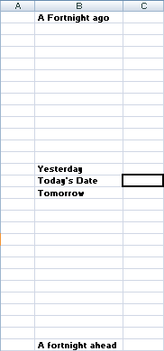
Open the file in the folder above.

You should find this rather unimpressive offering...

Use a function to calculate today's date in the highlighted cell. This will ensure that this spreadsheet will always reflect the current date.

Use whichever method you prefer to calculate the remaining dates, based upon today's.

Apply a custom format to give a more descriptive date.

Apply conditional formatting to highlight This Week / Last Week / Next Week.

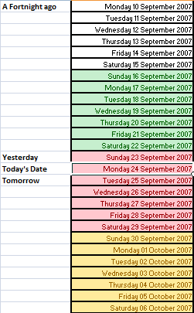
This is what you are aiming towards.

When finished, save this as Dates Formatted.

