Sheet2
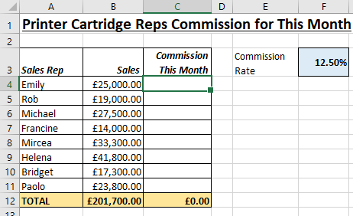
Open the file contained within the folder name shown above.

We want to calculate the commission using the rate in cell F3

In cell C4, create a formula that calculates the commission. Use this to help you:

Commission = Sales * Commission Rate

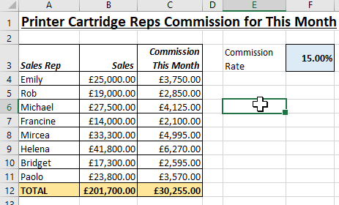
Remember that you want to multiply by the commission rate, absolutely every time. So you need to use the $ signs.

Try changing the commission rate in cell F3 to 15% to check that your formula is working correctly, as shown below:

When you change the commission rate, all the sales teams' figures should change.

Use Save As... to save the file in your own new Excel work folder.

