Sheet2
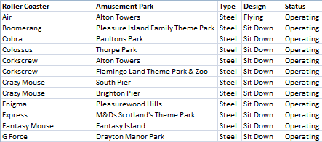
Open the file in the folder shown above :

This is a snapshot of the data you will find

Apply custom conditional formatting to the data, so that each row is formatted, dependent upon the "Design" Category. Each different category should have a specific scheme.
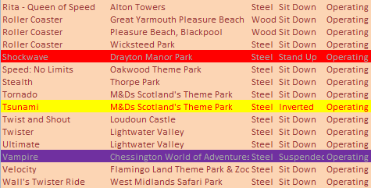

Your answer should resemble this. Feel free to use different schemes

When you have finished, save your file as Colourful Rollercoasters.

