Sheet1
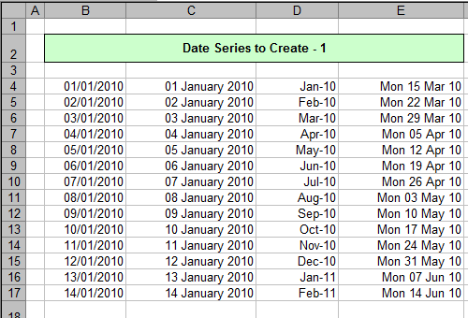
Create the date series below (without typing them all in!) using number (date) formatting to get them to display as shown:

You don't have to enter the title, though

Too easy? Try this lot:

Again, don't bother with the title

Save this file as Date series, then close it down.

