Sheet1
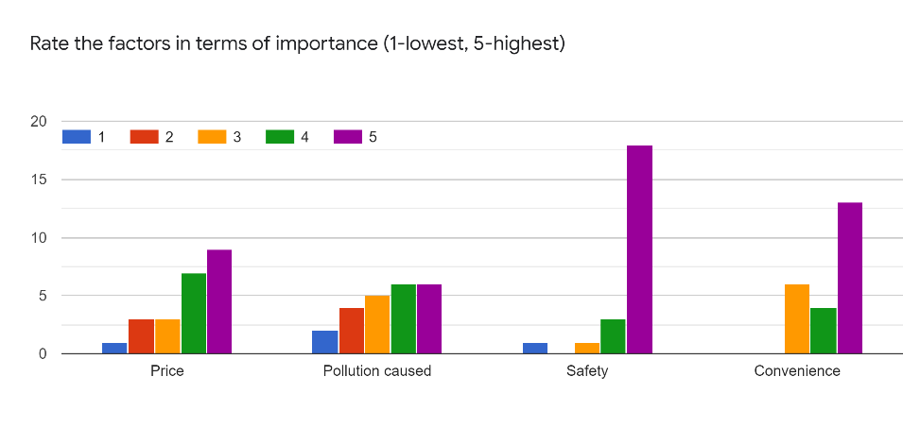
Sr. No | Family income/lacs | No of people in family | No of Cylinders used | Company | 900 | 925 | 950 | 975 | 1000
1 | 20 | 3 | 5 | I | 9 | 9 | 9 | 9 | 9
2 | 150 | 4 | 7 | B | 7 | 7 | 7 | 7 | 7
3 | 20 | 4 | 6 | H | 6 | 6 | 5 | 4 | 4
4 | 150 | 4 | 6 | H | 5 | 5 | 5 | 4 | 4
5 | 5 | 10 | 13 | H | 13 | 13 | 13 | 13 | 13
6 | 50 | 5 | 8 | H | 8 | 0 | 0 | 0 | 0
7 | 20 | 3 | 13 | H | 13 | 13 | 13 | 12 | 12
8 | 150 | 6 | 10 | H | 13 | 13 | 12 | 11 | 10
9 | 50 | 4 | 9 | H | 0 | 0 | 0 | 0 | 0
10 | 20 | 3 | 5 | H | 4 | 4 | 4 | 3 | 3
11 | 5 | 4 | 12 | I | 12 | 12 | 12 | 12 | 12
12 | 5 | 4 | 8 | I | 8 | 8 | 8 | 8 | 8 | Price | 880 | 900 | 925 | 950 | 975 | 1000
13 | 50 | 4 | 7 | H | 6 | 6 | 5 | 4 | 0 | Demand | 129 | 124 | 116 | 113 | 98 | 93 | Avg
14 | 20 | 3 | 2 | H | 2 | 2 | 2 | 2 | 2 | Price Elasticity |  | 1.71 | 1.97 | 1.56 | 2.23 | 2.05 | 1.90
15 | 5 | 4 | 4 | H | 4 | 4 | 4 | 4 | 4
16 | 150 | 3 | 5 | B | 5 | 5 | 5 | 5 | 5
17 | 50 | 6 | 9 | B | 9 | 9 | 9 | 0 | 0
Sum | 920 | 74 | 129 | 0 | 124 | 116 | 113 | 98 | 93

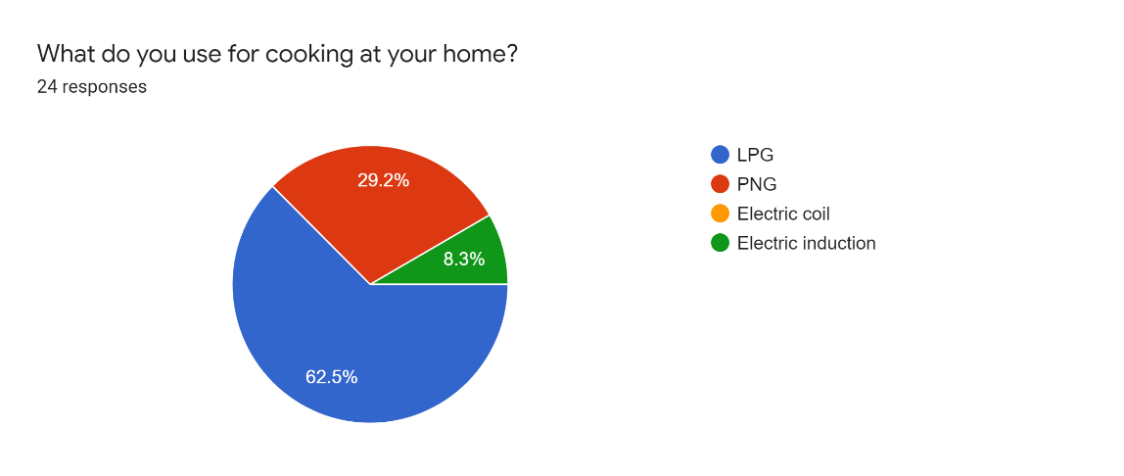
Note: | the total no. of responses is 24 but the responses of people who don't use LPG have been censored
Note: | Income elasticity does not apply because it is an essential commodity

