Sheet3
Apply conditional formatting rules, so that:

Anyone achieving more than 100% of their target is shown in green

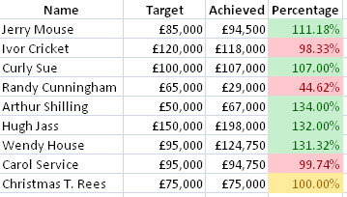
Anyone achieving less than 100% of their target is shown in red

Anyone achieving exactly 100% of their target is shown in yellow

Your answer should resemble the diagram shown below:

Feel free to choose different colours

Save your file with the name Formatted Salespeople.

