Sheet2
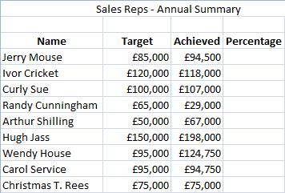
Open the file in the folder shown above:

Someone has already created the range names.

Calculate the percentages.

Apply Conditional Formatting, so that:

anyone with 100% or above gets a Green Light

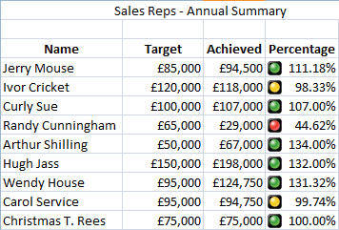
anyone between 80% and 100% Success Rate gets an Amber Light

anyone below this gets a Red Light.

Your answer should look like this....

Feel free to use different icon sets

When you have finished, save your file as Stay out of the Red Light District.

