Sheet2
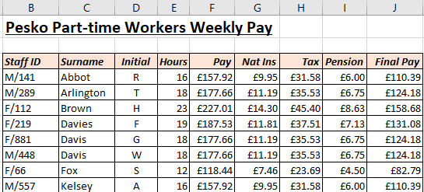
Open the file contained within the folder name shown above.

Here is the top part of the worksheet:

We want to add conditional formats to highlight certain data.

Add conditional formats to each column according to the labels on row 18:

In each column add a conditional format as described on row 18.

Your completed worksheet should look something like this:
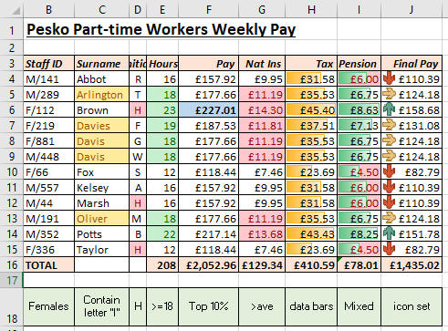

You can have too many conditional formats!

Use Save As... to save the file in your own new Excel work folder.

