Sheet2
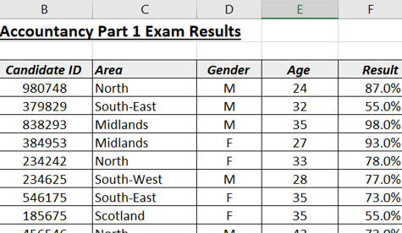
Open the file contained within the folder name shown above.

Here is the top part of the spreadsheet:

We want to add conditional formats according to certain criteria.

Apply conditional formatting using the information on row 28 as the criteria for each column:

Add the conditional formatting using the criteria here.

Your formatted worksheet should look similar to the example below:

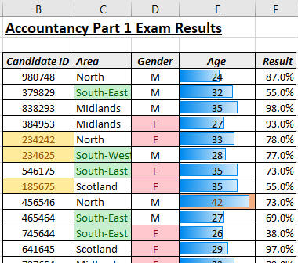
You can have too many conditional formats!

Use Save As... to save the file in your own new Excel work folder.

