Summary
Business Finance 1 |  |  | The development of the Indian software industry is an archetype of how economic liberalization combined
Project-1 |  |  | with an entrepreneurial spirit can build an industry that today contributes as much as 8% to the GDP of a fast-growing country
Sector Alloted: IT & Computer Software |  |  | like India. On the back of thousands of IT services companies that were built over the last three decades,
Group Description: |  |  | the industry has generated US$177 billion in revenue and more than US$135 billion in exports in FY 2018 2019 alone.
Roll no | Name | Company | The IT industry has also created over four million direct jobs and 12 million indirect jobs in India.
16 | Pratik Dhakate | TCS | A testament to this growth is the fact that the largest Indian IT services company is currently valued at over US$100 billion
17 | Vasu Dhawan(Absent) |  | and generates over US$20 billion in revenue.
18 | Moksh Doshi | HCL | As you can see the sales growth has grown exponentially. With upcoming Artificial intelligence revolution
19 | Rohit Dubey | Infosys | the whole Software and IT sector is estimated to grow at faster pace.
20 | Disha Dubhir | Wipro | We have further researched the key financial factors of TCS , HCL , INFOSYS & WIPRO in next 10 sheets respectively.

Sales Growth of whole IT sector
 |  |  |  | SALES
 |  |  |  | TCS | HCL | INFOSYS | WIPRO
 |  |  |  | ₹ 39,738.00 | ₹ 6,794.48 | ₹ 31,254 | ₹ 31,682
 |  |  |  | ₹ 51,183.00 | ₹ 8,907.22 | ₹ 36,765 | ₹ 33,226
 |  |  |  | ₹ 67,817.00 | ₹ 12,571.82 | ₹ 44,341 | ₹ 38,757
 |  |  |  | ₹ 79,550.00 | ₹ 16,497.37 | ₹ 47,300 | ₹ 41,209
 |  |  |  | ₹ 90,767.00 | ₹ 17,153.44 | ₹ 53,983 | ₹ 44,680
 |  |  |  | ₹ 99,299.00 | ₹ 19,318.31 | ₹ 59,289 | ₹ 45,639
 |  |  |  | ₹ 102,973.00 | ₹ 22,073.00 | ₹ 61,941 | ₹ 44,710
 |  |  |  | ₹ 122,538.00 | ₹ 26,012.00 | ₹ 73,107 | ₹ 48,029
 |  |  |  | ₹ 131,238.00 | ₹ 32,606.00 | ₹ 79,047 | ₹ 50,387
 |  |  |  | ₹ 135,963.00 | ₹ 35,673.00 | ₹ 85,912 | ₹ 50,299

Pratik-1
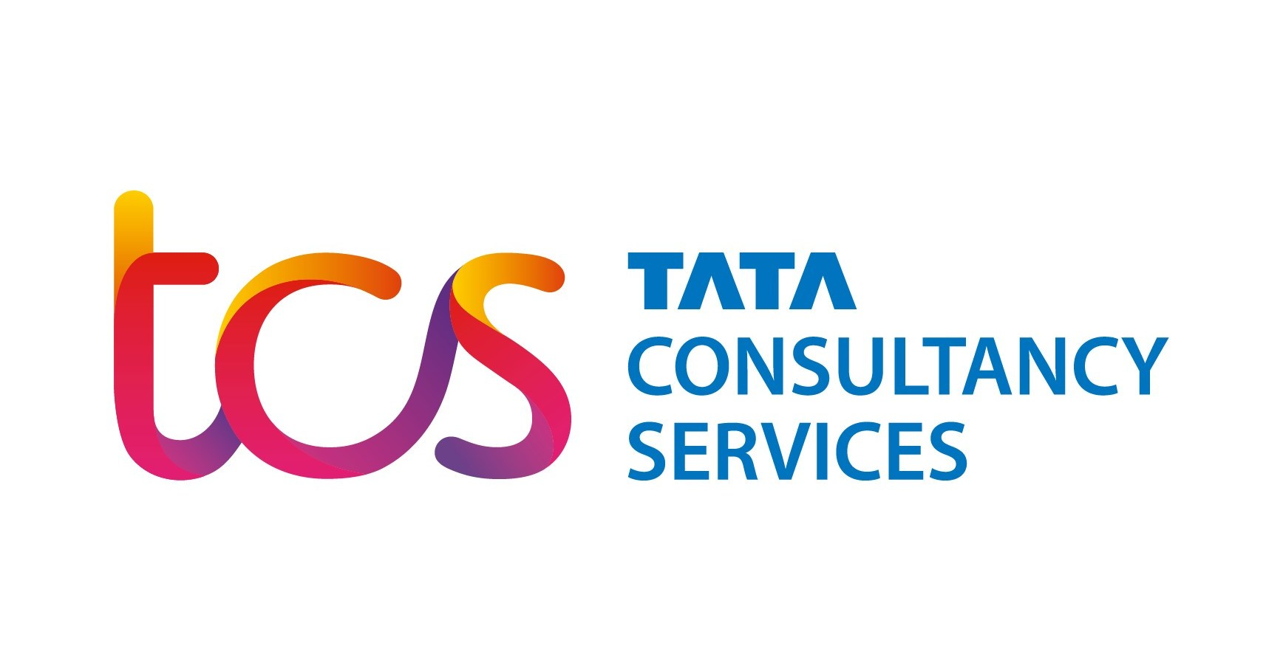

Past 10 Year's Data of TCS
Years | Dividend Yield | EPS | Dividend | Dividend Payout | Sales (in Cr) | Sales Growth Rate | Buyback Amount Spent (in Cr) | Free Cash Flow To Equity
2012 | 1.91% | 53.07 | ₹ 26.00 | 49.00% | ₹ 39,738.00 | 31.00% |  | 9370
2013 | 1.19% | 70.99 | ₹ 22.00 | 30.99% | ₹ 51,183.00 | 28.80% |  | 12069
2014 | 2.99% | 97.67 | ₹ 32.00 | ₹ 0.33 | ₹ 67,817.00 | 32.50% |  | 15991
2015 | 1.58% | 101.35 | ₹ 79.00 | 77.95% | ₹ 79,550.00 | 17.30% |  | 18774
2016 | 1.87% | 123.18 | ₹ 43.50 | 35.00% | ₹ 90,767.00 | 14.10% |  | 21421
2017 | 1.86% | 133.41 | ₹ 47.00 | 35.23% | ₹ 99,299.00 | 9.40% | ₹ 16,000.00 | 23435
2018 | 1.37% | 134.19 | ₹ 50.00 | 37.26% | ₹ 102,973.00 | 3.70% | ₹ 16,000.00 | 24302
2019 | 3.52% | 83.05 | ₹ 30.00 | 36.12% | ₹ 122,538.00 | 19.00% |  | 28919
2020 | 1.42% | 86.19 | ₹ 68.00 | 78.90% | ₹ 131,238.00 | 7.10% | ₹ 16,000.00 | 30972
2021 | 0.96% | 86.71 | ₹ 36.00 | 41.52% | ₹ 135,963.00 | 3.60% |  | 32087

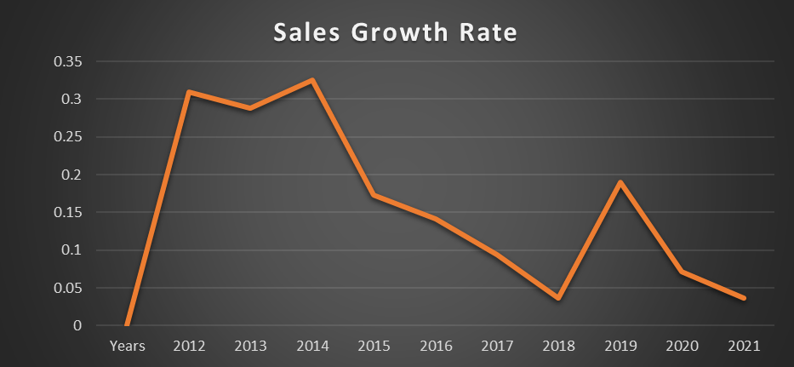
 | Dividend Yield
 | 0.0191
 | 0.0119
 | 0.0299
 | 0.0158
 | 0.0187
 | 0.0186
 | 0.0137
 | 0.0352
 | 0.0142
 | 0.0096

Moksh-1
PAST TEN YEAR'S DATA (2012-2021)
Year | Dividend | Dividend yield | EPS | Dividend payout | Buyback (in Cr) | FCFE | Sales (in Cr) | Sales growth rate (in %)
2012 | ₹ 10.00 | 8.64% | 17.18 | 58.20% | ₹ - | 3044 | ₹ 6,794.48 | 29%
2013 | ₹ 10.00 | 7.89% | 27.72 | 35.07% | ₹ - | 3988 | ₹ 8,907.22 | 31%
2014 | ₹ 12.00 | 6.64% | 52.45 | 22.87% | ₹ - | 5624 | ₹ 12,571.82 | 41%
2015 | ₹ 26.00 | 6.76% | 84.51 | 30.76% | ₹ - | 7368 | ₹ 16,497.37 | 31%
2016 | ₹ 14.00 | 2.78% | 44.91 | 31.17% | ₹ - | 7633 | ₹ 17,153.44 | 4%
2017 | ₹ 24.00 | 5.83% | 48.13 | 49.86% | ₹ 3,500.00 | 8550 | ₹ 19,318.31 | 12%
2018 | ₹ 16.00 | 3.78% | 52.5 | 30.47% | ₹ 4,000.00 | 9747 | ₹ 22,073.00 | 14%
2019 | ₹ 8.00 | 1.78% | 59.66 | 13.40% | ₹ - | 11404 | ₹ 26,012.00 | 17%
2020 | ₹ 10.00 | 1.98% | 33.05 | 30.25% | ₹ - | 14255 | ₹ 32,606.00 | 25%
2021 | ₹ 28.00 | 2.86% | 32.22 | 86.90% | ₹ - | 15538 | ₹ 35,673.00 | 9%

Dividend yield (in %)
 | 0.0864
 | 0.0789
 | 0.0664
 | 0.0676
 | 0.0278
 | 0.0583
 | 0.0378
 | 0.0178
 | 0.0198
 | 0.0286
Sales growth (in Cr)
 | 6794.48
 | 8907.22
 | 12571.82
 | 16497.37
 | 17153.44
 | 19318.31
 | 22073
 | 26012
 | 32606
 | 35673

Rohit-1
LAST TEN YEAR'S DATA (2012-2021)
Year | Dividend Payout/share | Dividend (per share in rs) | EPS | Dividend yield | Sales (in Cr) | Sales growth (in %) | Buyback amount ( in Cr) | FCFE ( in Cr)
2012 | 16.79% | ₹ 47.00 | 28.00 | 2.49% | ₹ 31,254 | 23% |  | ₹ 1,380.00
2013 | 16.79% | ₹ 47.00 | 28.00 | 2.48% | ₹ 36,765 | 18% |  | ₹ 1,356.00
2014 | 25.17% | ₹ 73.00 | 29.00 | 3.86% | ₹ 44,341 | 21% |  | ₹ 1,552.00
2015 | 12.34% | ₹ 39.50 | 32.00 | 2.09% | ₹ 47,300 | 7% |  | ₹ 1,389.00
2016 | 7.65% | ₹ 25.25 | 33.00 | 1.35% | ₹ 53,983 | 14% |  | ₹ 1,449.00
2017 | 7.93% | ₹ 27.75 | 35.00 | 1.47% | ₹ 59,289 | 10% | ₹ 13,000.00 | ₹ 1,688.00
2018 | 9.15% | ₹ 37.50 | 41.00 | 1.99% | ₹ 61,941 | 4% |  | ₹ 1,947.00
2019 | 5.92% | ₹ 22.50 | 38.00 | 1.19% | ₹ 73,107 | 18% | 8260 | ₹ 1,913.00
2020 | 5.24% | ₹ 21.50 | 41.00 | 1.14% | ₹ 79,047 | 8% |  | ₹ 2,146.00
2021 | 6.67% | ₹ 30.00 | 45.00 | 1.59% | ₹ 85,912 | 9% | 9200 | ₹ 2,973.00

Dividend Yield (in %)

Disha-1
LAST TEN YEAR'S DATA (2012-2021)
Year | Dividend Payout/share | Dividend (per share in rs) | Dividend yield (in %) | EPS | Sales (in Cr) | Sales growth (in %) | Buyback amount ( in Cr) | FCFE ( in Cr)
2012 | 21.43% | ₹ 6.00 | 0.84 | 28.00 | ₹ 31,682 | 20.28% |  | ₹ 548.00
2013 | 25.00% | ₹ 7.00 | 0.98 | 28.00 | ₹ 33,226 | 4.87% |  | ₹ 1,106.00
2014 | 27.59% | ₹ 8.00 | 1.12 | 29.00 | ₹ 38,757 | 16.65% |  | ₹ 1,000.00
2015 | 37.50% | ₹ 12.00 | 1.68 | 32.00 | ₹ 41,209 | 6.33% |  | ₹ 1,076.00
2016 | 18.18% | ₹ 6.00 | 0.84 | 33.00 | ₹ 44,680 | 8.42% | ₹ 2,500.00 | ₹ 992.00
2017 | 5.71% | ₹ 2.00 | 0.28 | 35.00 | ₹ 45,639 | 2.15% | ₹ 11,000.00 | ₹ 1,129.00
2018 | 2.44% | ₹ 1.00 | 0.14 | 41.00 | ₹ 44,710 | -2.04% |  | ₹ 975.00
2019 | 2.63% | ₹ 1.00 | 0.14 | 38.00 | ₹ 48,029 | 7.42% | ₹ 10,500.00 | ₹ 1,379.00
2020 | 2.44% | ₹ 1.00 | 0.14 | 41.00 | ₹ 50,387 | 4.91% |  | ₹ 1,042.00
2021 | 2.22% | ₹ 1.00 | 0.14 | 45.00 | ₹ 50,299 | -0.17% | ₹ 9,500.00 | ₹ 1,760.00

