Sheet2
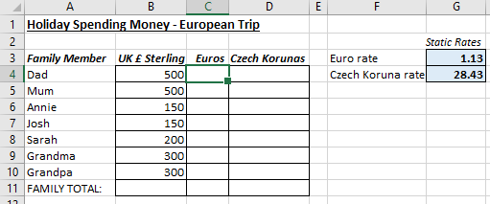
Open the file contained within the folder name shown above.

Your mission is to type a formula in cell C4 to convert £ sterling to Euros.

Create a formula in cell C4 to convert the £ sterling figure in cell B4 to Euros using the exchange rate in cell G3. Use this to help you:

Euros = UK £ Sterling * Euro rate

Remember that you want to multiply by the exchange rate, absolutely every time! So you need to use the $ signs ...

Now copy the formula down to cell C10 to calculate the euro amounts for everyone.

Create a formula in cell D4 to convert the £ sterling figure in cell B4 to Czech Korunas using the exchange rate in cell G4. Use this to help you:
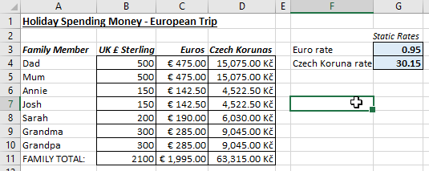
Czech Korunas = UK Sterling * Czech Koruna rate

Copy this formula down to cell D10 to calculate the Czech Koruna amounts for everyone. Check that your new formulae are working correctly by changing the Euro rate to 0.90 and the Czech Koruna rate to 30.15.

Create an =SUM function in cells B11:D11 as shown below:

Your completed exercise should look very similar to this.

Use Save As ... to save the file in your own new Excel work folder.

