INTRODUCTION
BUSINESS FINANCE PROJECT

ROLL NO. | NAME | COMPANY
31 | JAINAM | TCPL PACKAGING
32 | LITTLE | SUPEREME INDUSTRIES
33 | NEHUL | JINDAL POLYFILMS
34 | ROHIT | UFLEX LIMITED
35 | SANSKAR | KANPUR PLASTIPACK

LITTLE
BUSINESS FINANCE PROJECT

SUPEREME INDUSTIES Ltd.

Liquidity ratios
While it is important for a business to be profitable, profit is not sufficient on its own to guarantee survival. There must be sufficient liquid assets available to ensure that short term commitments can be met. Otherwise, the company could be forced into liquidation.
1- CURRENT RATIO = CURRENT ASSET/CURRENT LIABILITY (IDEAL=2:1)
2- QUICK RATIO = QUICK ASSETS/CURRENT LIABILITY (IDEAL=1:1)

CURRENT RATIO

YEARS | CURRENT ASSETS | CURRENT LIABILITIES | CURRENT RATIO
2011 | 666 | 463 | 1.44
2012 | 670 | 484 | 1.38
2013 | 861 | 683 | 1.26
2014 | 966 | 668 | 1.45
2015 | 1103 | 753 | 1.46
2016 | 1045 | 698 | 1.50
2017 | 1321 | 832 | 1.59
2018 | 1312 | 794 | 1.65
2019 | 1394 | 914 | 1.53
2020 | 1709 | 875 | 1.95
2021 | 2178 | 1087 | 2.00

QUICK RATIO

YEARS | CURRENT ASSETS | INVENTORIES = | QUICK ASSETS | CURRENT LIABILITIES | QUICK RATIO
2011 | 666 | 345 | 321 | 463 | 0.69
2012 | 670 | 314 | 356 | 484 | 0.74
2013 | 861 | 467 | 394 | 683 | 0.58
2014 | 966 | 498 | 468 | 668 | 0.70
2015 | 1103 | 465 | 638 | 753 | 0.85
2016 | 1045 | 558 | 487 | 698 | 0.70
2017 | 1321 | 777 | 544 | 832 | 0.65
2018 | 1312 | 697 | 615 | 794 | 0.77
2019 | 1394 | 750 | 644 | 914 | 0.70
2020 | 1709 | 891 | 818 | 875 | 0.93
2021 | 2178 | 761 | 1417 | 1087 | 1.30

Profitability ratios
→The profitability ratios are used to check that the company is generating an acceptable return for its owners.
RETURN ON CAPITAL EMPLOYED= (EBIT/(SHARE CAPITAL + RESERVE +LONG TERM DEBT))*100

RETURN ON CAPITAL EMPLOYED

YEARS | EBIT | SHARE CAPITAL | RESERVE | LONG TERM DEBT | ROCE
2011 | 307 | 25 | 464 | 514 | 30.61%
2012 | 414 | 25 | 616 | 351 | 41.73%
2013 | 460 | 25 | 777 | 470 | 36.16%
2014 | 500 | 25 | 940 | 473 | 34.77%
2015 | 536 | 25 | 1098 | 393 | 35.36%
2016 | 363 | 25 | 1197 | 412 | 22.22%
2017 | 619 | 25 | 1528 | 279 | 33.79%
2018 | 636 | 25 | 1708 | 248 | 32.10%
2019 | 703 | 25 | 1967 | 162 | 32.64%
2020 | 648 | 25 | 2107 | 441 | 25.18%
2021 | 1088 | 25 | 2844 | 27 | 37.57%

ASSET UTILIZATION RATIO

YEARS | SHARE CAPITAL | RESERVE | LONG TERM DEBT | REVENUE | ASSET UTILIZATION RATIO
2011 | 25 | 464 | 514 | 2468 | 2.5
2012 | 25 | 616 | 351 | 2927 | 3.0
2013 | 25 | 777 | 470 | 3403 | 2.7
2014 | 25 | 940 | 473 | 3961 | 2.8
2015 | 25 | 1098 | 393 | 4253 | 2.8
2016 | 25 | 1197 | 412 | 2960 | 1.8
2017 | 25 | 1528 | 279 | 4461 | 2.4
2018 | 25 | 1708 | 248 | 4969 | 2.5
2019 | 25 | 1967 | 162 | 5611 | 2.6
2020 | 25 | 2107 | 441 | 5511 | 2.1
2021 | 25 | 2844 | 27 | 6357 | 2.2

PROFIT MARGIN RATIO

YEARS | EBIT | REVENUE | ASSET UTIL. RATIO
2011 | 307 | 2468 | 12.44%
2012 | 414 | 2927 | 14.14%
2013 | 460 | 3403 | 13.52%
2014 | 500 | 3961 | 12.62%
2015 | 536 | 4253 | 12.60%
2016 | 363 | 2960 | 12.26%
2017 | 619 | 4461 | 13.88%
2018 | 636 | 4969 | 12.80%
2019 | 703 | 5611 | 12.53%
2020 | 648 | 5511 | 11.76%
2021 | 1088 | 6357 | 17.11%

GROSS PROFIT MARGIN

YEARS | GROSS PROFIT | REVENUE | GROSS PROFIT MARGIN
2011 | 353 | 2468 | 14.30%
2012 | 472 | 2927 | 16.13%
2013 | 536 | 3403 | 15.75%
2014 | 589 | 3961 | 14.87%
2015 | 666 | 4253 | 15.66%
2016 | 462 | 2960 | 15.61%
2017 | 762 | 4461 | 17.08%
2018 | 787 | 4969 | 15.84%
2019 | 785 | 5611 | 13.99%
2020 | 835 | 5511 | 15.15%
2021 | 1284 | 6357 | 20.20%

GEARING RATIOS = Gearing ratios are financial ratios that compare some form of owner's equity (or capital) to debt, or funds borrowed by the company. Gearing is a measurement of the entity's financial leverage, which demonstrates the degree to which a firm's activities are funded by shareholders' funds versus creditors' funds.

INCOME GEARING RATIO

YEARS | PBIT | INT ON BORROWINGS | INCOME GEARING RATIO
2011 | 307 | 44 | 0.1433
2012 | 414 | 58 | 0.1401
2013 | 460 | 55 | 0.1196
2014 | 500 | 79 | 0.1580
2015 | 536 | 60 | 0.1119
2016 | 363 | 32 | 0.0882
2017 | 619 | 34 | 0.0549
2018 | 636 | 21 | 0.0330
2019 | 703 | 26 | 0.0370
2020 | 648 | 20 | 0.0309
2021 | 1088 | 10 | 0.0092

ASSET GEARING RATIO

YEARS | BORROWINGS | EQUITY | RESERVES | INTANGIBLES | ASSET GEARING RATIO
2011 | 351 | 25 | 671 | 0 | 0.50 | 696
2012 | 470 | 25 | 854 | 0 | 0.53 | 879
2013 | 473 | 25 | 1014 | 0 | 0.46 | 1039
2014 | 393 | 25 | 1186 | 0 | 0.32 | 1211
2015 | 412 | 25 | 1290 | 0 | 0.31 | 1315
2016 | 279 | 25 | 1670 | 0 | 0.16 | 1695
2017 | 248 | 25 | 1869 | 20.45 | 0.13 | 1894
2018 | 162 | 25 | 2129 | 20.45 | 0.08 | 2154
2019 | 441 | 25 | 2236 | 21.9 | 0.20 | 2261
2020 | 27 | 25 | 3144 | 24.67 | 0.01 | 3169
2021 | 31 | 25 | 3236 | 25.69 | 0.01 | 3261

INVESTORS RATIOS= Investor ratios are the financial ratios that the investors use in order to evaluate the company's ability to generate the return for their investment. In general, investors usually want to know which one is a good company to invest their money in, in accordance with their risk appetites.

EARNINGS PER SHARE

YEARS | NET PROFIT | NO OF SHARES ISSUED | EPS
2011 | 196 | 127026870 | 15.429806308
2012 | 242 | 127026870 | 19.05108738
2013 | 290 | 127026870 | 22.829815456
2014 | 283 | 127026870 | 22.278750945
2015 | 322 | 127026870 | 25.348967506
2016 | 221 | 127026870 | 17.397893847
2017 | 430 | 127026870 | 33.851105676
2018 | 432 | 127026870 | 34.008552679
2019 | 449 | 127026870 | 35.346852205
2020 | 467 | 127026870 | 36.763875234
2021 | 978 | 127026870 | 76.991584536

PRICE EARNING RATIO

YEARS | EPS | CURRENT MARKET PRICE | PE RATIO
2011 | 15.429806308 | 148 | 9.5918248776
2012 | 19.05108738 | 164.25 | 8.6215551229
2013 | 22.829815456 | 287 | 12.571279893
2014 | 22.278750945 | 400 | 17.954327915
2015 | 25.348967506 | 565 | 22.288876258
2016 | 17.397893847 | 680 | 39.085190769
2017 | 33.851105676 | 850 | 25.109962674
2018 | 34.008552679 | 981 | 28.845685062
2019 | 35.346852205 | 1382 | 39.098248183
2020 | 36.763875234 | 1717 | 46.703455201
2021 | 76.991584536 | 1947 | 25.288478107

DIVIDEND YIELD

YEARS | DIVIDENDS | CURRENT MARKET PRICE | DIVIDEND YIELD
2011 | 0 | 148 | 0.00%
2012 | 4.5 | 164.25 | 2.74%
2013 | 7.5 | 287 | 2.61%
2014 | 8 | 400 | 2.00%
2015 | 9 | 565 | 1.59%
2016 | 8 | 680 | 1.18%
2017 | 10 | 850 | 1.18%
2018 | 13 | 981 | 1.33%
2019 | 13 | 1382 | 0.94%
2020 | 14 | 1717 | 0.82%
2021 | 23 | 1947 | 1.18%

DIVIDEND COVER &PAYOUT RATIO

YEARS | DIVIDENDS | EPS | DIVIDEND COVER | PAYOUT RATIO
2011 | 0 | 15.429806308 | - | -
2012 | 4.5 | 19.05108738 | 4.2335749734 | 0.23620698967
2013 | 7.5 | 22.829815456 | 3.0439753941 | 0.32851776724
2014 | 8 | 22.278750945 | 2.7848438681 | 0.3590865583
2015 | 9 | 25.348967506 | 2.8165519451 | 0.35504404658
2016 | 8 | 17.397893847 | 2.1747367309 | 0.45982577376
2017 | 10 | 33.851105676 | 3.3851105676 | 0.29541132558
2018 | 13 | 34.008552679 | 2.6160425137 | 0.38225678472
2019 | 13 | 35.346852205 | 2.7189886312 | 0.36778381069
2020 | 14 | 36.763875234 | 2.6259910881 | 0.38080860385
2021 | 23 | 76.991584536 | 3.3474601972 | 0.29873394785

NET ASSET VALUE PER SHARE

YEARS | EQUITY | INTANGIBLES | NO OF SHARES ISSUED | NAV PER SHARE
2011 | 696 | 0 | 127026870 | 5.4791557093
2012 | 879 | 0 | 127026870 | 6.9197957881
2013 | 1039 | 0 | 127026870 | 8.1793718132
2014 | 1211 | 0 | 127026870 | 9.5334160402
2015 | 1315 | 0 | 127026870 | 10.352140457
2016 | 1695 | 0 | 127026870 | 13.343633516
2017 | 1894 | 20.45 | 127026870 | 14.749241637
2018 | 2154 | 20.45 | 127026870 | 16.796052678
2019 | 2261 | 21.9 | 127026870 | 17.626979237
2020 | 3169 | 24.67 | 127026870 | 24.753266769
2021 | 3261 | 25.69 | 127026870 | 25.469493187
What is dupont analysis?
The DuPont analysis is a framework for analyzing fundamental performance originally popularized by the DuPont Corporation.
DuPont analysis is a useful technique used to decompose the different drivers of return on equity (ROE).
An investor can use analysis like this to compare the operational efficiency of two similar firms. Managers can use DuPont analysis to identify strengths or weaknesses that should be addressed.
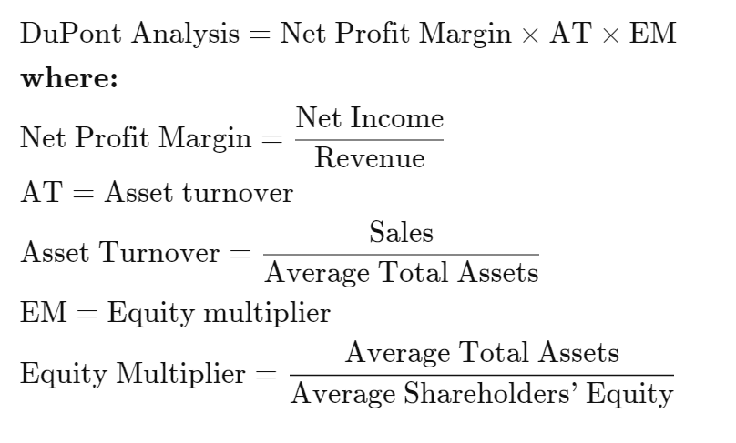

YEARS | NET PROFIT | REVENUE | NET PROFIT MARGIN
2011 | 196 | 2468 | 0.08
2012 | 242 | 2927 | 0.08
2013 | 290 | 3403 | 0.09
2014 | 283 | 3961 | 0.07
2015 | 322 | 4253 | 0.08
2016 | 221 | 2960 | 0.07
2017 | 430 | 4461 | 0.10
2018 | 432 | 4969 | 0.09
2019 | 449 | 5611 | 0.08
2020 | 467 | 5511 | 0.08
2021 | 978 | 6357 | 0.15

YEARS | ASSET UTILIZATION RATIO
2011 | 2.4606181456
2012 | 2.9506048387
2013 | 2.6753144654
2014 | 2.7545201669
2015 | 2.805408971
2016 | 1.811505508
2017 | 2.4350436681
2018 | 2.5083291267
2019 | 2.6049210771
2020 | 2.1418577536
2021 | 2.1950966851

YEARS | TOTAL ASSETS | EQUITY | EQUITY MULTIPLIER
2011 | 1532 | 25 | 61.28
2012 | 2032 | 25 | 81.28
2013 | 2179 | 25 | 87.16
2014 | 2357 | 25 | 94.28
2015 | 2425 | 25 | 97
2016 | 2807 | 25 | 112.28
2017 | 2936 | 25 | 117.44
2018 | 3229 | 25 | 129.16
2019 | 3619 | 25 | 144.76
2020 | 4282 | 25 | 171.28
2021 | 4994 | 25 | 199.76

DUPONT ANALYSIS
 |  |  |  |  |  |  | YEARS | DUPONT ANALYSIS
 |  |  |  |  |  |  | 2011 | 11.974955135
 |  |  |  |  |  |  | 2012 | 19.828387097
 |  |  |  |  |  |  | 2013 | 19.871383648
 |  |  |  |  |  |  | 2014 | 18.554408901
 |  |  |  |  |  |  | 2015 | 20.602902375
 |  |  |  |  |  |  | 2016 | 15.185973072
YEARS | NET PROFIT MARGIN | ASSET UTILIZATION RATIO | EQUITY MULTIPLIER | DUPONT ANALYSIS |  |  | 2017 | 27.565065502
2011 | 0.079416531605 | 2.4606181456 | 61.28 | 11.974955135 |  |  | 2018 | 28.166138314
2012 | 0.08267851042 | 2.9506048387 | 81.28 | 19.828387097 |  |  | 2019 | 30.175134633
2013 | 0.085218924478 | 2.6753144654 | 87.16 | 19.871383648 |  |  | 2020 | 31.087353284
2014 | 0.071446604393 | 2.7545201669 | 94.28 | 18.554408901 |  |  | 2021 | 67.46038674
2015 | 0.075711262638 | 2.805408971 | 97 | 20.602902375
2016 | 0.074662162162 | 1.811505508 | 112.28 | 15.185973072
2017 | 0.096390943735 | 2.4350436681 | 117.44 | 27.565065502
2018 | 0.086939021936 | 2.5083291267 | 129.16 | 28.166138314
2019 | 0.080021386562 | 2.6049210771 | 144.76 | 30.175134633
2020 | 0.084739611686 | 2.1418577536 | 171.28 | 31.087353284
2021 | 0.15384615385 | 2.1950966851 | 199.76 | 67.46038674

SUMMARY

 | CURRENT RATIO
2011 | 1.44
2012 | 1.38
2013 | 1.26
2014 | 1.45
2015 | 1.46
2016 | 1.50
2017 | 1.59
2018 | 1.65
2019 | 1.53
2020 | 1.95
2021 | 2.00
 | QUICK RATIO
2011 | 0.69330453564
2012 | 0.73553719008
2013 | 0.57686676428
2014 | 0.7005988024
2015 | 0.84727755644
2016 | 0.69770773639
2017 | 0.65384615385
2018 | 0.77455919395
2019 | 0.704595186
2020 | 0.93485714286
2021 | 1.3035878565
 | ROCE
2011 | 30.61%
2012 | 41.73%
2013 | 36.16%
2014 | 34.77%
2015 | 35.36%
2016 | 22.22%
2017 | 33.79%
2018 | 32.10%
2019 | 32.64%
2020 | 25.18%
2021 | 37.57%

 | ASSET UTILIZATION RATIO
2011 | 2.5
2012 | 3.0
2013 | 2.7
2014 | 2.8
2015 | 2.8
2016 | 1.8
2017 | 2.4
2018 | 2.5
2019 | 2.6
2020 | 2.1
 | ASSET UTIL. RATIO
2011 | 12.44%
2012 | 14.14%
2013 | 13.52%
2014 | 12.62%
2015 | 12.60%
2016 | 12.26%
2017 | 13.88%
2018 | 12.80%
2019 | 12.53%
2020 | 11.76%
2021 | 17.11%
 | GROSS PROFIT MARGIN
2011 | 14.30%
2012 | 16.13%
2013 | 15.75%
2014 | 14.87%
2015 | 15.66%
2016 | 15.61%
2017 | 17.08%
2018 | 15.84%
2019 | 13.99%
2020 | 15.15%
2021 | 20.20%

 | INCOME GEARING RATIO
2011 | 0.1433
2012 | 0.1401
2013 | 0.1196
2014 | 0.1580
2015 | 0.1119
2016 | 0.0882
2017 | 0.0549
2018 | 0.0330
2019 | 0.0370
2020 | 0.0309
2021 | 0.0092
 | ASSET GEARING RATIO
2011 | 0.50
2012 | 0.53
2013 | 0.46
2014 | 0.32
2015 | 0.31
2016 | 0.16
2017 | 0.13
2018 | 0.08
2019 | 0.20
2020 | 0.01
2021 | 0.01
 | EPS
2011 | 15.429806308
2012 | 19.05108738
2013 | 22.829815456
2014 | 22.278750945
2015 | 25.348967506
2016 | 17.397893847
2017 | 33.851105676
2018 | 34.008552679
2019 | 35.346852205
2020 | 36.763875234
2021 | 76.991584536

 | PE RATIO
2011 | 9.5918248776
2012 | 8.6215551229
2013 | 12.571279893
2014 | 17.954327915
2015 | 22.288876258
2016 | 39.085190769
2017 | 25.109962674
2018 | 28.845685062
2019 | 39.098248183
2020 | 46.703455201
2021 | 25.288478107
 | DIVIDEND YIELD
2011 | 0.00%
2012 | 2.74%
2013 | 2.61%
2014 | 2.00%
2015 | 1.59%
2016 | 1.18%
2017 | 1.18%
2018 | 1.33%
2019 | 0.94%
2020 | 0.82%
2021 | 1.18%
 | DIVIDEND COVER
2011 | 0
2012 | 4.2335749734
2013 | 3.0439753941
2014 | 2.7848438681
2015 | 2.8165519451
2016 | 2.1747367309
2017 | 3.3851105676
2018 | 2.6160425137
2019 | 2.7189886312
2020 | 2.6259910881
2021 | 3.3474601972

 | PAYOUT RATIO
2011 | 0
2012 | 0.23620698967
2013 | 0.32851776724
2014 | 0.3590865583
2015 | 0.35504404658
2016 | 0.45982577376
2017 | 0.29541132558
2018 | 0.38225678472
2019 | 0.36778381069
2020 | 0.38080860385
2021 | 0.29873394785
 | NAV PER SHARE
2011 | 5.4791557093
2012 | 6.9197957881
2013 | 8.1793718132
2014 | 9.5334160402
2015 | 10.352140457
2016 | 13.343633516
2017 | 14.749241637
2018 | 16.796052678
2019 | 17.626979237
2020 | 24.753266769
2021 | 25.469493187

ROHIT
Uflex Ltd. Ratio Analysis

 | No of Equity Shares = |  | Market Cap / Current Share Price
 | Market Cap | 49160000000 | CMP | 680

 | No of Equity Shares |  | 72294117.647 | Shares

 | LEVERAGING/GEARING RATIO :

 | Year | Equity | Borrowings | Gearing Ratio
 | 2021 | 72 | 1289 | 17.90
 | 2020 | 72 | 1239 | 17.21
 | 2019 | 72 | 1407 | 19.54
 | 2018 | 72 | 1418 | 19.69
 | 2017 | 72 | 1238 | 17.19
 | 2016 | 72 | 926 | 12.86
 | 2015 | 72 | 797 | 11.07
 | 2014 | 72 | 960 | 13.33
 | 2013 | 72 | 1065 | 14.79
 | 2012 | 72 | 1165 | 16.18

Liquidity Ratios
 | LIQUIDITY RATIO

 | A.] CURRENT RATIO |  |  |  |  | B.] QUICK RATIO
 | Year | Current Assets | Current Liabilites | CR |  | Inventory | QR
 | 2021 | 2408 | 1154 | 2.087 |  | 512 | 1.643
 | 2020 | 1911 | 922 | 2.073 |  | 481 | 1.551
 | 2019 | 1890 | 852 | 2.218 |  | 388 | 1.763
 | 2018 | 1868 | 891 | 2.097 |  | 406 | 1.641
 | 2017 | 1667 | 800 | 2.084 |  | 325 | 1.678
 | 2016 | 1573 | 763 | 2.062 |  | 272 | 1.705
 | 2015 | 1509 | 781 | 1.932 |  | 289 | 1.562
 | 2014 | 1483 | 814 | 1.822 |  | 217 | 1.555
 | 2013 | 1357 | 879 | 1.544 |  | 219 | 1.295
 | 2012 | 1387 | 878 | 1.580 |  | 215 | 1.335

 | PROFITABILITY RATIO

 | Return on Capital Employed |  |  |  |  |  |  |  | Operating Profit Ratio
 | Year | Sales | PBIT | Margin | Total assets | Efficiency | ROCE |  | Year | Sales | Operating Profit | OPR
 | 2021 | 4635 | 748 | 0.161 | 4920 | 0.942 | 15.20% |  | 2021 | 4635 | 748 | 0.161
 | 2020 | 4070 | 534 | 0.131 | 4420 | 0.921 | 12.08% |  | 2020 | 4070 | 534 | 0.131
 | 2019 | 4221 | 460 | 0.109 | 4404 | 0.958 | 10.45% |  | 2019 | 4221 | 460 | 0.109
 | 2018 | 3878 | 460 | 0.119 | 4428 | 0.876 | 10.39% |  | 2018 | 3878 | 460 | 0.119
 | 2017 | 3887 | 493 | 0.127 | 4080 | 0.953 | 12.08% |  | 2017 | 3887 | 493 | 0.127
 | 2016 | 3801 | 473 | 0.124 | 3557 | 1.069 | 13.30% |  | 2016 | 3801 | 473 | 0.124
 | 2015 | 3314 | 378 | 0.114 | 3265 | 1.015 | 11.58% |  | 2015 | 3314 | 378 | 0.114
 | 2014 | 3167 | 396 | 0.125 | 3369 | 0.940 | 11.75% |  | 2014 | 3167 | 396 | 0.125
 | 2013 | 3148 | 473 | 0.150 | 3429 | 0.918 | 13.79% |  | 2013 | 3148 | 473 | 0.150
 | 2012 | 3066 | 449 | 0.146 | 3335 | 0.919 | 13.46% |  | 2012 | 3066 | 449 | 0.146

 | Return on Asset / Asset Utilization Ratio |  |  |  |  |  | Asset Coverage Ratio
 | Year | Net Sales | Total assets | ROA |  |  | Year | Total Assets | Current Liabilities | Intangibles | Borrowings | ACR
 | 2021 | 4635 | 4920 | 94.21% |  |  | 2021 | 4920 | 1154 | 34.69 | 1289 | 2.895
 | 2020 | 4070 | 4420 | 92.08% |  |  | 2020 | 4420 | 922 | 34.69 | 1239 | 2.795
 | 2019 | 4221 | 4404 | 95.84% |  |  | 2019 | 4404 | 852 | 34.69 | 1407 | 2.500
 | 2018 | 3878 | 4428 | 87.58% |  |  | 2018 | 4428 | 891 | 24.65 | 1418 | 2.477
 | 2017 | 3887 | 4080 | 95.27% |  |  | 2017 | 4080 | 800 | 19.02 | 1238 | 2.634
 | 2016 | 3801 | 3557 | 106.86% |  |  | 2016 | 3557 | 763 | 15.36 | 926 | 3.001
 | 2015 | 3314 | 3265 | 101.50% |  |  | 2015 | 3265 | 781 | 7.66 | 797 | 3.107
 | 2014 | 3167 | 3369 | 94.00% |  |  | 2014 | 3369 | 814 | 7.66 | 960 | 2.653
 | 2013 | 3148 | 3429 | 91.81% |  |  | 2013 | 3429 | 879 | 7.66 | 1065 | 2.387
 | 2012 | 3066 | 3335 | 91.93% |  |  | 2012 | 3335 | 878 | 7.55 | 1165 | 2.103

 | Profit Margin |  |  |  |  |  | General Interest Coverage
 | Year | Net Profit | Revenue | Profit Margin |  |  | Year | EBIT | Interest Paid | General Interest Coverage
 | 2021 | 230 | 4635 | 4.96% |  |  | 2021 | 748 | 152 | 4.921
 | 2020 | 143 | 4070 | 3.51% |  |  | 2020 | 534 | 173 | 3.087
 | 2019 | 52 | 4221 | 1.23% |  |  | 2019 | 460 | 168 | 2.738
 | 2018 | 101 | 3878 | 2.60% |  |  | 2018 | 460 | 144 | 3.194
 | 2017 | 194 | 3887 | 4.99% |  |  | 2017 | 493 | 119 | 4.143
 | 2016 | 202 | 3801 | 5.31% |  |  | 2016 | 473 | 108 | 4.380
 | 2015 | 142 | 3314 | 4.28% |  |  | 2015 | 378 | 116 | 3.259
 | 2014 | 129 | 3167 | 4.07% |  |  | 2014 | 396 | 167 | 2.371
 | 2013 | 138 | 3148 | 4.38% |  |  | 2013 | 473 | 175 | 2.703
 | 2012 | 150 | 3066 | 4.89% |  |  | 2012 | 449 | 160 | 2.806

 | INVESTORS RATIO:

 | Earning Per Share
 | Year | Equity Share Cap | Face Value of Shares | No of Equity Shares | In Crores | Net Profit | EPS
 | 2021 | 720000000 | 10 | 72000000 | 7.2 | 230 | 31.944
 | 2020 | 720000000 | 10 | 72000000 | 7.2 | 143 | 19.861
 | 2019 | 720000000 | 10 | 72000000 | 7.2 | 52 | 7.222
 | 2018 | 720000000 | 10 | 72000000 | 7.2 | 101 | 14.028
 | 2017 | 720000000 | 10 | 72000000 | 7.2 | 194 | 26.944
 | 2016 | 720000000 | 10 | 72000000 | 7.2 | 202 | 28.056
 | 2015 | 720000000 | 10 | 72000000 | 7.2 | 142 | 19.722
 | 2014 | 720000000 | 10 | 72000000 | 7.2 | 129 | 17.917
 | 2013 | 720000000 | 10 | 72000000 | 7.2 | 138 | 19.167
 | 2012 | 720000000 | 10 | 72000000 | 7.2 | 150 | 20.833

 | P/E Multiple |  |  |  |  | Dividend Per Share
 | Year | Market Price | EPS | P/E Multiple |  | Year | EPS | Dividend Payout Ratio | DPS
 | 2021 | 387.60 | 31.94 | 12.13 |  | 2021 | 31.944 | 8% | 2.556
 | 2020 | 139.30 | 19.86 | 7.01 |  | 2020 | 19.861 | 10% | 1.986
 | 2019 | 227.90 | 7.22 | 31.56 |  | 2019 | 7.222 | 28% | 2.022
 | 2018 | 342.10 | 14.03 | 24.39 |  | 2018 | 14.028 | 14% | 1.964
 | 2017 | 278.05 | 26.94 | 10.32 |  | 2017 | 26.944 | 13% | 3.503
 | 2016 | 175.90 | 28.06 | 6.27 |  | 2016 | 28.056 | 11% | 3.086
 | 2015 | 123.05 | 19.72 | 6.24 |  | 2015 | 19.722 | 14% | 2.761
 | 2014 | 80.80 | 17.92 | 4.51 |  | 2014 | 17.917 | 14% | 2.508
 | 2013 | 72.65 | 19.17 | 3.79 |  | 2013 | 19.167 | 13% | 2.492
 | 2012 | 114.45 | 20.83 | 5.49 |  | 2012 | 20.833 | 10% | 2.083

 | Dividend Yield |  |  |  |  | Equity - Dvidend Coverage Rtio
 | Year | DPS | Market Price | Dividend Yield |  | Year | DPS | EPS | Equity Dividend Coverage
 | 2021 | 2.556 | 387.60 | 0.66% |  | 2021 | 2.556 | 31.944 | 12.500
 | 2020 | 1.986 | 139.30 | 1.43% |  | 2020 | 1.986 | 19.861 | 10.000
 | 2019 | 2.022 | 227.90 | 0.89% |  | 2019 | 2.022 | 7.222 | 3.571
 | 2018 | 1.964 | 342.10 | 0.57% |  | 2018 | 1.964 | 14.028 | 7.143
 | 2017 | 3.503 | 278.05 | 1.26% |  | 2017 | 3.503 | 26.944 | 7.692
 | 2016 | 3.086 | 175.90 | 1.75% |  | 2016 | 3.086 | 28.056 | 9.091
 | 2015 | 2.761 | 123.05 | 2.24% |  | 2015 | 2.761 | 19.722 | 7.143
 | 2014 | 2.508 | 80.80 | 3.10% |  | 2014 | 2.508 | 17.917 | 7.143
 | 2013 | 2.492 | 72.65 | 3.43% |  | 2013 | 2.492 | 19.167 | 7.692
 | 2012 | 2.083 | 114.45 | 1.82% |  | 2012 | 2.083 | 20.833 | 10.000

 | Dividend Payout Ratio
 | Year | DPS | EPS | Payout Ratio
 | 2021 | 2.556 | 31.944 | 8%
 | 2020 | 1.986 | 19.861 | 10%
 | 2019 | 2.022 | 7.222 | 28%
 | 2018 | 1.964 | 14.028 | 14%
 | 2017 | 3.503 | 26.944 | 13%
 | 2016 | 3.086 | 28.056 | 11%
 | 2015 | 2.761 | 19.722 | 14%
 | 2014 | 2.508 | 17.917 | 14%
 | 2013 | 2.492 | 19.167 | 13%
 | 2012 | 2.083 | 20.833 | 10%

 | What is Dupont Analysis?

 | DuPont Analysis is a useful technique used to decompose the different drivers of Return on Equity (ROE). An investor can use analysis like this to compare the operational efficiency of two similar firms. Managers can use DuPont analysis to identify strengths or weaknesses that should be addressed. The basic DuPont Analysis model is a method of breaking down the original equation for ROE into three components: Operating Efficiency, Asset Efficiency, and Leverage.

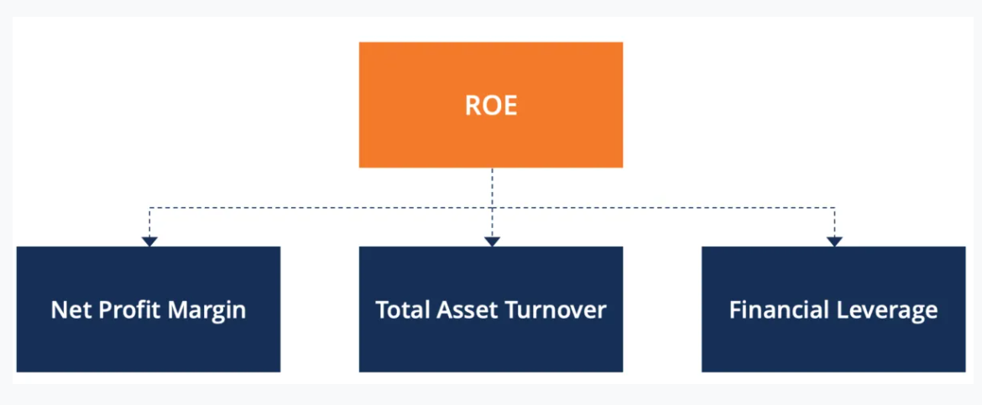

 | Net Profit Margin |  |  |  |  |  | Total Asset Turnover |  |  |  |  | Financial Leverage
 | Year | Net Profit | Revenue | Profit Margin |  |  | Year | Net Sales | Total assets | ROA |  | Year | Total Assets | Equity | Leverage
 | 2021 | 230 | 4635 | 4.96% |  |  | 2021 | 4635 | 4920 | 94.21% |  | 2021 | 4920 | 72 | 68.333
 | 2020 | 143 | 4070 | 3.51% |  |  | 2020 | 4070 | 4420 | 92.08% |  | 2020 | 4420 | 72 | 61.389
 | 2019 | 52 | 4221 | 1.23% |  |  | 2019 | 4221 | 4404 | 95.84% |  | 2019 | 4404 | 72 | 61.167
 | 2018 | 101 | 3878 | 2.60% |  |  | 2018 | 3878 | 4428 | 87.58% |  | 2018 | 4428 | 72 | 61.500
 | 2017 | 194 | 3887 | 4.99% |  |  | 2017 | 3887 | 4080 | 95.27% |  | 2017 | 4080 | 72 | 56.667
 | 2016 | 202 | 3801 | 5.31% |  |  | 2016 | 3801 | 3557 | 106.86% |  | 2016 | 3557 | 72 | 49.403
 | 2015 | 142 | 3314 | 4.28% |  |  | 2015 | 3314 | 3265 | 101.50% |  | 2015 | 3265 | 72 | 45.347
 | 2014 | 129 | 3167 | 4.07% |  |  | 2014 | 3167 | 3369 | 94.00% |  | 2014 | 3369 | 72 | 46.792
 | 2013 | 138 | 3148 | 4.38% |  |  | 2013 | 3148 | 3429 | 91.81% |  | 2013 | 3429 | 72 | 47.625
 | 2012 | 150 | 3066 | 4.89% |  |  | 2012 | 3066 | 3335 | 91.93% |  | 2012 | 3335 | 72 | 46.319

 | Results of Dupont Analysis

 | Year | Profit Margin | ROA | Leverage |  | Result of Dupont Analysis
 | 2021 | 4.96% | 94.21% | 68.333 |  | 3.194
 | 2020 | 3.51% | 92.08% | 61.389 |  | 1.986
 | 2019 | 1.23% | 95.84% | 61.167 |  | 0.722
 | 2018 | 2.60% | 87.58% | 61.500 |  | 1.403
 | 2017 | 4.99% | 95.27% | 56.667 |  | 2.694
 | 2016 | 5.31% | 106.86% | 49.403 |  | 2.806
 | 2015 | 4.28% | 101.50% | 45.347 |  | 1.972
 | 2014 | 4.07% | 94.00% | 46.792 |  | 1.792
 | 2013 | 4.38% | 91.81% | 47.625 |  | 1.917
 | 2012 | 4.89% | 91.93% | 46.319 |  | 2.083

 |  |  | FORMULAE AREA :

 |  |  | LEVERAGING/GEARING RATIO : |  |  |  | LIQUIDITY RATIO

 |  |  | Debt/Equity |  |  |  | A.] CURRENT RATIO |  |  |  |  | B.] QUICK RATIO

 |  |  |  |  |  |  | Current Assets / Current Liabilities |  |  |  |  | Current Assets - Inventory / Current Liabilities

 |  |  | PROFITABILITY RATIO

 |  |  | Return on Capital Employed |  |  |  |  |  |  | Operating Profit Ratio

 |  |  | Profit Margin/Efficiency Ratio |  |  | PBIT/Total Assets - Current Liabilities - Inventory |  |  |  | Operating Profit / Sales

 |  |  | Return on Asset / Asset Utilization Ratio |  |  |  |  |  |  | Asset Coverage Ratio

 |  |  | Net Sales / Total Assets |  |  |  |  |  |  | Total Assets - Current Liabilites - Intangible / Borrowing

 |  |  | Profit Margin |  |  |  |  |  |  | General Interest Coverage

 |  |  | Net Profit / Revenue |  |  |  |  |  |  | EBIT / Interest Paid

 |  |  | INVESTORS RATIO:

 |  |  | Earning Per Share |  |  |  |  | P/E Multiple

 |  |  | PAT / No of Equity Shares |  |  |  |  | Current Market Price / EPS

 |  |  | Dividend Per Share |  |  |  |  | Dividend Yield

 |  |  | EPS / Dividend Payout Ratio |  |  |  |  | DPS / Marktet Price of Sahre

 |  |  | Equity - Dvidend Coverage Rtio |  |  |  |  | Dividend Payout Ratio

 |  |  | EPS / DPS |  |  |  |  | DPS / EPS

 |  |  | What is Dupont Analysis?

 |  |  | Profit Margin |  |  |  | Total Asset Turnover |  |  | Financial Leverage

 |  |  | Net Profit / Revenue |  |  | Net Sales / Total Assets |  |  |  | Total Assets / Equity

 |  |  | Dupont Result : |  |  | Profit Margin x Total Asset Turnover x Financial Leverage

SANSKAR
 |  | CALCULATIONS
 |  |  | INVESTORS RATIOS
YEAR | DIVIDEND | MARKET PRICE PER SHARE | DIVIDEND YIELD | EARNINGS PER SHARE(EPS) | DIVIDEND PAYOUT RATIO | CURRENT ASSETS | CURRENT LIABILITIES | INVENTORIES | PBIT | SHARE CAPITAL | RESERVES | LONG TERM DEBT | REVENUE | GROSS PROFIT | COST OF MATERIALS | BORROWINGS | INTEREST ON BORROWINGS | NET INCOME | NET SALES | TOTAL ASSETS | INTERESTS
2011-12 | 0.44 | 12.69 | 3.50% | 5.3 | 8.377 | 113.26 | 53.69 | 25.28 | 15.37 | 9.96 | 21.33 | 22.63 | 186.96 | 72.2 | 114.76 | 63 | 6.3 | 10 | 184 | 112 | 6
2012-13 | 0.44 | 10.73 | 4.10% | 3.53 | 12.465 | 75.28 | 64.98 | 30.92 | 11.58 | 9.96 | 27.19 | 26.26 | 176.81 | 71.71 | 105.1 | 77 | 7.7 | 7 | 174 | 136 | 9
2013-14 | 0.53 | 33.13 | 1.60% | 5.56 | 9.532 | 98.82 | 82.47 | 36.64 | 15.67 | 9.96 | 36.5 | 24.43 | 214.51 | 79.2 | 135.31 | 86 | 8.6 | 11 | 209 | 162 | 9
2014-15 | 0.53 | 65.43 | 0.81% | 5.86 | 9.044 | 95.02 | 78.99 | 32.66 | 16.61 | 9.96 | 46.22 | 19.81 | 249.22 | 99.54 | 149.68 | 73 | 7.3 | 11 | 244 | 165 | 9
2015-16 | 0.53 | 76.81 | 0.69% | 8.42 | 6.295 | 98.85 | 75.77 | 29.03 | 25.76 | 9.96 | 60.62 | 14.96 | 249.63 | 114.26 | 135.37 | 65 | 6.5 | 16 | 247 | 173 | 8
2016-17 | 1.20 | 92.31 | 1.30% | 7.4 | 16.216 | 112.14 | 84.75 | 39.86 | 23.14 | 11.94 | 70.47 | 12.54 | 246.35 | 112.99 | 133.36 | 83 | 8.3 | 14 | 243 | 193 | 7
2017-18 | 1.20 | 69.77 | 1.72% | 7.76 | 15.464 | 110.96 | 83.3 | 40.35 | 24.35 | 13.13 | 91.48 | 27.84 | 285.19 | 131.5 | 153.69 | 128 | 12.8 | 16 | 278 | 230 | 6
2018-19 | 1.20 | 38.10 | 3.15% | 7.54 | 15.915 | 117.35 | 88.47 | 51.76 | 21.66 | 14.32 | 112.42 | 58.31 | 334.11 | 169.87 | 164.24 | 107 | 10.7 | 16 | 318 | 288 | 9
2019-20 | 0.40 | 78.43 | 0.51% | 2.3 | 17.391 | 96.51 | 65.83 | 48 | 6.31 | 14.32 | 114.25 | 55.38 | 322.54 | 156.91 | 165.63 | 158 | 15.8 | 5 | 314 | 266 | 11
2020-21 | 1.20 | 157.89 | 0.76% | 14.05 | 8.541 | 180.69 | 138.92 | 102.62 | 44.13 | 14.32 | 143.17 | 58.11 | 459.16 | 219.9 | 239.26 | 89 | 8.9 | 30 | 451 | 377 | 9

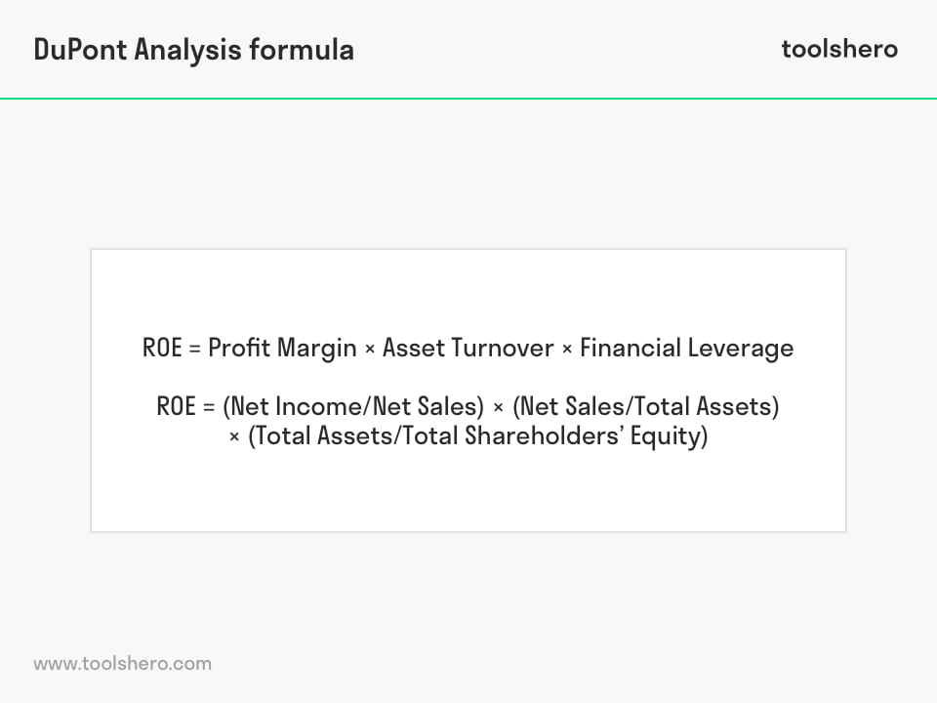
YEAR | SALES AMOUNT
2010 | 99
2011 | 117
2012 | 184
2013 | 174
2014 | 209 |  |  |  |  |  |  |  |  | DUPONT ANALYSIS =
2015 | 244
2016 | 247
2017 | 243
2018 | 278 |  |  |  |  | SOURCE:
2019 | 318 |  |  |  |  | https://www.screener.in/company/KANPRPLA/
2020 | 314 |  |  |  |  | https://www.tickertape.in/stocks/kanpur-plastipack-KANP/financials?checklist=basic&statement=income&view=normal&period=annual
2021 | 451

 |  |  | LIQUIDITY RATIOS |  | PROFITABILITY RATIOS |  |  | GEARING RATIOS |  | PROFITABILTY RATIO
 |  |  | CURRENT RATIO | QUICK RATIO | ROCE | NET ASSET UTILISATION RATIO | NET PROFIT MARGIN | GEARING | INCOME GEARING | GROSS PROFIT MARGIN | P/B RATIO | DUPONT ANALYSIS
 |  |  | 59.57 | 1.64 | 0.29 | 3.47 | 0.08 | 6.33 | 0.41 | 0.39 | 0.76 | 1.00
 |  |  | 10.3 | 0.68 | 0.18 | 2.79 | 0.07 | 7.73 | 0.66 | 0.41 | 0.49 | 0.70
 |  |  | 16.35 | 0.75 | 0.22 | 3.03 | 0.07 | 8.63 | 0.55 | 0.37 | 0.61 | 1.10
 |  |  | 16.03 | 0.79 | 0.22 | 3.28 | 0.07 | 7.33 | 0.44 | 0.40 | 1.06 | 1.10
 |  |  | 23.08 | 0.92 | 0.30 | 2.92 | 0.10 | 6.53 | 0.25 | 0.46 | 1.44 | 1.61
 |  |  | 27.39 | 0.85 | 0.24 | 2.59 | 0.09 | 6.95 | 0.36 | 0.46 | 2.47 | 1.17
 |  |  | 27.66 | 0.85 | 0.18 | 2.15 | 0.09 | 9.75 | 0.53 | 0.46 | 1.54 | 1.22
 |  |  | 28.88 | 0.74 | 0.12 | 1.81 | 0.06 | 7.47 | 0.49 | 0.51 | 1.3 | 1.12
 |  |  | 30.68 | 0.74 | 0.03 | 1.75 | 0.02 | 11.03 | 2.50 | 0.49 | 0.52 | 0.35
 |  |  | 41.77 | 0.56 | 0.20 | 2.13 | 0.10 | 6.22 | 0.20 | 0.48 | 1.31 | 2.09

DUPONT ANALYSIS

