Pulkita-2
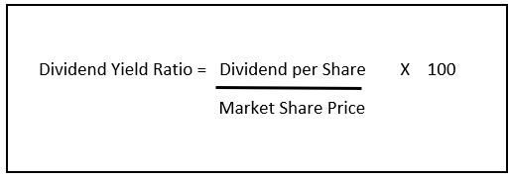
 |  |  | Calculations | Sources
Dividend | Dividend Yield | Market Price Per Share (MPS) |  | Website
₹ 5.00 | 0.70% | ₹ 714.29 |  | moneycontrol.com
₹ 3.20 | 1.16% | ₹ 275.86 |  | Investello.com
₹ 0.20 | 0.05% | ₹ 400.00 |  | In.investng.com
₹ 2.00 | 0.50% | ₹ 400.00 |  | Google.com
₹ 1.30 | 0.33% | ₹ 393.94
₹ 1.10 | 0.90% | ₹ 122.22
₹ 1.10 | 0.32% | ₹ 343.75
₹ 1.00 | 0.38% | ₹ 263.16
₹ 1.00 | 0.72% | ₹ 138.89
₹ 0.70 | 0.88% | ₹ 79.55

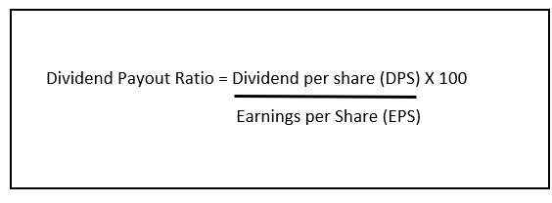
Dividend | Earning Per Share | Dividend Payout Ratio
₹ 5.00 | 9.49 | 52.69
₹ 3.20 | 9.43 | 33.93
₹ 0.20 | 12.74 | 1.57
₹ 2.00 | 11.63 | 17.20
₹ 1.30 | 14.9 | 8.72
₹ 1.10 | 14.31 | 7.69
₹ 1.10 | 10.55 | 10.43
₹ 1.00 | 9.8 | 10.20
₹ 1.00 | 8.76 | 11.42
₹ 0.70 | 5.88 | 11.90

Year | Sales Amount | Sale Growth
2021 | 6,643.46 | -11.96
2020 | 7,546.25 | -1.73
2019 | 7,679.28 | -5.67
2018 | 8,141.14 | 32.09
2017 | 6,163.53 | 6.42
2016 | 5,791.94 | 24.62
2015 | 4,647.52 | -7.52
2014 | 5,025.53 | 41.00
2013 | 3,564.29 | 41.32
2012 | 2,522.15 | 25.77
2011 | 2,005.30

