Sheet2
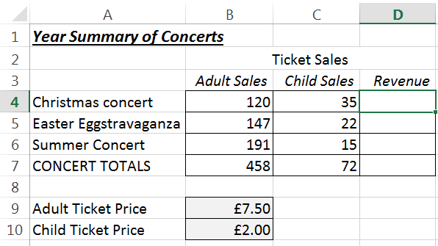
Open the file in the folder shown above.

Create a formula in cell D4 that calculates the Revenue by referring to the adult and child ticket prices in cells B8 and B9. Use this to help you:

Revenue = (Adult Sales * Adult price) + (Child Sales * Child Price)

Remember you ALWAYS want to refer to cells B9 and B10

Copy the formula down and then change the ticket prices to check the revenue alters.

Re-save the file with the same name and close it down.

