Sheet1
Open the file contained within the folder name shown above.

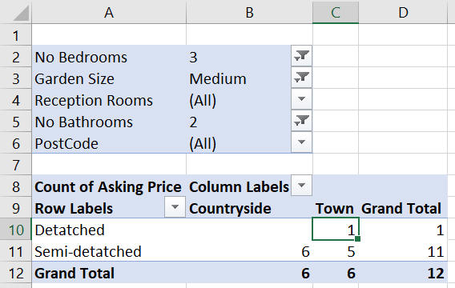
Create a pivot table of the property portfolio to show:

The asking price as the value field;
The type of property in the rows;
The location in the columns;
The remaining fields in the filter area.

Change the filters and aggregate functions to show a count of properties that have:

3 bedrooms;
A medium garden; and
2 bathrooms.

Your pivot table should look something like this:

Use the filters at the top to only show the data you are interested in.

There is only one property that is detached - use drill down to show this:

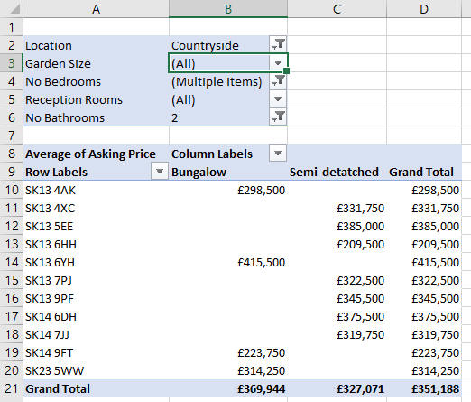
Double-click on cell C10 to see the property details.

Change your pivot table so that it now shows the average asking price of houses with:

The postcode of the property in the rows;
The type of property in the columns; and
The remaining fields in the filter area.

Change the filters to show the average asking price of properties that have:

2 bathrooms;
2 or 3 bedrooms; and
which are in the countryside

Your pivot table will now look something like this:

Double-click on any property price to see the full details.

Use Save As... to save the file in your own new Excel work folder.

