Sheet2
Open the spreadsheet in the folder above :

You should see this list of UK rides

Convert this data into a pivot table and find the overall average speed of all rides that satisfy the following criteria:

The Type is Steel
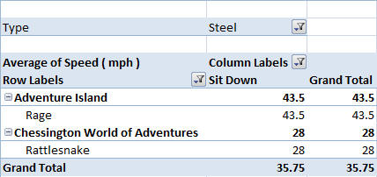
The Design is Sit Down

The Amusement Park has the word adventure somewhere in the title

Having narrowed your data down, you should get to this point

These rides sound appealing!

Once finished, save you file as Rollercoasters Pivot

