Calculations
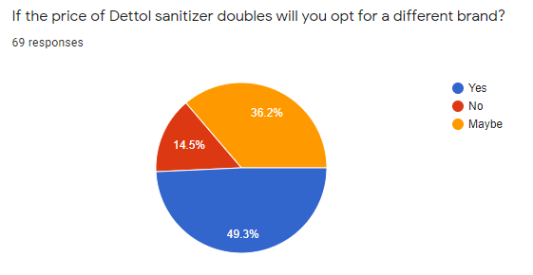

Average price spend of one hand sanitizer | 115.85
Mode | 100

Calculations for quantity demanded

(Q1) New Demand | 46.5
(Q2) Total Demand | 69

Change in quantity demanded | 22.5

Quantity Demanded | 0.3261

Demand Curve
Responses | Count | Percentage
Number of people responded (Yes) | 34 | 49.30%
Number of people responded (No) | 10 | 14.50%
Number of people responded (Maybe) | 25 | 36.20%
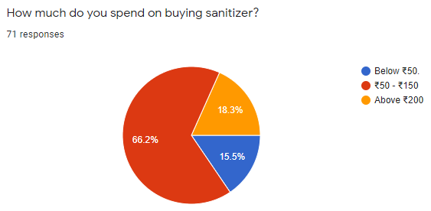
Total | 69 | 100.00%

Calculations for Price Elasticity

Price | Quantity Demanded | Change in Price | Change in Quantity Demanded
116 | 69
232 | 47 | 100% | 0.326

Calculations for Income Elasticity

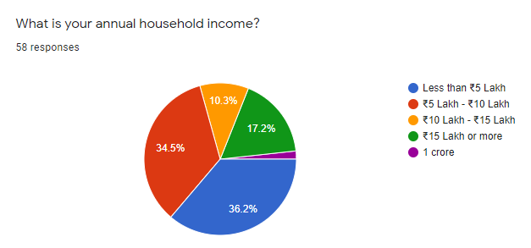
 | Average price
Less than Rs. 5 Lakh | 121.42857143 |  | Less than Rs. 5 Lakh | Rs. 5 Lakh - Rs. 10 Lakh | Rs.10 Lakh - Rs. 15 Lakh | Rs. 15 Lakh or more
Rs. 5 Lakh - Rs. 10 Lakh | 115 |  | 25 | 25 | 25 | 25
Rs.10 Lakh - Rs. 15 Lakh | 137.5 |  | 25 | 25 | 100 | 25
Rs. 15 Lakh or more | 115 |  | 100 | 100 | 100 | 100
Total Average | 115.84507042 |  | 100 | 100 | 100 | 100
 |  |  | 100 | 100 | 250 | 100
 |  |  | 100 | 100 | 250 | 100
 |  |  | 100 | 100 |  | 100
 |  |  | 100 | 100 |  | 100
 |  |  | 100 | 100 |  | 250
 |  |  | 100 | 100 |  | 250
 |  |  | 100 | 100
 |  |  | 100 | 100
 |  |  | 100 | 100
 |  |  | 100 | 100
 |  |  | 100 | 100
 |  |  | 100 | 100
 |  |  | 100 | 100
 |  |  | 250 | 250
 |  |  | 250 | 250
 |  |  | 250 | 250
 |  |  | 250

