50 - Vedika Mundra 1
Century Textiles

LIquidity Ratios
1. Current Ratio
Current Assets/Current Liability
Current Ratio
Year | Current Ratio
2011 | 2.31554
2012 | 0.60606
2013 | 0.72612
2014 | 0.59108
2015 | 0.70236
2016 | 0.62376
2017 | 0.50771
2018 | 0.58149
2019 | 0.66852
2020 | 0.89004
2021 | 1.3530

2. Quick Ratio
(Current Assets - Inventory)/Current Liability

Quick Ratio vs Year
Year | Quick Ratio
2011 | 1.31690
2012 | 0.21754
2013 | 0.27390
2014 | 0.25117
2015 | 0.30318
2016 | 0.25809
2017 | 0.22381
2018 | 0.29091
2019 | 0.27219
2020 | 0.36278
2021 | 0.61079802713

Return on Capital Employed vs Year
Profitability Ratios
1. Return on Capital Employed
Profit Before Tax / (Share Capital + Reserves + Long Term Debt)

Year | Return on Capital Employed
2011 | 0.06930
2012 | 0.00574
2013 | -0.01438
2014 | 0.00614
2015 | -0.00608
2016 | -0.01462
2017 | 0.01992
2018 | 0.12433
2019 | 0.23234
2020 | 0.09120
2021 | 0.01082

2. Net Profit Margin
Profit After Tax/Sales
Net Profit Margin vs Year
Year | Net Profit Margin
2011 | 0.0464449
2012 | 0.0041851
2013 | 0.0053449
2014 | 0.0003822
2015 | 0.0019328
2016 | 0.0064860
2017 | 0.0126236
2018 | 0.0467527
2019 | 0.1988775
2020 | 0.1435278
2021 | 0.0795561

3. Gross Profit Margin
Gross Profit / Sales
Gross Profit Margin vs Year
Year | Gross Profit Margin
2011 | 0.11320
2012 | 0.05314
2013 | 0.04417
2014 | 0.05382
2015 | 0.02695
2016 | 0.02463
2017 | 0.05122
2018 | 0.11359
2019 | 0.37932
2020 | 0.53184
2021 | 0.01893

Asset Utilization Ratio vs Year
4. Asset Utilization Ratio
Borrowings/Equity

Year | Asset Utilization Ratio
2011 | 0.942569
2012 | 1.239830
2013 | 1.201161
2014 | 1.602955
2015 | 1.496597
2016 | 1.594911
2017 | 1.543121
2018 | 1.631227
2019 | 1.187025
2020 | 0.953135
2021 | 0.5987394

Gearing Ratios
1. Interest Cover
Profit on Ordinary Activities before Interest and Taxation / Interest Payments

Year | Interest Cover
2011 | 2.90881
2012 | 0.09092
2013 | -0.19355
2014 | 0.05814
2015 | -0.06766
2016 | -0.15865
2017 | 0.20176
2018 | 1.39185
2019 | 8.28909
2020 | 4.66434
2021 | 0.548842

2. Asset Gearing
(Long Term Borrowings + Short Term Borrowings) / Equity

Year | Asset Gearing
2011 | 1.342235
2012 | 1.802024
2013 | 2.415939
2014 | 2.557915
2015 | 2.342685
2016 | 1.994801
2017 | 1.901783
2018 | 1.402891
2019 | 0.272880
2020 | 0.151814
2021 | 0.0064414

Investors Ratio
1. Earnings Per Share

Year | Earnings Per Share
2011 | 25.520
2012 | 2.380
2013 | -3.710
2014 | 0.290
2015 | 1.660
2016 | -5.210
2017 | 9.400
2018 | 33.280
2019 | 45.390
2020 | 41.900
2021 | 4.48

2. Price to Earnings Ratio
Market Price of Ordinary Share/EPS
*Market Price considered was the highest in the month of March

Year | P/E
2011 | 13.898902821
2012 | 154.87394958
2013 | 89.716981132
2014 | 1250.862069
2015 | 384.93975904
2016 | 102.61996161
2017 | 112.05319149
2018 | 36.733774038
2019 | 20.545274289
2020 | 12.642004773
2021 | 119.59821429

3. Dividend Yield
(Dividend Paid/Share Price) x 100
% Yield vs Year
Year | % Yield
2011 | 3.656%
2012 | 3.999%
2013 | 3.742%
2014 | 3.419%
2015 | 1.928%
2016 | 1.997%
2017 | 1.057%
2018 | 1.285%
2019 | 1.753%
2020 | 1.003%
2021 | 0.21%

4. Dividend Cover
Earnings per Share / Dividend per Share

Year | Dividend Cover
2011 | 0.2155
2012 | 2.3109
2013 | 1.4825
2014 | 18.9655
2015 | 3.3133
2016 | 1.0557
2017 | 0.5851
2018 | 0.1953
2019 | 0.1652
2020 | 0.0716
2021 | 0.2232

5. Payout Ratio
1/DIvidend Cover
Payout Ratio vs Year
Year | Payout Ratio
2011 | 4.640
2012 | 0.433
2013 | 0.675
2014 | 0.053
2015 | 0.302
2016 | 0.947
2017 | 1.709
2018 | 5.120
2019 | 6.052
2020 | 13.967
2021 | 4.48

DuPont Analysis vs Year
DuPont Analysis
Net Profit Margin * Asset Turnover * Equity Multiplier

Year | Net Profit Margin | Asset Turnover | Equity Multiplier | Return on Equity
2011 | 0.0464 | 0.9872 | 2.6755 | 12.27%
2012 | 0.0042 | 0.7251 | 3.8401 | 1.17%
2013 | 0.0053 | 0.7812 | 4.5765 | 1.91%
2014 | 0.0004 | 0.7659 | 5.3174 | 0.16%
2015 | 0.0019 | 0.7952 | 4.8819 | 0.75%
2016 | 0.0065 | 0.8476 | 4.4938 | 2.47%
2017 | 0.0126 | 0.8041 | 4.1675 | 4.23%
2018 | 0.0468 | 0.7695 | 3.7597 | 13.53%
2019 | 0.1989 | 0.3380 | 3.0653 | 20.60%
2020 | 0.1435 | 0.4796 | 1.8291 | 12.59%
2021 | 0.0796 | 0.4015 | 1.7449 | 5.57%

48-jatin modi-1
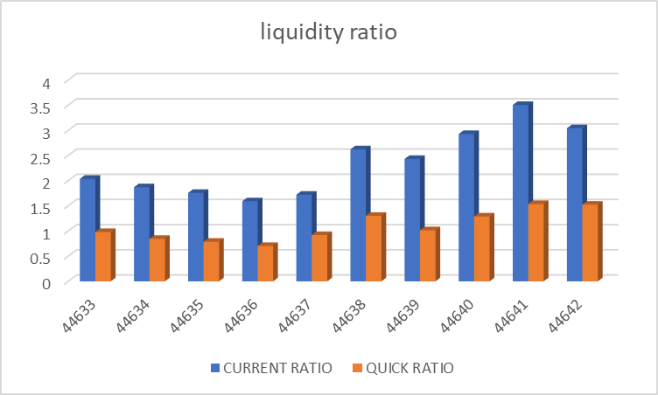
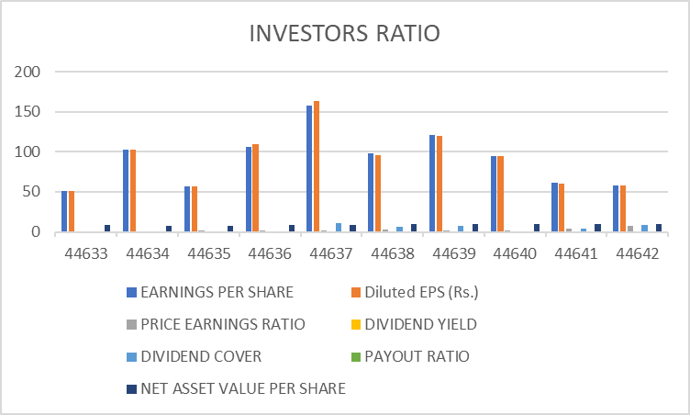
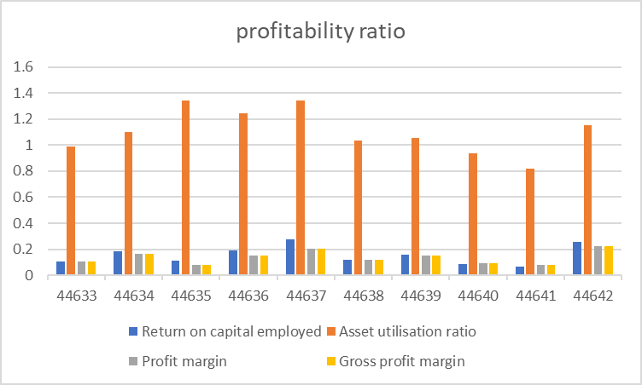
VARDHMAN TEXTILES
 | LIQUIDITY RATIO | 22/03/2022 | 22/03/2021 | 22/03/2020 | 22/03/2019 | 22/03/2018 | 22/03/2017 | 22/03/2016 | 22/03/2015 | 22/03/2014 | 22/03/2013
 | CURRENT RATIO | 3.039532065 | 3.501922284 | 2.924780062 | 2.429717293 | 2.620949731 | 1.718934553 | 1.588397032 | 1.75603912 | 1.8689347 | 2.034276621
 | QUICK RATIO | 1.520869857 | 1.535271855 | 1.287954491 | 1.014367183 | 1.300590151 | 0.9182371556 | 0.7017212817 | 0.7853139512 | 0.8428148473 | 0.9784890967

 | PROFITABILITY RATIO | 22/03/2022 | 22/03/2021 | 22/03/2020 | 22/03/2019 | 22/03/2018 | 22/03/2017 | 22/03/2016 | 22/03/2015 | 22/03/2014 | 22/03/2013
 | RETURN ON CAPITAL EMPLOYED | 0.2583573872 | 0.06389736155 | 0.08716990187 | 0.1569741272 | 0.120259964 | 0.2773123353 | 0.1908636379 | 0.1111815554 | 0.1842258525 | 0.1067316199
 | ASSET UTILIZATION RATIO | 1.154982518 | 0.8175390844 | 0.9392119278 | 1.051267015 | 1.035931257 | 1.342937601 | 1.242400513 | 1.340736802 | 1.096893606 | 0.9889969096
 | PROFIT MARGIN | 0.2236894352 | 0.07815817343 | 0.09281174919 | 0.1493189884 | 0.1160887493 | 0.2064968135 | 0.1536248866 | 0.08292571312 | 0.1679523443 | 0.1079190631
 | GROSS PROFIT MARGIN | 0.2236894352 | 0.07815817343 | 0.09281174919 | 0.1493189884 | 0.1160887493 | 0.2064968135 | 0.1536248866 | 0.08292571312 | 0.1679523443 | 0.1079190631

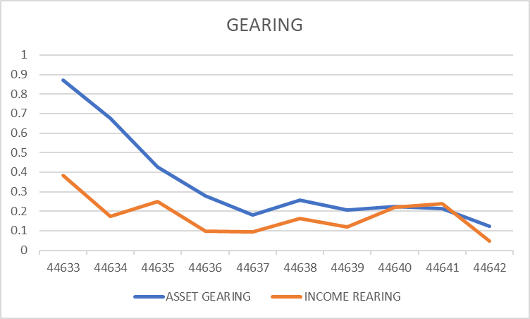
 | GEARING | 22/03/2022 | 22/03/2021 | 22/03/2020 | 22/03/2019 | 22/03/2018 | 22/03/2017 | 22/03/2016 | 22/03/2015 | 22/03/2014 | 22/03/2013
 | ASSET GEARING | 12.22% | 21.51% | 22.35% | 20.45% | 25.81% | 18.05% | 27.70% | 42.72% | 67.59% | 87.19%
 | INCOME REARING | 4.55% | 23.85% | 21.98% | 11.90% | 16.31% | 9.59% | 9.64% | 24.84% | 17.27% | 38.33%

 | INVESTORS RATIO | 22/03/2022 | 22/03/2021 | 22/03/2020 | 22/03/2019 | 22/03/2018 | 22/03/2017 | 22/03/2016 | 22/03/2015 | 22/03/2014 | 22/03/2013
 | EARNINGS PER SHARE | 57.77 | 60.92099343 | 94.90387305 | 121.1628204 | 97.58119644 | 157.3540501 | 106.2653177 | 56.41770879 | 102.4131213 | 50.85936027
 | Diluted EPS (Rs.) | 57.77 | 60.53 | 94.16 | 119.97 | 95.45 | 163.67 | 109 | 56.42 | 102.41 | 50.86
 | PRICE EARNINGS RATIO | 7.547169811 | 4.260271959 | 1.31722759 | 1.796178062 | 2.504990807 | 1.668403195 | 1.455790124 | 1.930067745 | 0.6822367982 | 1.021640849
 | DIVIDEND YIELD | 1.56% | 6.74% | 0.00% | 8.04% | 6.14% | 5.71% | 0.00% | 0.00% | 0.00% | 0.00%
 | DIVIDEND COVER | 8.495588235 | 3.481199625 | 0 | 6.923589738 | 6.505413096 | 10.49027001 | 0 | 0 | 0 | 0
 | PAYOUT RATIO | 0.117708153 | 0.2872572986 | 0 | 0.1444337458 | 0.1537181398 | 0.09532643097 | 0 | 0 | 0 | 0
 | NET ASSET VALUE PER SHARE | 10.00650423 | 9.702921273 | 9.687157696 | 9.715590877 | 9.327929893 | 8.94865833 | 8.266825866 | 7.819078741 | 7.765663294 | 8.796267203
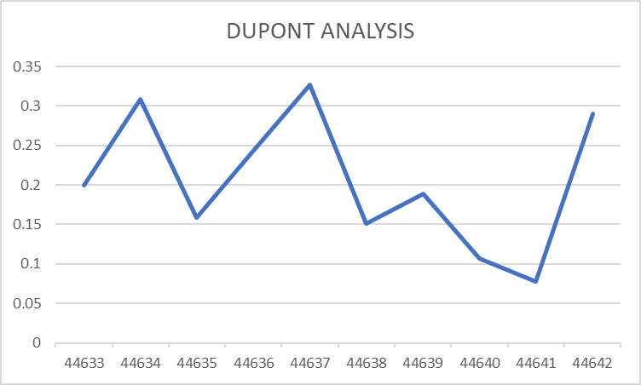

 | DUPONT ANALYSIS | 22/03/2022 | 22/03/2021 | 22/03/2020 | 22/03/2019 | 22/03/2018 | 22/03/2017 | 22/03/2016 | 22/03/2015 | 22/03/2014 | 22/03/2013
 | ROE | 28.99% | 7.75% | 10.64% | 18.91% | 15.13% | 32.74% | 24.37% | 15.87% | 30.87% | 19.98%

