Sheet2
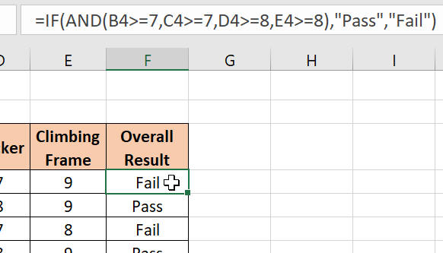
Open the file contained within the folder name shown above.

We have a complicated IF function in column F that we don't want to risk losing:

Can you imagine losing that IF function with the nested AND conditions?

Turn on sheet and workbook protection to make sure that cells F4:F11 can't be accidentally deleted or overtyped, or the whole sheet deleted.

Try to delete cell F8 and you should get this message:

You can't change the cell without knowing the password.

Use Save As... to save the file in your own new Excel work folder.

